HPS4 _multivariate
Reported by Tex Li-Hsing Chi. tex@gate.sinica.edu.tw 2019-08-19

Table 2. The clinicopathological features of HNSCC cohort and HPS4 expression. (Chi square test)
Cutoff at -0.049 (49.8%)
 |  | HPS4 expression |  | HPS4 expression |  | (Optimised)
 | Features | Low | (%) | High | (%) | Case no | P-value | Remark | Matthews
Gender | Female | 148 | 35.7 | 158 | 38.1 | 415 | 0.3567 | 0 | 0
2 | Male | 59 | 14.2 | 50 | 12
Age at diagnosis | <=65y | 137 | 33 | 137 | 33 | 415 | 1 | 0 | 0
4 | >65y | 70 | 16.9 | 71 | 17.1
Clinical T Status | T1+T2 | 77 | 18.6 | 72 | 17.3 | 415 | 0.6556 | 0 | 0
6 | T3+T4 | 130 | 31.3 | 136 | 32.8
Clinical N Status | N0 | 98 | 23.6 | 118 | 28.4 | 415 | 0.0694 | 0 | 0
8 | N1-3 | 109 | 26.3 | 90 | 21.7
Clinical M Status | M0 | 207 | 49.9 | 205 | 49.4 | 415 | 0.2482 | 0 | 0
10 | M1 | 0 | 0 | 3 | 0.7
Clinical Stage | Stage I+II | 49 | 11.8 | 53 | 12.8 | 415 | 0.7535 | 0 | 0
12 | Stage III+IV | 158 | 38.1 | 155 | 37.3
Surgical Margin status | Negative | 157 | 37.8 | 161 | 38.8 | 415 | 0.729 | 0 | 0
14 | Positive | 50 | 12 | 47 | 11.3
Tobacco Exposure | Low | 92 | 22.2 | 69 | 16.6 | 415 | 0.0206 | 1 | 0
16 | High | 115 | 27.7 | 139 | 33.5

Table 3. Univariate/Multivariate Cox's proportional hazards regression analyses on OS time of HPS4 gene expression in HNSCC

 |  | Univariate |  |  |  | Multivariate
 | Features | HR | CI95%(L) | CI95%(H) | P-value | HR | CI95%(L) | CI95%(H) | P-value
1 | Female | 1 |  |  |  | 1
Gender | Male | 1.157 | 0.843 | 1.587 | 0.367 | 1.178 | 0.841 | 1.65 | 0.341
11 | <=65y | 1 |  |  |  | 1
Age at diagnosis | >65y | 1.329 | 0.99 | 1.784 | 0.058 | 1.394 | 1.026 | 1.895 | 0.034
12 | T1+T2 | 1 |  |  |  | 1
Clinical T Status | T3+T4 | 1.409 | 1.028 | 1.931 | 0.033 | 2.232 | 1.18 | 4.222 | 0.013
13 | N0 | 1 |  |  |  | 1
Clinical N Status | N1-3 | 1.185 | 0.89 | 1.577 | 0.246 | 1.222 | 0.856 | 1.744 | 0.269
14 | M0 | 1 |  |  |  | 1
Clinical M Status | M1 | 4.097 | 1.009 | 16.644 | 0.049 | 10.394 | 2.245 | 48.117 | 0.003
15 | Stage I+II | 1 |  |  |  | 1
Clinical Stage | Stage III+IV | 1.245 | 0.882 | 1.759 | 0.213 | 0.5 | 0.233 | 1.074 | 0.076
16 | Negative | 1 |  |  |  | 1
Surgical Margin status | Positive | 1.591 | 1.155 | 2.191 | 0.004 | 1.653 | 1.196 | 2.284 | 0.002
17 | Low | 1 |  |  |  | 1
Tobacco Exposure | High | 1.364 | 1.008 | 1.844 | 0.044 | 1.478 | 1.07 | 2.041 | 0.018
18 | Low | 1 |  |  |  | 1
RNAseq(z-score) | High | 0.865 | 0.65 | 1.153 | 0.323 | 0.842 | 0.628 | 1.13 | 0.252

Table 4. Univariate/Multivariate Cox's proportional hazards regression analyses on RFS time of HPS4 gene expression in HNSCC

 |  | Univariate |  |  |  | Multivariate
 | Features | HR | CI95%(L) | CI95%(H) | P-value | HR | CI95%(L) | CI95%(H) | P-value
1 | Female | 1 |  |  |  | 1
Gender | Male | 1.157 | 0.843 | 1.587 | 0.367 | 1.178 | 0.841 | 1.65 | 0.341
11 | <=65y | 1 |  |  |  | 1
Age at diagnosis | >65y | 1.329 | 0.99 | 1.784 | 0.058 | 1.394 | 1.026 | 1.895 | 0.034
12 | T1+T2 | 1 |  |  |  | 1
Clinical T Status | T3+T4 | 1.409 | 1.028 | 1.931 | 0.033 | 2.232 | 1.18 | 4.222 | 0.013
13 | N0 | 1 |  |  |  | 1
Clinical N Status | N1-3 | 1.185 | 0.89 | 1.577 | 0.246 | 1.222 | 0.856 | 1.744 | 0.269
14 | M0 | 1 |  |  |  | 1
Clinical M Status | M1 | 4.097 | 1.009 | 16.644 | 0.049 | 10.394 | 2.245 | 48.117 | 0.003
15 | Stage I+II | 1 |  |  |  | 1
Clinical Stage | Stage III+IV | 1.245 | 0.882 | 1.759 | 0.213 | 0.5 | 0.233 | 1.074 | 0.076
16 | Negative | 1 |  |  |  | 1
Surgical Margin status | Positive | 1.591 | 1.155 | 2.191 | 0.004 | 1.653 | 1.196 | 2.284 | 0.002
17 | Low | 1 |  |  |  | 1
Tobacco Exposure | High | 1.364 | 1.008 | 1.844 | 0.044 | 1.478 | 1.07 | 2.041 | 0.018
18 | Low | 1 |  |  |  | 1
RNAseq(z-score) | High | 0.865 | 0.65 | 1.153 | 0.323 | 0.842 | 0.628 | 1.13 | 0.252

Kaplan-Meier survival estimate: Cutoff at -0.049 (49.8%)



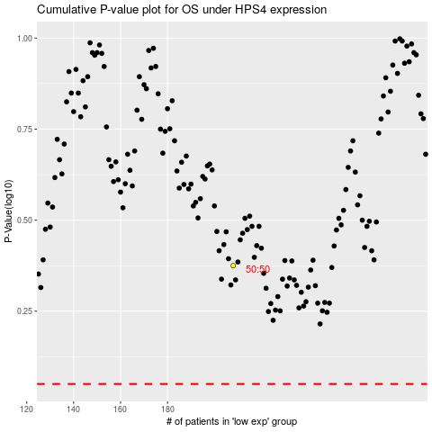

 |  |  |  |  |  | cases_OS | p_OS | rank | exp
 |  |  |  |  |  |  | cases_RFS | p_RFS | rank | exp

