HPS6 _multivariate
Reported by Tex Li-Hsing Chi. tex@gate.sinica.edu.tw 2019-08-19

Table 2. The clinicopathological features of HNSCC cohort and HPS6 expression. (Chi square test)
Cutoff at -0.03 (50.0%)
 |  | HPS6 expression |  | HPS6 expression |  | (Optimised)
 | Features | Low | (%) | High | (%) | Case no | P-value | Remark | Matthews
Gender | Female | 166 | 40 | 140 | 33.7 | 415 | 0.0041 | 1 | 0
2 | Male | 41 | 9.9 | 68 | 16.4
Age at diagnosis | <=65y | 143 | 34.5 | 131 | 31.6 | 415 | 0.2269 | 0 | 0
4 | >65y | 64 | 15.4 | 77 | 18.6
Clinical T Status | T1+T2 | 76 | 18.3 | 73 | 17.6 | 415 | 0.8092 | 0 | 0
6 | T3+T4 | 131 | 31.6 | 135 | 32.5
Clinical N Status | N0 | 105 | 25.3 | 111 | 26.7 | 415 | 0.6598 | 0 | 0
8 | N1-3 | 102 | 24.6 | 97 | 23.4
Clinical M Status | M0 | 207 | 49.9 | 205 | 49.4 | 415 | 0.2482 | 0 | 0
10 | M1 | 0 | 0 | 3 | 0.7
Clinical Stage | Stage I+II | 44 | 10.6 | 58 | 14 | 415 | 0.1459 | 0 | 0
12 | Stage III+IV | 163 | 39.3 | 150 | 36.1
Surgical Margin status | Negative | 154 | 37.1 | 164 | 39.5 | 415 | 0.2984 | 0 | 0
14 | Positive | 53 | 12.8 | 44 | 10.6
Tobacco Exposure | Low | 62 | 14.9 | 99 | 23.9 | 415 | 3e-04 | 1 | 0
16 | High | 145 | 34.9 | 109 | 26.3

Table 3. Univariate/Multivariate Cox's proportional hazards regression analyses on OS time of HPS6 gene expression in HNSCC

 |  | Univariate |  |  |  | Multivariate
 | Features | HR | CI95%(L) | CI95%(H) | P-value | HR | CI95%(L) | CI95%(H) | P-value
1 | Female | 1 |  |  |  | 1
Gender | Male | 1.157 | 0.843 | 1.587 | 0.367 | 1.19 | 0.85 | 1.667 | 0.311
11 | <=65y | 1 |  |  |  | 1
Age at diagnosis | >65y | 1.329 | 0.99 | 1.784 | 0.058 | 1.395 | 1.025 | 1.897 | 0.034
12 | T1+T2 | 1 |  |  |  | 1
Clinical T Status | T3+T4 | 1.409 | 1.028 | 1.931 | 0.033 | 2.158 | 1.135 | 4.103 | 0.019
13 | N0 | 1 |  |  |  | 1
Clinical N Status | N1-3 | 1.185 | 0.89 | 1.577 | 0.246 | 1.234 | 0.864 | 1.761 | 0.248
14 | M0 | 1 |  |  |  | 1
Clinical M Status | M1 | 4.097 | 1.009 | 16.644 | 0.049 | 8.877 | 1.903 | 41.413 | 0.005
15 | Stage I+II | 1 |  |  |  | 1
Clinical Stage | Stage III+IV | 1.245 | 0.882 | 1.759 | 0.213 | 0.521 | 0.24 | 1.133 | 0.1
16 | Negative | 1 |  |  |  | 1
Surgical Margin status | Positive | 1.591 | 1.155 | 2.191 | 0.004 | 1.679 | 1.215 | 2.321 | 0.002
17 | Low | 1 |  |  |  | 1
Tobacco Exposure | High | 1.364 | 1.008 | 1.844 | 0.044 | 1.475 | 1.064 | 2.045 | 0.02
18 | Low | 1 |  |  |  | 1
RNAseq(z-score) | High | 1.069 | 0.803 | 1.425 | 0.647 | 1.079 | 0.795 | 1.464 | 0.627

Table 4. Univariate/Multivariate Cox's proportional hazards regression analyses on RFS time of HPS6 gene expression in HNSCC

 |  | Univariate |  |  |  | Multivariate
 | Features | HR | CI95%(L) | CI95%(H) | P-value | HR | CI95%(L) | CI95%(H) | P-value
1 | Female | 1 |  |  |  | 1
Gender | Male | 1.157 | 0.843 | 1.587 | 0.367 | 1.19 | 0.85 | 1.667 | 0.311
11 | <=65y | 1 |  |  |  | 1
Age at diagnosis | >65y | 1.329 | 0.99 | 1.784 | 0.058 | 1.395 | 1.025 | 1.897 | 0.034
12 | T1+T2 | 1 |  |  |  | 1
Clinical T Status | T3+T4 | 1.409 | 1.028 | 1.931 | 0.033 | 2.158 | 1.135 | 4.103 | 0.019
13 | N0 | 1 |  |  |  | 1
Clinical N Status | N1-3 | 1.185 | 0.89 | 1.577 | 0.246 | 1.234 | 0.864 | 1.761 | 0.248
14 | M0 | 1 |  |  |  | 1
Clinical M Status | M1 | 4.097 | 1.009 | 16.644 | 0.049 | 8.877 | 1.903 | 41.413 | 0.005
15 | Stage I+II | 1 |  |  |  | 1
Clinical Stage | Stage III+IV | 1.245 | 0.882 | 1.759 | 0.213 | 0.521 | 0.24 | 1.133 | 0.1
16 | Negative | 1 |  |  |  | 1
Surgical Margin status | Positive | 1.591 | 1.155 | 2.191 | 0.004 | 1.679 | 1.215 | 2.321 | 0.002
17 | Low | 1 |  |  |  | 1
Tobacco Exposure | High | 1.364 | 1.008 | 1.844 | 0.044 | 1.475 | 1.064 | 2.045 | 0.02
18 | Low | 1 |  |  |  | 1
RNAseq(z-score) | High | 1.069 | 0.803 | 1.425 | 0.647 | 1.079 | 0.795 | 1.464 | 0.627

Kaplan-Meier survival estimate: Cutoff at -0.03 (50.0%)



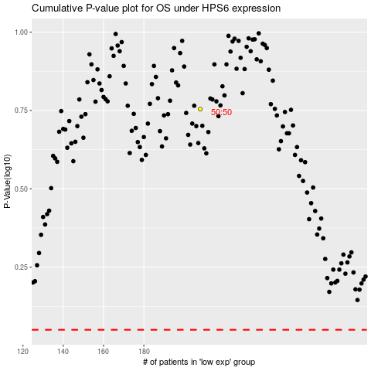

 |  |  |  |  |  | cases_OS | p_OS | rank | exp
 |  |  |  |  |  |  | cases_RFS | p_RFS | rank | exp

