HPSE _multivariate
Reported by Tex Li-Hsing Chi. tex@gate.sinica.edu.tw 2019-08-19

Table 2. The clinicopathological features of HNSCC cohort and HPSE expression. (Chi square test)
Cutoff at -0.264 (50.0%)
 |  | HPSE expression |  | HPSE expression |  | (Optimised)
 | Features | Low | (%) | High | (%) | Case no | P-value | Remark | Matthews
Gender | Female | 156 | 37.6 | 150 | 36.1 | 415 | 0.5222 | 0 | 0
2 | Male | 51 | 12.3 | 58 | 14
Age at diagnosis | <=65y | 143 | 34.5 | 131 | 31.6 | 415 | 0.2269 | 0 | 0
4 | >65y | 64 | 15.4 | 77 | 18.6
Clinical T Status | T1+T2 | 86 | 20.7 | 63 | 15.2 | 415 | 0.0221 | 1 | 0
6 | T3+T4 | 121 | 29.2 | 145 | 34.9
Clinical N Status | N0 | 102 | 24.6 | 114 | 27.5 | 415 | 0.3031 | 0 | 0
8 | N1-3 | 105 | 25.3 | 94 | 22.7
Clinical M Status | M0 | 205 | 49.4 | 207 | 49.9 | 415 | 0.6232 | 0 | 0
10 | M1 | 2 | 0.5 | 1 | 0.2
Clinical Stage | Stage I+II | 58 | 14 | 44 | 10.6 | 415 | 0.131 | 0 | 0
12 | Stage III+IV | 149 | 35.9 | 164 | 39.5
Surgical Margin status | Negative | 156 | 37.6 | 162 | 39 | 415 | 0.5636 | 0 | 0
14 | Positive | 51 | 12.3 | 46 | 11.1
Tobacco Exposure | Low | 91 | 21.9 | 70 | 16.9 | 415 | 0.0346 | 1 | 0
16 | High | 116 | 28 | 138 | 33.3

Table 3. Univariate/Multivariate Cox's proportional hazards regression analyses on OS time of HPSE gene expression in HNSCC

 |  | Univariate |  |  |  | Multivariate
 | Features | HR | CI95%(L) | CI95%(H) | P-value | HR | CI95%(L) | CI95%(H) | P-value
1 | Female | 1 |  |  |  | 1
Gender | Male | 1.157 | 0.843 | 1.587 | 0.367 | 1.213 | 0.867 | 1.697 | 0.26
11 | <=65y | 1 |  |  |  | 1
Age at diagnosis | >65y | 1.329 | 0.99 | 1.784 | 0.058 | 1.395 | 1.025 | 1.897 | 0.034
12 | T1+T2 | 1 |  |  |  | 1
Clinical T Status | T3+T4 | 1.409 | 1.028 | 1.931 | 0.033 | 2.209 | 1.168 | 4.177 | 0.015
13 | N0 | 1 |  |  |  | 1
Clinical N Status | N1-3 | 1.185 | 0.89 | 1.577 | 0.246 | 1.225 | 0.856 | 1.753 | 0.267
14 | M0 | 1 |  |  |  | 1
Clinical M Status | M1 | 4.097 | 1.009 | 16.644 | 0.049 | 9.414 | 2.054 | 43.151 | 0.004
15 | Stage I+II | 1 |  |  |  | 1
Clinical Stage | Stage III+IV | 1.245 | 0.882 | 1.759 | 0.213 | 0.512 | 0.238 | 1.101 | 0.087
16 | Negative | 1 |  |  |  | 1
Surgical Margin status | Positive | 1.591 | 1.155 | 2.191 | 0.004 | 1.668 | 1.207 | 2.305 | 0.002
17 | Low | 1 |  |  |  | 1
Tobacco Exposure | High | 1.364 | 1.008 | 1.844 | 0.044 | 1.468 | 1.063 | 2.027 | 0.02
18 | Low | 1 |  |  |  | 1
RNAseq(z-score) | High | 0.995 | 0.746 | 1.325 | 0.97 | 0.92 | 0.685 | 1.235 | 0.578

Table 4. Univariate/Multivariate Cox's proportional hazards regression analyses on RFS time of HPSE gene expression in HNSCC

 |  | Univariate |  |  |  | Multivariate
 | Features | HR | CI95%(L) | CI95%(H) | P-value | HR | CI95%(L) | CI95%(H) | P-value
1 | Female | 1 |  |  |  | 1
Gender | Male | 1.157 | 0.843 | 1.587 | 0.367 | 1.213 | 0.867 | 1.697 | 0.26
11 | <=65y | 1 |  |  |  | 1
Age at diagnosis | >65y | 1.329 | 0.99 | 1.784 | 0.058 | 1.395 | 1.025 | 1.897 | 0.034
12 | T1+T2 | 1 |  |  |  | 1
Clinical T Status | T3+T4 | 1.409 | 1.028 | 1.931 | 0.033 | 2.209 | 1.168 | 4.177 | 0.015
13 | N0 | 1 |  |  |  | 1
Clinical N Status | N1-3 | 1.185 | 0.89 | 1.577 | 0.246 | 1.225 | 0.856 | 1.753 | 0.267
14 | M0 | 1 |  |  |  | 1
Clinical M Status | M1 | 4.097 | 1.009 | 16.644 | 0.049 | 9.414 | 2.054 | 43.151 | 0.004
15 | Stage I+II | 1 |  |  |  | 1
Clinical Stage | Stage III+IV | 1.245 | 0.882 | 1.759 | 0.213 | 0.512 | 0.238 | 1.101 | 0.087
16 | Negative | 1 |  |  |  | 1
Surgical Margin status | Positive | 1.591 | 1.155 | 2.191 | 0.004 | 1.668 | 1.207 | 2.305 | 0.002
17 | Low | 1 |  |  |  | 1
Tobacco Exposure | High | 1.364 | 1.008 | 1.844 | 0.044 | 1.468 | 1.063 | 2.027 | 0.02
18 | Low | 1 |  |  |  | 1
RNAseq(z-score) | High | 0.995 | 0.746 | 1.325 | 0.97 | 0.92 | 0.685 | 1.235 | 0.578

Kaplan-Meier survival estimate: Cutoff at -0.264 (50.0%)



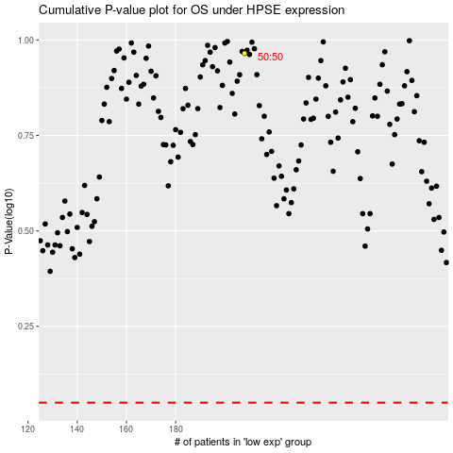

 |  |  |  |  |  | cases_OS | p_OS | rank | exp
 |  |  |  |  |  |  | cases_RFS | p_RFS | rank | exp

