HR _multivariate
Reported by Tex Li-Hsing Chi. tex@gate.sinica.edu.tw 2019-08-19

Table 2. The clinicopathological features of HNSCC cohort and HR expression. (Chi square test)
Cutoff at -0.214 (49.8%)
 |  | HR expression |  | HR expression |  | (Optimised)
 | Features | Low | (%) | High | (%) | Case no | P-value | Remark | Matthews
Gender | Female | 156 | 37.6 | 150 | 36.1 | 415 | 0.5222 | 0 | 0
2 | Male | 51 | 12.3 | 58 | 14
Age at diagnosis | <=65y | 132 | 31.8 | 142 | 34.2 | 415 | 0.3874 | 0 | 0
4 | >65y | 75 | 18.1 | 66 | 15.9
Clinical T Status | T1+T2 | 84 | 20.2 | 65 | 15.7 | 415 | 0.0603 | 0 | 0
6 | T3+T4 | 123 | 29.6 | 143 | 34.5
Clinical N Status | N0 | 107 | 25.8 | 109 | 26.3 | 415 | 0.9624 | 0 | 0
8 | N1-3 | 100 | 24.1 | 99 | 23.9
Clinical M Status | M0 | 207 | 49.9 | 205 | 49.4 | 415 | 0.2482 | 0 | 0
10 | M1 | 0 | 0 | 3 | 0.7
Clinical Stage | Stage I+II | 57 | 13.7 | 45 | 10.8 | 415 | 0.1998 | 0 | 0
12 | Stage III+IV | 150 | 36.1 | 163 | 39.3
Surgical Margin status | Negative | 151 | 36.4 | 167 | 40.2 | 415 | 0.0828 | 0 | 0
14 | Positive | 56 | 13.5 | 41 | 9.9
Tobacco Exposure | Low | 91 | 21.9 | 70 | 16.9 | 415 | 0.0346 | 1 | 0
16 | High | 116 | 28 | 138 | 33.3

Table 3. Univariate/Multivariate Cox's proportional hazards regression analyses on OS time of HR gene expression in HNSCC

 |  | Univariate |  |  |  | Multivariate
 | Features | HR | CI95%(L) | CI95%(H) | P-value | HR | CI95%(L) | CI95%(H) | P-value
1 | Female | 1 |  |  |  | 1
Gender | Male | 1.157 | 0.843 | 1.587 | 0.367 | 1.21 | 0.865 | 1.692 | 0.266
11 | <=65y | 1 |  |  |  | 1
Age at diagnosis | >65y | 1.329 | 0.99 | 1.784 | 0.058 | 1.381 | 1.014 | 1.881 | 0.041
12 | T1+T2 | 1 |  |  |  | 1
Clinical T Status | T3+T4 | 1.409 | 1.028 | 1.931 | 0.033 | 2.207 | 1.167 | 4.174 | 0.015
13 | N0 | 1 |  |  |  | 1
Clinical N Status | N1-3 | 1.185 | 0.89 | 1.577 | 0.246 | 1.233 | 0.863 | 1.762 | 0.249
14 | M0 | 1 |  |  |  | 1
Clinical M Status | M1 | 4.097 | 1.009 | 16.644 | 0.049 | 9.767 | 2.111 | 45.185 | 0.004
15 | Stage I+II | 1 |  |  |  | 1
Clinical Stage | Stage III+IV | 1.245 | 0.882 | 1.759 | 0.213 | 0.508 | 0.237 | 1.092 | 0.083
16 | Negative | 1 |  |  |  | 1
Surgical Margin status | Positive | 1.591 | 1.155 | 2.191 | 0.004 | 1.666 | 1.205 | 2.302 | 0.002
17 | Low | 1 |  |  |  | 1
Tobacco Exposure | High | 1.364 | 1.008 | 1.844 | 0.044 | 1.468 | 1.062 | 2.028 | 0.02
18 | Low | 1 |  |  |  | 1
RNAseq(z-score) | High | 0.982 | 0.736 | 1.309 | 0.9 | 0.935 | 0.695 | 1.258 | 0.657

Table 4. Univariate/Multivariate Cox's proportional hazards regression analyses on RFS time of HR gene expression in HNSCC

 |  | Univariate |  |  |  | Multivariate
 | Features | HR | CI95%(L) | CI95%(H) | P-value | HR | CI95%(L) | CI95%(H) | P-value
1 | Female | 1 |  |  |  | 1
Gender | Male | 1.157 | 0.843 | 1.587 | 0.367 | 1.21 | 0.865 | 1.692 | 0.266
11 | <=65y | 1 |  |  |  | 1
Age at diagnosis | >65y | 1.329 | 0.99 | 1.784 | 0.058 | 1.381 | 1.014 | 1.881 | 0.041
12 | T1+T2 | 1 |  |  |  | 1
Clinical T Status | T3+T4 | 1.409 | 1.028 | 1.931 | 0.033 | 2.207 | 1.167 | 4.174 | 0.015
13 | N0 | 1 |  |  |  | 1
Clinical N Status | N1-3 | 1.185 | 0.89 | 1.577 | 0.246 | 1.233 | 0.863 | 1.762 | 0.249
14 | M0 | 1 |  |  |  | 1
Clinical M Status | M1 | 4.097 | 1.009 | 16.644 | 0.049 | 9.767 | 2.111 | 45.185 | 0.004
15 | Stage I+II | 1 |  |  |  | 1
Clinical Stage | Stage III+IV | 1.245 | 0.882 | 1.759 | 0.213 | 0.508 | 0.237 | 1.092 | 0.083
16 | Negative | 1 |  |  |  | 1
Surgical Margin status | Positive | 1.591 | 1.155 | 2.191 | 0.004 | 1.666 | 1.205 | 2.302 | 0.002
17 | Low | 1 |  |  |  | 1
Tobacco Exposure | High | 1.364 | 1.008 | 1.844 | 0.044 | 1.468 | 1.062 | 2.028 | 0.02
18 | Low | 1 |  |  |  | 1
RNAseq(z-score) | High | 0.982 | 0.736 | 1.309 | 0.9 | 0.935 | 0.695 | 1.258 | 0.657

Kaplan-Meier survival estimate: Cutoff at -0.214 (49.8%)



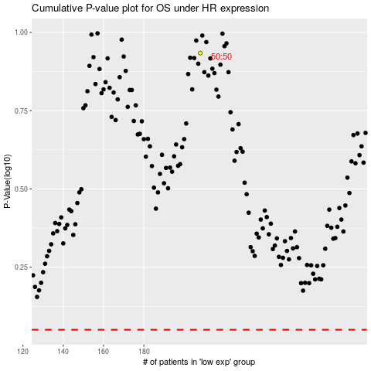

 |  |  |  |  |  | cases_OS | p_OS | rank | exp
 |  |  |  |  |  |  | cases_RFS | p_RFS | rank | exp

