HRAS _multivariate
Reported by Tex Li-Hsing Chi. tex@gate.sinica.edu.tw 2019-08-19

Table 2. The clinicopathological features of HNSCC cohort and HRAS expression. (Chi square test)
Cutoff at -0.225 (50.0%)
 |  | HRAS expression |  | HRAS expression |  | (Optimised)
 | Features | Low | (%) | High | (%) | Case no | P-value | Remark | Matthews
Gender | Female | 156 | 37.6 | 150 | 36.1 | 415 | 0.5222 | 0 | 0
2 | Male | 51 | 12.3 | 58 | 14
Age at diagnosis | <=65y | 141 | 34 | 133 | 32 | 415 | 0.4272 | 0 | 0
4 | >65y | 66 | 15.9 | 75 | 18.1
Clinical T Status | T1+T2 | 74 | 17.8 | 75 | 18.1 | 415 | 1 | 0 | 0
6 | T3+T4 | 133 | 32 | 133 | 32
Clinical N Status | N0 | 102 | 24.6 | 114 | 27.5 | 415 | 0.3031 | 0 | 0
8 | N1-3 | 105 | 25.3 | 94 | 22.7
Clinical M Status | M0 | 206 | 49.6 | 206 | 49.6 | 415 | 1 | 0 | 0
10 | M1 | 1 | 0.2 | 2 | 0.5
Clinical Stage | Stage I+II | 46 | 11.1 | 56 | 13.5 | 415 | 0.3182 | 0 | 0
12 | Stage III+IV | 161 | 38.8 | 152 | 36.6
Surgical Margin status | Negative | 162 | 39 | 156 | 37.6 | 415 | 0.4867 | 0 | 0
14 | Positive | 45 | 10.8 | 52 | 12.5
Tobacco Exposure | Low | 71 | 17.1 | 90 | 21.7 | 415 | 0.0698 | 0 | 0
16 | High | 136 | 32.8 | 118 | 28.4

Table 3. Univariate/Multivariate Cox's proportional hazards regression analyses on OS time of HRAS gene expression in HNSCC

 |  | Univariate |  |  |  | Multivariate
 | Features | HR | CI95%(L) | CI95%(H) | P-value | HR | CI95%(L) | CI95%(H) | P-value
1 | Female | 1 |  |  |  | 1
Gender | Male | 1.157 | 0.843 | 1.587 | 0.367 | 1.21 | 0.866 | 1.692 | 0.265
11 | <=65y | 1 |  |  |  | 1
Age at diagnosis | >65y | 1.329 | 0.99 | 1.784 | 0.058 | 1.401 | 1.029 | 1.906 | 0.032
12 | T1+T2 | 1 |  |  |  | 1
Clinical T Status | T3+T4 | 1.409 | 1.028 | 1.931 | 0.033 | 2.217 | 1.172 | 4.195 | 0.014
13 | N0 | 1 |  |  |  | 1
Clinical N Status | N1-3 | 1.185 | 0.89 | 1.577 | 0.246 | 1.238 | 0.867 | 1.767 | 0.239
14 | M0 | 1 |  |  |  | 1
Clinical M Status | M1 | 4.097 | 1.009 | 16.644 | 0.049 | 9.725 | 2.109 | 44.84 | 0.004
15 | Stage I+II | 1 |  |  |  | 1
Clinical Stage | Stage III+IV | 1.245 | 0.882 | 1.759 | 0.213 | 0.5 | 0.233 | 1.073 | 0.075
16 | Negative | 1 |  |  |  | 1
Surgical Margin status | Positive | 1.591 | 1.155 | 2.191 | 0.004 | 1.687 | 1.218 | 2.336 | 0.002
17 | Low | 1 |  |  |  | 1
Tobacco Exposure | High | 1.364 | 1.008 | 1.844 | 0.044 | 1.447 | 1.05 | 1.994 | 0.024
18 | Low | 1 |  |  |  | 1
RNAseq(z-score) | High | 1.01 | 0.757 | 1.346 | 0.949 | 0.929 | 0.692 | 1.248 | 0.626

Table 4. Univariate/Multivariate Cox's proportional hazards regression analyses on RFS time of HRAS gene expression in HNSCC

 |  | Univariate |  |  |  | Multivariate
 | Features | HR | CI95%(L) | CI95%(H) | P-value | HR | CI95%(L) | CI95%(H) | P-value
1 | Female | 1 |  |  |  | 1
Gender | Male | 1.157 | 0.843 | 1.587 | 0.367 | 1.21 | 0.866 | 1.692 | 0.265
11 | <=65y | 1 |  |  |  | 1
Age at diagnosis | >65y | 1.329 | 0.99 | 1.784 | 0.058 | 1.401 | 1.029 | 1.906 | 0.032
12 | T1+T2 | 1 |  |  |  | 1
Clinical T Status | T3+T4 | 1.409 | 1.028 | 1.931 | 0.033 | 2.217 | 1.172 | 4.195 | 0.014
13 | N0 | 1 |  |  |  | 1
Clinical N Status | N1-3 | 1.185 | 0.89 | 1.577 | 0.246 | 1.238 | 0.867 | 1.767 | 0.239
14 | M0 | 1 |  |  |  | 1
Clinical M Status | M1 | 4.097 | 1.009 | 16.644 | 0.049 | 9.725 | 2.109 | 44.84 | 0.004
15 | Stage I+II | 1 |  |  |  | 1
Clinical Stage | Stage III+IV | 1.245 | 0.882 | 1.759 | 0.213 | 0.5 | 0.233 | 1.073 | 0.075
16 | Negative | 1 |  |  |  | 1
Surgical Margin status | Positive | 1.591 | 1.155 | 2.191 | 0.004 | 1.687 | 1.218 | 2.336 | 0.002
17 | Low | 1 |  |  |  | 1
Tobacco Exposure | High | 1.364 | 1.008 | 1.844 | 0.044 | 1.447 | 1.05 | 1.994 | 0.024
18 | Low | 1 |  |  |  | 1
RNAseq(z-score) | High | 1.01 | 0.757 | 1.346 | 0.949 | 0.929 | 0.692 | 1.248 | 0.626

Kaplan-Meier survival estimate: Cutoff at -0.225 (50.0%)



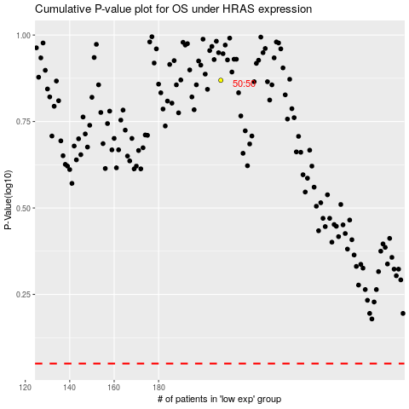

 |  |  |  |  |  | cases_OS | p_OS | rank | exp
 |  |  |  |  |  |  | cases_RFS | p_RFS | rank | exp

