HRASLS _multivariate
Reported by Tex Li-Hsing Chi. tex@gate.sinica.edu.tw 2019-08-19

Table 2. The clinicopathological features of HNSCC cohort and HRASLS expression. (Chi square test)
Cutoff at -0.481 (50.0%)
 |  | HRASLS expression |  | HRASLS expression |  | (Optimised)
 | Features | Low | (%) | High | (%) | Case no | P-value | Remark | Matthews
Gender | Female | 150 | 36.1 | 156 | 37.6 | 415 | 0.6344 | 0 | 0
2 | Male | 57 | 13.7 | 52 | 12.5
Age at diagnosis | <=65y | 131 | 31.6 | 143 | 34.5 | 415 | 0.2839 | 0 | 0
4 | >65y | 76 | 18.3 | 65 | 15.7
Clinical T Status | T1+T2 | 67 | 16.1 | 82 | 19.8 | 415 | 0.1628 | 0 | 0
6 | T3+T4 | 140 | 33.7 | 126 | 30.4
Clinical N Status | N0 | 100 | 24.1 | 116 | 28 | 415 | 0.1548 | 0 | 0
8 | N1-3 | 107 | 25.8 | 92 | 22.2
Clinical M Status | M0 | 205 | 49.4 | 207 | 49.9 | 415 | 0.6232 | 0 | 0
10 | M1 | 2 | 0.5 | 1 | 0.2
Clinical Stage | Stage I+II | 49 | 11.8 | 53 | 12.8 | 415 | 0.7535 | 0 | 0
12 | Stage III+IV | 158 | 38.1 | 155 | 37.3
Surgical Margin status | Negative | 155 | 37.3 | 163 | 39.3 | 415 | 0.4187 | 0 | 0
14 | Positive | 52 | 12.5 | 45 | 10.8
Tobacco Exposure | Low | 88 | 21.2 | 73 | 17.6 | 415 | 0.1314 | 0 | 0
16 | High | 119 | 28.7 | 135 | 32.5

Table 3. Univariate/Multivariate Cox's proportional hazards regression analyses on OS time of HRASLS gene expression in HNSCC

 |  | Univariate |  |  |  | Multivariate
 | Features | HR | CI95%(L) | CI95%(H) | P-value | HR | CI95%(L) | CI95%(H) | P-value
1 | Female | 1 |  |  |  | 1
Gender | Male | 1.157 | 0.843 | 1.587 | 0.367 | 1.203 | 0.861 | 1.681 | 0.278
11 | <=65y | 1 |  |  |  | 1
Age at diagnosis | >65y | 1.329 | 0.99 | 1.784 | 0.058 | 1.386 | 1.019 | 1.885 | 0.037
12 | T1+T2 | 1 |  |  |  | 1
Clinical T Status | T3+T4 | 1.409 | 1.028 | 1.931 | 0.033 | 2.135 | 1.125 | 4.052 | 0.02
13 | N0 | 1 |  |  |  | 1
Clinical N Status | N1-3 | 1.185 | 0.89 | 1.577 | 0.246 | 1.208 | 0.842 | 1.732 | 0.304
14 | M0 | 1 |  |  |  | 1
Clinical M Status | M1 | 4.097 | 1.009 | 16.644 | 0.049 | 9.174 | 1.999 | 42.097 | 0.004
15 | Stage I+II | 1 |  |  |  | 1
Clinical Stage | Stage III+IV | 1.245 | 0.882 | 1.759 | 0.213 | 0.522 | 0.242 | 1.124 | 0.097
16 | Negative | 1 |  |  |  | 1
Surgical Margin status | Positive | 1.591 | 1.155 | 2.191 | 0.004 | 1.674 | 1.211 | 2.312 | 0.002
17 | Low | 1 |  |  |  | 1
Tobacco Exposure | High | 1.364 | 1.008 | 1.844 | 0.044 | 1.483 | 1.072 | 2.05 | 0.017
18 | Low | 1 |  |  |  | 1
RNAseq(z-score) | High | 0.851 | 0.638 | 1.136 | 0.274 | 0.875 | 0.651 | 1.177 | 0.377

Table 4. Univariate/Multivariate Cox's proportional hazards regression analyses on RFS time of HRASLS gene expression in HNSCC

 |  | Univariate |  |  |  | Multivariate
 | Features | HR | CI95%(L) | CI95%(H) | P-value | HR | CI95%(L) | CI95%(H) | P-value
1 | Female | 1 |  |  |  | 1
Gender | Male | 1.157 | 0.843 | 1.587 | 0.367 | 1.203 | 0.861 | 1.681 | 0.278
11 | <=65y | 1 |  |  |  | 1
Age at diagnosis | >65y | 1.329 | 0.99 | 1.784 | 0.058 | 1.386 | 1.019 | 1.885 | 0.037
12 | T1+T2 | 1 |  |  |  | 1
Clinical T Status | T3+T4 | 1.409 | 1.028 | 1.931 | 0.033 | 2.135 | 1.125 | 4.052 | 0.02
13 | N0 | 1 |  |  |  | 1
Clinical N Status | N1-3 | 1.185 | 0.89 | 1.577 | 0.246 | 1.208 | 0.842 | 1.732 | 0.304
14 | M0 | 1 |  |  |  | 1
Clinical M Status | M1 | 4.097 | 1.009 | 16.644 | 0.049 | 9.174 | 1.999 | 42.097 | 0.004
15 | Stage I+II | 1 |  |  |  | 1
Clinical Stage | Stage III+IV | 1.245 | 0.882 | 1.759 | 0.213 | 0.522 | 0.242 | 1.124 | 0.097
16 | Negative | 1 |  |  |  | 1
Surgical Margin status | Positive | 1.591 | 1.155 | 2.191 | 0.004 | 1.674 | 1.211 | 2.312 | 0.002
17 | Low | 1 |  |  |  | 1
Tobacco Exposure | High | 1.364 | 1.008 | 1.844 | 0.044 | 1.483 | 1.072 | 2.05 | 0.017
18 | Low | 1 |  |  |  | 1
RNAseq(z-score) | High | 0.851 | 0.638 | 1.136 | 0.274 | 0.875 | 0.651 | 1.177 | 0.377

Kaplan-Meier survival estimate: Cutoff at -0.481 (50.0%)



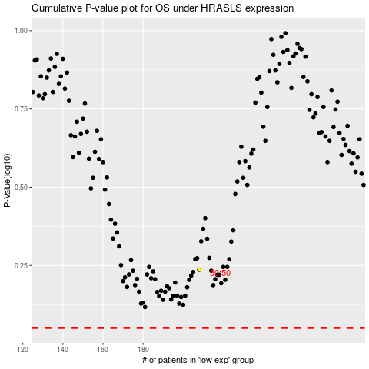

 |  |  |  |  |  | cases_OS | p_OS | rank | exp
 |  |  |  |  |  |  | cases_RFS | p_RFS | rank | exp

