HRASLS2 _multivariate
Reported by Tex Li-Hsing Chi. tex@gate.sinica.edu.tw 2019-08-19

Table 2. The clinicopathological features of HNSCC cohort and HRASLS2 expression. (Chi square test)
Cutoff at -0.244 (50.0%)
 |  | HRASLS2 expression |  | HRASLS2 expression |  | (Optimised)
 | Features | Low | (%) | High | (%) | Case no | P-value | Remark | Matthews
Gender | Female | 163 | 39.3 | 143 | 34.5 | 415 | 0.0277 | 1 | 0
2 | Male | 44 | 10.6 | 65 | 15.7
Age at diagnosis | <=65y | 139 | 33.5 | 135 | 32.5 | 415 | 0.7044 | 0 | 0
4 | >65y | 68 | 16.4 | 73 | 17.6
Clinical T Status | T1+T2 | 79 | 19 | 70 | 16.9 | 415 | 0.3924 | 0 | 0
6 | T3+T4 | 128 | 30.8 | 138 | 33.3
Clinical N Status | N0 | 104 | 25.1 | 112 | 27 | 415 | 0.5243 | 0 | 0
8 | N1-3 | 103 | 24.8 | 96 | 23.1
Clinical M Status | M0 | 205 | 49.4 | 207 | 49.9 | 415 | 0.6232 | 0 | 0
10 | M1 | 2 | 0.5 | 1 | 0.2
Clinical Stage | Stage I+II | 53 | 12.8 | 49 | 11.8 | 415 | 0.7113 | 0 | 0
12 | Stage III+IV | 154 | 37.1 | 159 | 38.3
Surgical Margin status | Negative | 158 | 38.1 | 160 | 38.6 | 415 | 0.9081 | 0 | 0
14 | Positive | 49 | 11.8 | 48 | 11.6
Tobacco Exposure | Low | 78 | 18.8 | 83 | 20 | 415 | 0.6873 | 0 | 0
16 | High | 129 | 31.1 | 125 | 30.1

Table 3. Univariate/Multivariate Cox's proportional hazards regression analyses on OS time of HRASLS2 gene expression in HNSCC

 |  | Univariate |  |  |  | Multivariate
 | Features | HR | CI95%(L) | CI95%(H) | P-value | HR | CI95%(L) | CI95%(H) | P-value
1 | Female | 1 |  |  |  | 1
Gender | Male | 1.157 | 0.843 | 1.587 | 0.367 | 1.219 | 0.869 | 1.71 | 0.251
11 | <=65y | 1 |  |  |  | 1
Age at diagnosis | >65y | 1.329 | 0.99 | 1.784 | 0.058 | 1.394 | 1.026 | 1.896 | 0.034
12 | T1+T2 | 1 |  |  |  | 1
Clinical T Status | T3+T4 | 1.409 | 1.028 | 1.931 | 0.033 | 2.22 | 1.173 | 4.199 | 0.014
13 | N0 | 1 |  |  |  | 1
Clinical N Status | N1-3 | 1.185 | 0.89 | 1.577 | 0.246 | 1.237 | 0.867 | 1.765 | 0.241
14 | M0 | 1 |  |  |  | 1
Clinical M Status | M1 | 4.097 | 1.009 | 16.644 | 0.049 | 9.451 | 2.061 | 43.329 | 0.004
15 | Stage I+II | 1 |  |  |  | 1
Clinical Stage | Stage III+IV | 1.245 | 0.882 | 1.759 | 0.213 | 0.503 | 0.235 | 1.08 | 0.078
16 | Negative | 1 |  |  |  | 1
Surgical Margin status | Positive | 1.591 | 1.155 | 2.191 | 0.004 | 1.683 | 1.217 | 2.329 | 0.002
17 | Low | 1 |  |  |  | 1
Tobacco Exposure | High | 1.364 | 1.008 | 1.844 | 0.044 | 1.449 | 1.052 | 1.997 | 0.023
18 | Low | 1 |  |  |  | 1
RNAseq(z-score) | High | 0.995 | 0.748 | 1.325 | 0.975 | 0.925 | 0.69 | 1.24 | 0.601

Table 4. Univariate/Multivariate Cox's proportional hazards regression analyses on RFS time of HRASLS2 gene expression in HNSCC

 |  | Univariate |  |  |  | Multivariate
 | Features | HR | CI95%(L) | CI95%(H) | P-value | HR | CI95%(L) | CI95%(H) | P-value
1 | Female | 1 |  |  |  | 1
Gender | Male | 1.157 | 0.843 | 1.587 | 0.367 | 1.219 | 0.869 | 1.71 | 0.251
11 | <=65y | 1 |  |  |  | 1
Age at diagnosis | >65y | 1.329 | 0.99 | 1.784 | 0.058 | 1.394 | 1.026 | 1.896 | 0.034
12 | T1+T2 | 1 |  |  |  | 1
Clinical T Status | T3+T4 | 1.409 | 1.028 | 1.931 | 0.033 | 2.22 | 1.173 | 4.199 | 0.014
13 | N0 | 1 |  |  |  | 1
Clinical N Status | N1-3 | 1.185 | 0.89 | 1.577 | 0.246 | 1.237 | 0.867 | 1.765 | 0.241
14 | M0 | 1 |  |  |  | 1
Clinical M Status | M1 | 4.097 | 1.009 | 16.644 | 0.049 | 9.451 | 2.061 | 43.329 | 0.004
15 | Stage I+II | 1 |  |  |  | 1
Clinical Stage | Stage III+IV | 1.245 | 0.882 | 1.759 | 0.213 | 0.503 | 0.235 | 1.08 | 0.078
16 | Negative | 1 |  |  |  | 1
Surgical Margin status | Positive | 1.591 | 1.155 | 2.191 | 0.004 | 1.683 | 1.217 | 2.329 | 0.002
17 | Low | 1 |  |  |  | 1
Tobacco Exposure | High | 1.364 | 1.008 | 1.844 | 0.044 | 1.449 | 1.052 | 1.997 | 0.023
18 | Low | 1 |  |  |  | 1
RNAseq(z-score) | High | 0.995 | 0.748 | 1.325 | 0.975 | 0.925 | 0.69 | 1.24 | 0.601

Kaplan-Meier survival estimate: Cutoff at -0.244 (50.0%)



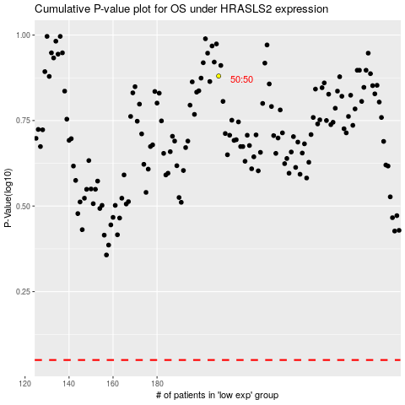

 |  |  |  |  |  | cases_OS | p_OS | rank | exp
 |  |  |  |  |  |  | cases_RFS | p_RFS | rank | exp

