HRH4 _multivariate
Reported by Tex Li-Hsing Chi. tex@gate.sinica.edu.tw 2019-08-19

Table 2. The clinicopathological features of HNSCC cohort and HRH4 expression. (Chi square test)
Cutoff at -0.11 (49.8%)
 |  | HRH4 expression |  | HRH4 expression |  | (Optimised)
 | Features | Low | (%) | High | (%) | Case no | P-value | Remark | Matthews
Gender | Female | 153 | 36.9 | 153 | 36.9 | 415 | 1 | 0 | 0
2 | Male | 54 | 13 | 55 | 13.3
Age at diagnosis | <=65y | 130 | 31.3 | 144 | 34.7 | 415 | 0.2009 | 0 | 0
4 | >65y | 77 | 18.6 | 64 | 15.4
Clinical T Status | T1+T2 | 74 | 17.8 | 75 | 18.1 | 415 | 1 | 0 | 0
6 | T3+T4 | 133 | 32 | 133 | 32
Clinical N Status | N0 | 110 | 26.5 | 106 | 25.5 | 415 | 0.7294 | 0 | 0
8 | N1-3 | 97 | 23.4 | 102 | 24.6
Clinical M Status | M0 | 207 | 49.9 | 205 | 49.4 | 415 | 0.2482 | 0 | 0
10 | M1 | 0 | 0 | 3 | 0.7
Clinical Stage | Stage I+II | 55 | 13.3 | 47 | 11.3 | 415 | 0.4087 | 0 | 0
12 | Stage III+IV | 152 | 36.6 | 161 | 38.8
Surgical Margin status | Negative | 159 | 38.3 | 159 | 38.3 | 415 | 1 | 0 | 0
14 | Positive | 48 | 11.6 | 49 | 11.8
Tobacco Exposure | Low | 83 | 20 | 78 | 18.8 | 415 | 0.6152 | 0 | 0
16 | High | 124 | 29.9 | 130 | 31.3

Table 3. Univariate/Multivariate Cox's proportional hazards regression analyses on OS time of HRH4 gene expression in HNSCC

 |  | Univariate |  |  |  | Multivariate
 | Features | HR | CI95%(L) | CI95%(H) | P-value | HR | CI95%(L) | CI95%(H) | P-value
1 | Female | 1 |  |  |  | 1
Gender | Male | 1.157 | 0.843 | 1.587 | 0.367 | 1.197 | 0.857 | 1.673 | 0.292
11 | <=65y | 1 |  |  |  | 1
Age at diagnosis | >65y | 1.329 | 0.99 | 1.784 | 0.058 | 1.382 | 1.016 | 1.88 | 0.039
12 | T1+T2 | 1 |  |  |  | 1
Clinical T Status | T3+T4 | 1.409 | 1.028 | 1.931 | 0.033 | 2.179 | 1.151 | 4.125 | 0.017
13 | N0 | 1 |  |  |  | 1
Clinical N Status | N1-3 | 1.185 | 0.89 | 1.577 | 0.246 | 1.236 | 0.866 | 1.764 | 0.244
14 | M0 | 1 |  |  |  | 1
Clinical M Status | M1 | 4.097 | 1.009 | 16.644 | 0.049 | 9.72 | 2.111 | 44.762 | 0.004
15 | Stage I+II | 1 |  |  |  | 1
Clinical Stage | Stage III+IV | 1.245 | 0.882 | 1.759 | 0.213 | 0.51 | 0.237 | 1.096 | 0.084
16 | Negative | 1 |  |  |  | 1
Surgical Margin status | Positive | 1.591 | 1.155 | 2.191 | 0.004 | 1.669 | 1.208 | 2.307 | 0.002
17 | Low | 1 |  |  |  | 1
Tobacco Exposure | High | 1.364 | 1.008 | 1.844 | 0.044 | 1.448 | 1.051 | 1.995 | 0.024
18 | Low | 1 |  |  |  | 1
RNAseq(z-score) | High | 0.87 | 0.653 | 1.16 | 0.343 | 0.921 | 0.687 | 1.234 | 0.581

Table 4. Univariate/Multivariate Cox's proportional hazards regression analyses on RFS time of HRH4 gene expression in HNSCC

 |  | Univariate |  |  |  | Multivariate
 | Features | HR | CI95%(L) | CI95%(H) | P-value | HR | CI95%(L) | CI95%(H) | P-value
1 | Female | 1 |  |  |  | 1
Gender | Male | 1.157 | 0.843 | 1.587 | 0.367 | 1.197 | 0.857 | 1.673 | 0.292
11 | <=65y | 1 |  |  |  | 1
Age at diagnosis | >65y | 1.329 | 0.99 | 1.784 | 0.058 | 1.382 | 1.016 | 1.88 | 0.039
12 | T1+T2 | 1 |  |  |  | 1
Clinical T Status | T3+T4 | 1.409 | 1.028 | 1.931 | 0.033 | 2.179 | 1.151 | 4.125 | 0.017
13 | N0 | 1 |  |  |  | 1
Clinical N Status | N1-3 | 1.185 | 0.89 | 1.577 | 0.246 | 1.236 | 0.866 | 1.764 | 0.244
14 | M0 | 1 |  |  |  | 1
Clinical M Status | M1 | 4.097 | 1.009 | 16.644 | 0.049 | 9.72 | 2.111 | 44.762 | 0.004
15 | Stage I+II | 1 |  |  |  | 1
Clinical Stage | Stage III+IV | 1.245 | 0.882 | 1.759 | 0.213 | 0.51 | 0.237 | 1.096 | 0.084
16 | Negative | 1 |  |  |  | 1
Surgical Margin status | Positive | 1.591 | 1.155 | 2.191 | 0.004 | 1.669 | 1.208 | 2.307 | 0.002
17 | Low | 1 |  |  |  | 1
Tobacco Exposure | High | 1.364 | 1.008 | 1.844 | 0.044 | 1.448 | 1.051 | 1.995 | 0.024
18 | Low | 1 |  |  |  | 1
RNAseq(z-score) | High | 0.87 | 0.653 | 1.16 | 0.343 | 0.921 | 0.687 | 1.234 | 0.581

Kaplan-Meier survival estimate: Cutoff at -0.11 (49.8%)



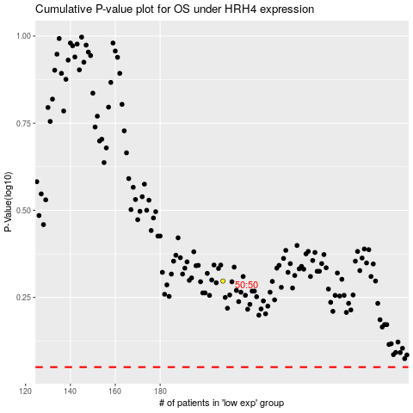

 |  |  |  |  |  | cases_OS | p_OS | rank | exp
 |  |  |  |  |  |  | cases_RFS | p_RFS | rank | exp

