HRK _multivariate
Reported by Tex Li-Hsing Chi. tex@gate.sinica.edu.tw 2019-08-19

Table 2. The clinicopathological features of HNSCC cohort and HRK expression. (Chi square test)
Cutoff at -0.423 (30.2%)
 |  | HRK expression |  | HRK expression |  | (Optimised)
 | Features | Low | (%) | High | (%) | Case no | P-value | Remark | Matthews
Gender | Female | 87 | 21 | 219 | 52.8 | 415 | 0.1897 | 0 | 0
2 | Male | 39 | 9.4 | 70 | 16.9
Age at diagnosis | <=65y | 82 | 19.8 | 192 | 46.3 | 415 | 0.8763 | 0 | 0
4 | >65y | 44 | 10.6 | 97 | 23.4
Clinical T Status | T1+T2 | 50 | 12 | 99 | 23.9 | 415 | 0.343 | 0 | 0
6 | T3+T4 | 76 | 18.3 | 190 | 45.8
Clinical N Status | N0 | 68 | 16.4 | 148 | 35.7 | 415 | 0.6817 | 0 | 0
8 | N1-3 | 58 | 14 | 141 | 34
Clinical M Status | M0 | 126 | 30.4 | 286 | 68.9 | 415 | 0.5566 | 0 | 0
10 | M1 | 0 | 0 | 3 | 0.7
Clinical Stage | Stage I+II | 36 | 8.7 | 66 | 15.9 | 415 | 0.2612 | 0 | 0
12 | Stage III+IV | 90 | 21.7 | 223 | 53.7
Surgical Margin status | Negative | 97 | 23.4 | 221 | 53.3 | 415 | 1 | 0 | 0
14 | Positive | 29 | 7 | 68 | 16.4
Tobacco Exposure | Low | 55 | 13.3 | 106 | 25.5 | 415 | 0.1899 | 0 | 0
16 | High | 71 | 17.1 | 183 | 44.1

Table 3. Univariate/Multivariate Cox's proportional hazards regression analyses on OS time of HRK gene expression in HNSCC

 |  | Univariate |  |  |  | Multivariate
 | Features | HR | CI95%(L) | CI95%(H) | P-value | HR | CI95%(L) | CI95%(H) | P-value
1 | Female | 1 |  |  |  | 1
Gender | Male | 1.157 | 0.843 | 1.587 | 0.367 | 1.216 | 0.871 | 1.697 | 0.25
11 | <=65y | 1 |  |  |  | 1
Age at diagnosis | >65y | 1.329 | 0.99 | 1.784 | 0.058 | 1.411 | 1.038 | 1.919 | 0.028
12 | T1+T2 | 1 |  |  |  | 1
Clinical T Status | T3+T4 | 1.409 | 1.028 | 1.931 | 0.033 | 2.141 | 1.133 | 4.046 | 0.019
13 | N0 | 1 |  |  |  | 1
Clinical N Status | N1-3 | 1.185 | 0.89 | 1.577 | 0.246 | 1.229 | 0.861 | 1.753 | 0.256
14 | M0 | 1 |  |  |  | 1
Clinical M Status | M1 | 4.097 | 1.009 | 16.644 | 0.049 | 8.511 | 1.852 | 39.109 | 0.006
15 | Stage I+II | 1 |  |  |  | 1
Clinical Stage | Stage III+IV | 1.245 | 0.882 | 1.759 | 0.213 | 0.507 | 0.236 | 1.089 | 0.082
16 | Negative | 1 |  |  |  | 1
Surgical Margin status | Positive | 1.591 | 1.155 | 2.191 | 0.004 | 1.637 | 1.185 | 2.263 | 0.003
17 | Low | 1 |  |  |  | 1
Tobacco Exposure | High | 1.364 | 1.008 | 1.844 | 0.044 | 1.403 | 1.019 | 1.933 | 0.038
18 | Low | 1 |  |  |  | 1
RNAseq(z-score) | High | 1.459 | 1.05 | 2.026 | 0.024 | 1.365 | 0.976 | 1.91 | 0.069

Table 4. Univariate/Multivariate Cox's proportional hazards regression analyses on RFS time of HRK gene expression in HNSCC

 |  | Univariate |  |  |  | Multivariate
 | Features | HR | CI95%(L) | CI95%(H) | P-value | HR | CI95%(L) | CI95%(H) | P-value
1 | Female | 1 |  |  |  | 1
Gender | Male | 1.157 | 0.843 | 1.587 | 0.367 | 1.216 | 0.871 | 1.697 | 0.25
11 | <=65y | 1 |  |  |  | 1
Age at diagnosis | >65y | 1.329 | 0.99 | 1.784 | 0.058 | 1.411 | 1.038 | 1.919 | 0.028
12 | T1+T2 | 1 |  |  |  | 1
Clinical T Status | T3+T4 | 1.409 | 1.028 | 1.931 | 0.033 | 2.141 | 1.133 | 4.046 | 0.019
13 | N0 | 1 |  |  |  | 1
Clinical N Status | N1-3 | 1.185 | 0.89 | 1.577 | 0.246 | 1.229 | 0.861 | 1.753 | 0.256
14 | M0 | 1 |  |  |  | 1
Clinical M Status | M1 | 4.097 | 1.009 | 16.644 | 0.049 | 8.511 | 1.852 | 39.109 | 0.006
15 | Stage I+II | 1 |  |  |  | 1
Clinical Stage | Stage III+IV | 1.245 | 0.882 | 1.759 | 0.213 | 0.507 | 0.236 | 1.089 | 0.082
16 | Negative | 1 |  |  |  | 1
Surgical Margin status | Positive | 1.591 | 1.155 | 2.191 | 0.004 | 1.637 | 1.185 | 2.263 | 0.003
17 | Low | 1 |  |  |  | 1
Tobacco Exposure | High | 1.364 | 1.008 | 1.844 | 0.044 | 1.403 | 1.019 | 1.933 | 0.038
18 | Low | 1 |  |  |  | 1
RNAseq(z-score) | High | 1.459 | 1.05 | 2.026 | 0.024 | 1.365 | 0.976 | 1.91 | 0.069

Kaplan-Meier survival estimate: Cutoff at -0.423 (30.2%)

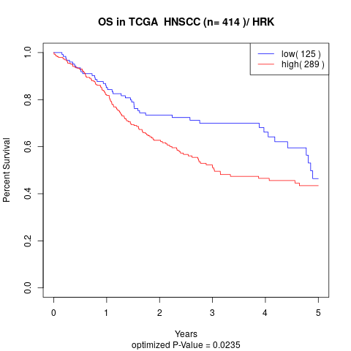

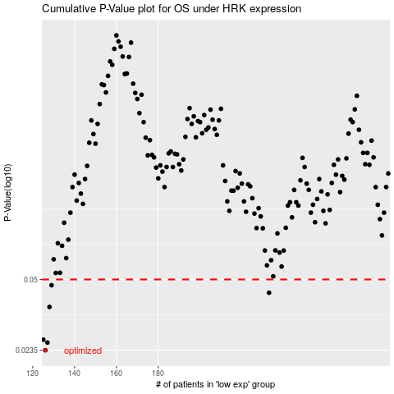

 |  |  |  |  |  | cases_OS | p_OS | rank | exp
 |  |  |  |  |  | 126 | 0.0235 | 218 | -0.42301548524
 |  |  |  |  |  | 127 | 0.0255 | 198 | -0.42066963909
 |  |  |  |  |  | 125 | 0.0263 | 307 | -0.42503850853
 |  |  |  |  |  | 128 | 0.0373 | 107 | -0.42040062004
 |  |  |  |  |  | 233 | 0.0434 | 274 | -0.19861055089
 |  |  |  |  |  | 129 | 0.047 | 23 | -0.41679576471
 |  |  |  |  |  |  | cases_RFS | p_RFS | rank | exp
 |  |  |  |  |  |  | 125 | 0.0235 | 307 | -0.42503850853
 |  |  |  |  |  |  | 126 | 0.0255 | 218 | -0.42301548524
 |  |  |  |  |  |  |  | 0.0263 | 34 | -0.42606078094
 |  |  |  |  |  |  | 127 | 0.0373 | 198 | -0.42066963909
 |  |  |  |  |  |  | 232 | 0.0434 | 321 | -0.19866435471
 |  |  |  |  |  |  | 128 | 0.047 | 107 | -0.42040062004

