HRNR _multivariate
Reported by Tex Li-Hsing Chi. tex@gate.sinica.edu.tw 2019-08-19

Table 2. The clinicopathological features of HNSCC cohort and HRNR expression. (Chi square test)
Cutoff at -0.173 (34.5%)
 |  | HRNR expression |  | HRNR expression |  | (Optimised)
 | Features | Low | (%) | High | (%) | Case no | P-value | Remark | Matthews
Gender | Female | 116 | 28 | 190 | 45.8 | 415 | 0.0289 | 1 | 0
2 | Male | 28 | 6.7 | 81 | 19.5
Age at diagnosis | <=65y | 106 | 25.5 | 168 | 40.5 | 415 | 0.0232 | 1 | 0
4 | >65y | 38 | 9.2 | 103 | 24.8
Clinical T Status | T1+T2 | 53 | 12.8 | 96 | 23.1 | 415 | 0.8637 | 0 | 0
6 | T3+T4 | 91 | 21.9 | 175 | 42.2
Clinical N Status | N0 | 59 | 14.2 | 157 | 37.8 | 415 | 0.0014 | 1 | 0
8 | N1-3 | 85 | 20.5 | 114 | 27.5
Clinical M Status | M0 | 142 | 34.2 | 270 | 65.1 | 415 | 0.2771 | 0 | 0
10 | M1 | 2 | 0.5 | 1 | 0.2
Clinical Stage | Stage I+II | 31 | 7.5 | 71 | 17.1 | 415 | 0.3511 | 0 | 0
12 | Stage III+IV | 113 | 27.2 | 200 | 48.2
Surgical Margin status | Negative | 103 | 24.8 | 215 | 51.8 | 415 | 0.0879 | 0 | 0
14 | Positive | 41 | 9.9 | 56 | 13.5
Tobacco Exposure | Low | 49 | 11.8 | 112 | 27 | 415 | 0.169 | 0 | 0
16 | High | 95 | 22.9 | 159 | 38.3

Table 3. Univariate/Multivariate Cox's proportional hazards regression analyses on OS time of HRNR gene expression in HNSCC

 |  | Univariate |  |  |  | Multivariate
 | Features | HR | CI95%(L) | CI95%(H) | P-value | HR | CI95%(L) | CI95%(H) | P-value
1 | Female | 1 |  |  |  | 1
Gender | Male | 1.157 | 0.843 | 1.587 | 0.367 | 1.242 | 0.887 | 1.738 | 0.208
11 | <=65y | 1 |  |  |  | 1
Age at diagnosis | >65y | 1.329 | 0.99 | 1.784 | 0.058 | 1.461 | 1.07 | 1.995 | 0.017
12 | T1+T2 | 1 |  |  |  | 1
Clinical T Status | T3+T4 | 1.409 | 1.028 | 1.931 | 0.033 | 2.211 | 1.169 | 4.181 | 0.015
13 | N0 | 1 |  |  |  | 1
Clinical N Status | N1-3 | 1.185 | 0.89 | 1.577 | 0.246 | 1.201 | 0.841 | 1.716 | 0.314
14 | M0 | 1 |  |  |  | 1
Clinical M Status | M1 | 4.097 | 1.009 | 16.644 | 0.049 | 8.891 | 1.938 | 40.791 | 0.005
15 | Stage I+II | 1 |  |  |  | 1
Clinical Stage | Stage III+IV | 1.245 | 0.882 | 1.759 | 0.213 | 0.509 | 0.237 | 1.093 | 0.083
16 | Negative | 1 |  |  |  | 1
Surgical Margin status | Positive | 1.591 | 1.155 | 2.191 | 0.004 | 1.617 | 1.168 | 2.238 | 0.004
17 | Low | 1 |  |  |  | 1
Tobacco Exposure | High | 1.364 | 1.008 | 1.844 | 0.044 | 1.463 | 1.06 | 2.019 | 0.021
18 | Low | 1 |  |  |  | 1
RNAseq(z-score) | High | 0.742 | 0.551 | 0.999 | 0.049 | 0.73 | 0.536 | 0.994 | 0.046

Table 4. Univariate/Multivariate Cox's proportional hazards regression analyses on RFS time of HRNR gene expression in HNSCC

 |  | Univariate |  |  |  | Multivariate
 | Features | HR | CI95%(L) | CI95%(H) | P-value | HR | CI95%(L) | CI95%(H) | P-value
1 | Female | 1 |  |  |  | 1
Gender | Male | 1.157 | 0.843 | 1.587 | 0.367 | 1.242 | 0.887 | 1.738 | 0.208
11 | <=65y | 1 |  |  |  | 1
Age at diagnosis | >65y | 1.329 | 0.99 | 1.784 | 0.058 | 1.461 | 1.07 | 1.995 | 0.017
12 | T1+T2 | 1 |  |  |  | 1
Clinical T Status | T3+T4 | 1.409 | 1.028 | 1.931 | 0.033 | 2.211 | 1.169 | 4.181 | 0.015
13 | N0 | 1 |  |  |  | 1
Clinical N Status | N1-3 | 1.185 | 0.89 | 1.577 | 0.246 | 1.201 | 0.841 | 1.716 | 0.314
14 | M0 | 1 |  |  |  | 1
Clinical M Status | M1 | 4.097 | 1.009 | 16.644 | 0.049 | 8.891 | 1.938 | 40.791 | 0.005
15 | Stage I+II | 1 |  |  |  | 1
Clinical Stage | Stage III+IV | 1.245 | 0.882 | 1.759 | 0.213 | 0.509 | 0.237 | 1.093 | 0.083
16 | Negative | 1 |  |  |  | 1
Surgical Margin status | Positive | 1.591 | 1.155 | 2.191 | 0.004 | 1.617 | 1.168 | 2.238 | 0.004
17 | Low | 1 |  |  |  | 1
Tobacco Exposure | High | 1.364 | 1.008 | 1.844 | 0.044 | 1.463 | 1.06 | 2.019 | 0.021
18 | Low | 1 |  |  |  | 1
RNAseq(z-score) | High | 0.742 | 0.551 | 0.999 | 0.049 | 0.73 | 0.536 | 0.994 | 0.046

Kaplan-Meier survival estimate: Cutoff at -0.173 (34.5%)



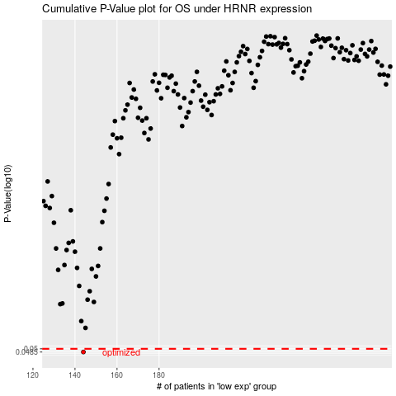

 |  |  |  |  |  | cases_OS | p_OS | rank | exp
 |  |  |  |  |  | 144 | 0.0485 | 139 | -0.17336457529
 |  |  |  |  |  |  | cases_RFS | p_RFS | rank | exp
 |  |  |  |  |  |  | 143 | 0.0485 | 133 | -0.17351945639

