HS1BP3 _multivariate
Reported by Tex Li-Hsing Chi. tex@gate.sinica.edu.tw 2019-08-19

Table 2. The clinicopathological features of HNSCC cohort and HS1BP3 expression. (Chi square test)
Cutoff at -0.062 (49.5%)
 |  | HS1BP3 expression |  | HS1BP3 expression |  | (Optimised)
 | Features | Low | (%) | High | (%) | Case no | P-value | Remark | Matthews
Gender | Female | 153 | 36.9 | 153 | 36.9 | 415 | 0.7644 | 0 | 0
2 | Male | 52 | 12.5 | 57 | 13.7
Age at diagnosis | <=65y | 133 | 32 | 141 | 34 | 415 | 0.7014 | 0 | 0
4 | >65y | 72 | 17.3 | 69 | 16.6
Clinical T Status | T1+T2 | 75 | 18.1 | 74 | 17.8 | 415 | 0.8542 | 0 | 0
6 | T3+T4 | 130 | 31.3 | 136 | 32.8
Clinical N Status | N0 | 111 | 26.7 | 105 | 25.3 | 415 | 0.455 | 0 | 0
8 | N1-3 | 94 | 22.7 | 105 | 25.3
Clinical M Status | M0 | 205 | 49.4 | 207 | 49.9 | 415 | 0.2483 | 0 | 0
10 | M1 | 0 | 0 | 3 | 0.7
Clinical Stage | Stage I+II | 49 | 11.8 | 53 | 12.8 | 415 | 0.84 | 0 | 0
12 | Stage III+IV | 156 | 37.6 | 157 | 37.8
Surgical Margin status | Negative | 152 | 36.6 | 166 | 40 | 415 | 0.2481 | 0 | 0
14 | Positive | 53 | 12.8 | 44 | 10.6
Tobacco Exposure | Low | 79 | 19 | 82 | 19.8 | 415 | 0.9201 | 0 | 0
16 | High | 126 | 30.4 | 128 | 30.8

Table 3. Univariate/Multivariate Cox's proportional hazards regression analyses on OS time of HS1BP3 gene expression in HNSCC

 |  | Univariate |  |  |  | Multivariate
 | Features | HR | CI95%(L) | CI95%(H) | P-value | HR | CI95%(L) | CI95%(H) | P-value
1 | Female | 1 |  |  |  | 1
Gender | Male | 1.157 | 0.843 | 1.587 | 0.367 | 1.161 | 0.831 | 1.621 | 0.383
11 | <=65y | 1 |  |  |  | 1
Age at diagnosis | >65y | 1.329 | 0.99 | 1.784 | 0.058 | 1.429 | 1.051 | 1.943 | 0.023
12 | T1+T2 | 1 |  |  |  | 1
Clinical T Status | T3+T4 | 1.409 | 1.028 | 1.931 | 0.033 | 2.062 | 1.089 | 3.907 | 0.026
13 | N0 | 1 |  |  |  | 1
Clinical N Status | N1-3 | 1.185 | 0.89 | 1.577 | 0.246 | 1.205 | 0.843 | 1.722 | 0.306
14 | M0 | 1 |  |  |  | 1
Clinical M Status | M1 | 4.097 | 1.009 | 16.644 | 0.049 | 7.567 | 1.636 | 35.005 | 0.01
15 | Stage I+II | 1 |  |  |  | 1
Clinical Stage | Stage III+IV | 1.245 | 0.882 | 1.759 | 0.213 | 0.539 | 0.251 | 1.158 | 0.113
16 | Negative | 1 |  |  |  | 1
Surgical Margin status | Positive | 1.591 | 1.155 | 2.191 | 0.004 | 1.72 | 1.243 | 2.378 | 0.001
17 | Low | 1 |  |  |  | 1
Tobacco Exposure | High | 1.364 | 1.008 | 1.844 | 0.044 | 1.445 | 1.05 | 1.99 | 0.024
18 | Low | 1 |  |  |  | 1
RNAseq(z-score) | High | 1.447 | 1.084 | 1.931 | 0.012 | 1.434 | 1.068 | 1.924 | 0.016

Table 4. Univariate/Multivariate Cox's proportional hazards regression analyses on RFS time of HS1BP3 gene expression in HNSCC

 |  | Univariate |  |  |  | Multivariate
 | Features | HR | CI95%(L) | CI95%(H) | P-value | HR | CI95%(L) | CI95%(H) | P-value
1 | Female | 1 |  |  |  | 1
Gender | Male | 1.157 | 0.843 | 1.587 | 0.367 | 1.161 | 0.831 | 1.621 | 0.383
11 | <=65y | 1 |  |  |  | 1
Age at diagnosis | >65y | 1.329 | 0.99 | 1.784 | 0.058 | 1.429 | 1.051 | 1.943 | 0.023
12 | T1+T2 | 1 |  |  |  | 1
Clinical T Status | T3+T4 | 1.409 | 1.028 | 1.931 | 0.033 | 2.062 | 1.089 | 3.907 | 0.026
13 | N0 | 1 |  |  |  | 1
Clinical N Status | N1-3 | 1.185 | 0.89 | 1.577 | 0.246 | 1.205 | 0.843 | 1.722 | 0.306
14 | M0 | 1 |  |  |  | 1
Clinical M Status | M1 | 4.097 | 1.009 | 16.644 | 0.049 | 7.567 | 1.636 | 35.005 | 0.01
15 | Stage I+II | 1 |  |  |  | 1
Clinical Stage | Stage III+IV | 1.245 | 0.882 | 1.759 | 0.213 | 0.539 | 0.251 | 1.158 | 0.113
16 | Negative | 1 |  |  |  | 1
Surgical Margin status | Positive | 1.591 | 1.155 | 2.191 | 0.004 | 1.72 | 1.243 | 2.378 | 0.001
17 | Low | 1 |  |  |  | 1
Tobacco Exposure | High | 1.364 | 1.008 | 1.844 | 0.044 | 1.445 | 1.05 | 1.99 | 0.024
18 | Low | 1 |  |  |  | 1
RNAseq(z-score) | High | 1.447 | 1.084 | 1.931 | 0.012 | 1.434 | 1.068 | 1.924 | 0.016

Kaplan-Meier survival estimate: Cutoff at -0.062 (49.5%)

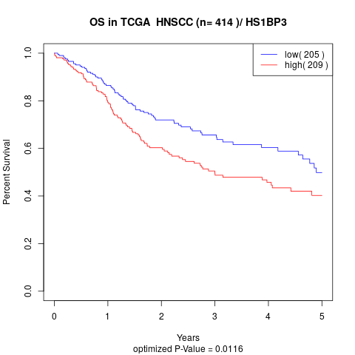

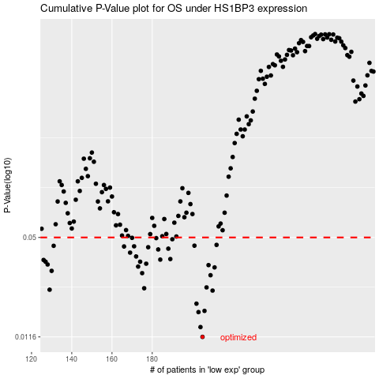

 |  |  |  |  |  | cases_OS | p_OS | rank | exp
 |  |  |  |  |  | 205 | 0.0116 | 224 | -0.062437003103
 |  |  |  |  |  | 204 | 0.0134 | 408 | -0.06292248084
 |  |  |  |  |  | 203 | 0.0167 | 135 | -0.064458988864
 |  |  |  |  |  | 206 | 0.017 | 61 | -0.05502950256
 |  |  |  |  |  | 202 | 0.0189 | 252 | -0.065129760494
 |  |  |  |  |  | 210 | 0.0229 | 276 | -0.030273232664
 |  |  |  |  |  | 129 | 0.0232 | 86 | -0.50584993144
 |  |  |  |  |  | 176 | 0.0237 | 413 | -0.22979529844
 |  |  |  |  |  | 207 | 0.024 | 214 | -0.047488157159
 |  |  |  |  |  | 209 | 0.0287 | 347 | -0.039148384628
 |  |  |  |  |  | 175 | 0.0296 | 126 | -0.23713935807
 |  |  |  |  |  | 130 | 0.0306 | 216 | -0.49582858782
 |  |  |  |  |  | 211 | 0.0322 | 264 | -0.019326580078
 |  |  |  |  |  | 173 | 0.0326 | 279 | -0.2568389228
 |  |  |  |  |  | 208 | 0.0333 | 330 | -0.0436557843
 |  |  |  |  |  | 128 | 0.0336 | 231 | -0.51309534819
 |  |  |  |  |  | 177 | 0.034 | 404 | -0.22217310455
 |  |  |  |  |  | 174 | 0.035 | 18 | -0.23836755872
 |  |  |  |  |  | 127 | 0.035 | 145 | -0.53395077545
 |  |  |  |  |  | 126 | 0.0359 | 25 | -0.54922611001
 |  |  |  |  |  | 184 | 0.0361 | 241 | -0.17556414714
 |  |  |  |  |  | 189 | 0.0364 | 308 | -0.15189797786
 |  |  |  |  |  | 172 | 0.0378 | 293 | -0.25828800615
 |  |  |  |  |  | 169 | 0.04 | 410 | -0.26749390191
 |  |  |  |  |  | 183 | 0.0419 | 171 | -0.17831183509
 |  |  |  |  |  | 188 | 0.0424 | 303 | -0.1549686729
 |  |  |  |  |  | 178 | 0.0433 | 4 | -0.21889197136
 |  |  |  |  |  | 166 | 0.0438 | 163 | -0.27452694632
 |  |  |  |  |  | 171 | 0.0439 | 311 | -0.2587336399
 |  |  |  |  |  | 131 | 0.0442 | 159 | -0.49175366951
 |  |  |  |  |  | 201 | 0.0443 | 271 | -0.065824902719
 |  |  |  |  |  | 212 | 0.0448 | 97 | -0.013083452434
 |  |  |  |  |  | 190 | 0.0487 | 117 | -0.14664398692
 |  |  |  |  |  | 182 | 0.0495 | 167 | -0.18042201919
 |  |  |  |  |  | 170 | 0.0497 | 354 | -0.25898817723
 |  |  |  |  |  |  | cases_RFS | p_RFS | rank | exp
 |  |  |  |  |  |  | 204 | 0.0116 | 408 | -0.06292248084
 |  |  |  |  |  |  | 203 | 0.0134 | 135 | -0.064458988864
 |  |  |  |  |  |  | 202 | 0.0167 | 252 | -0.065129760494
 |  |  |  |  |  |  | 205 | 0.017 | 224 | -0.062437003103
 |  |  |  |  |  |  | 201 | 0.0189 | 271 | -0.065824902719
 |  |  |  |  |  |  | 209 | 0.0229 | 347 | -0.039148384628
 |  |  |  |  |  |  | 128 | 0.0232 | 231 | -0.51309534819
 |  |  |  |  |  |  | 175 | 0.0237 | 126 | -0.23713935807
 |  |  |  |  |  |  | 206 | 0.024 | 61 | -0.05502950256
 |  |  |  |  |  |  | 208 | 0.0287 | 330 | -0.0436557843
 |  |  |  |  |  |  | 174 | 0.0296 | 18 | -0.23836755872
 |  |  |  |  |  |  | 129 | 0.0306 | 86 | -0.50584993144
 |  |  |  |  |  |  | 210 | 0.0322 | 276 | -0.030273232664
 |  |  |  |  |  |  | 172 | 0.0326 | 293 | -0.25828800615
 |  |  |  |  |  |  | 207 | 0.0333 | 214 | -0.047488157159
 |  |  |  |  |  |  | 127 | 0.0336 | 145 | -0.53395077545
 |  |  |  |  |  |  | 176 | 0.034 | 413 | -0.22979529844
 |  |  |  |  |  |  | 126 | 0.035 | 25 | -0.54922611001
 |  |  |  |  |  |  | 173 | 0.035 | 279 | -0.2568389228
 |  |  |  |  |  |  | 125 | 0.0359 | 26 | -0.55931089455
 |  |  |  |  |  |  | 183 | 0.0361 | 171 | -0.17831183509
 |  |  |  |  |  |  | 188 | 0.0364 | 303 | -0.1549686729
 |  |  |  |  |  |  | 171 | 0.0378 | 311 | -0.2587336399
 |  |  |  |  |  |  | 168 | 0.04 | 406 | -0.27062533002
 |  |  |  |  |  |  | 182 | 0.0419 | 167 | -0.18042201919
 |  |  |  |  |  |  | 187 | 0.0424 | 121 | -0.15595239392
 |  |  |  |  |  |  | 177 | 0.0433 | 404 | -0.22217310455
 |  |  |  |  |  |  | 165 | 0.0438 | 15 | -0.28337850136
 |  |  |  |  |  |  | 170 | 0.0439 | 354 | -0.25898817723
 |  |  |  |  |  |  | 130 | 0.0442 | 216 | -0.49582858782
 |  |  |  |  |  |  | 200 | 0.0443 | 230 | -0.070972900903
 |  |  |  |  |  |  | 211 | 0.0448 | 264 | -0.019326580078
 |  |  |  |  |  |  | 189 | 0.0487 | 308 | -0.15189797786
 |  |  |  |  |  |  | 181 | 0.0495 | 350 | -0.18964184101
 |  |  |  |  |  |  | 169 | 0.0497 | 410 | -0.26749390191

