HS2ST1 _multivariate
Reported by Tex Li-Hsing Chi. tex@gate.sinica.edu.tw 2019-08-19

Table 2. The clinicopathological features of HNSCC cohort and HS2ST1 expression. (Chi square test)
Cutoff at -0.169 (49.8%)
 |  | HS2ST1 expression |  | HS2ST1 expression |  | (Optimised)
 | Features | Low | (%) | High | (%) | Case no | P-value | Remark | Matthews
Gender | Female | 153 | 36.9 | 153 | 36.9 | 415 | 1 | 0 | 0
2 | Male | 54 | 13 | 55 | 13.3
Age at diagnosis | <=65y | 134 | 32.3 | 140 | 33.7 | 415 | 0.6529 | 0 | 0
4 | >65y | 73 | 17.6 | 68 | 16.4
Clinical T Status | T1+T2 | 71 | 17.1 | 78 | 18.8 | 415 | 0.5638 | 0 | 0
6 | T3+T4 | 136 | 32.8 | 130 | 31.3
Clinical N Status | N0 | 116 | 28 | 100 | 24.1 | 415 | 0.1273 | 1 | 0
8 | N1-3 | 91 | 21.9 | 108 | 26
Clinical M Status | M0 | 204 | 49.2 | 208 | 50.1 | 415 | 0.1232 | 0 | 0
10 | M1 | 3 | 0.7 | 0 | 0
Clinical Stage | Stage I+II | 53 | 12.8 | 49 | 11.8 | 415 | 0.7113 | 0 | 0
12 | Stage III+IV | 154 | 37.1 | 159 | 38.3
Surgical Margin status | Negative | 157 | 37.8 | 161 | 38.8 | 415 | 0.729 | 0 | 0
14 | Positive | 50 | 12 | 47 | 11.3
Tobacco Exposure | Low | 84 | 20.2 | 77 | 18.6 | 415 | 0.4816 | 0 | 0
16 | High | 123 | 29.6 | 131 | 31.6

Table 3. Univariate/Multivariate Cox's proportional hazards regression analyses on OS time of HS2ST1 gene expression in HNSCC

 |  | Univariate |  |  |  | Multivariate
 | Features | HR | CI95%(L) | CI95%(H) | P-value | HR | CI95%(L) | CI95%(H) | P-value
1 | Female | 1 |  |  |  | 1
Gender | Male | 1.157 | 0.843 | 1.587 | 0.367 | 1.203 | 0.861 | 1.682 | 0.278
11 | <=65y | 1 |  |  |  | 1
Age at diagnosis | >65y | 1.329 | 0.99 | 1.784 | 0.058 | 1.388 | 1.021 | 1.888 | 0.036
12 | T1+T2 | 1 |  |  |  | 1
Clinical T Status | T3+T4 | 1.409 | 1.028 | 1.931 | 0.033 | 2.178 | 1.151 | 4.122 | 0.017
13 | N0 | 1 |  |  |  | 1
Clinical N Status | N1-3 | 1.185 | 0.89 | 1.577 | 0.246 | 1.253 | 0.877 | 1.789 | 0.216
14 | M0 | 1 |  |  |  | 1
Clinical M Status | M1 | 4.097 | 1.009 | 16.644 | 0.049 | 8.832 | 1.907 | 40.907 | 0.005
15 | Stage I+II | 1 |  |  |  | 1
Clinical Stage | Stage III+IV | 1.245 | 0.882 | 1.759 | 0.213 | 0.507 | 0.236 | 1.089 | 0.082
16 | Negative | 1 |  |  |  | 1
Surgical Margin status | Positive | 1.591 | 1.155 | 2.191 | 0.004 | 1.665 | 1.204 | 2.301 | 0.002
17 | Low | 1 |  |  |  | 1
Tobacco Exposure | High | 1.364 | 1.008 | 1.844 | 0.044 | 1.462 | 1.06 | 2.017 | 0.021
18 | Low | 1 |  |  |  | 1
RNAseq(z-score) | High | 0.869 | 0.652 | 1.157 | 0.337 | 0.904 | 0.676 | 1.209 | 0.494

Table 4. Univariate/Multivariate Cox's proportional hazards regression analyses on RFS time of HS2ST1 gene expression in HNSCC

 |  | Univariate |  |  |  | Multivariate
 | Features | HR | CI95%(L) | CI95%(H) | P-value | HR | CI95%(L) | CI95%(H) | P-value
1 | Female | 1 |  |  |  | 1
Gender | Male | 1.157 | 0.843 | 1.587 | 0.367 | 1.203 | 0.861 | 1.682 | 0.278
11 | <=65y | 1 |  |  |  | 1
Age at diagnosis | >65y | 1.329 | 0.99 | 1.784 | 0.058 | 1.388 | 1.021 | 1.888 | 0.036
12 | T1+T2 | 1 |  |  |  | 1
Clinical T Status | T3+T4 | 1.409 | 1.028 | 1.931 | 0.033 | 2.178 | 1.151 | 4.122 | 0.017
13 | N0 | 1 |  |  |  | 1
Clinical N Status | N1-3 | 1.185 | 0.89 | 1.577 | 0.246 | 1.253 | 0.877 | 1.789 | 0.216
14 | M0 | 1 |  |  |  | 1
Clinical M Status | M1 | 4.097 | 1.009 | 16.644 | 0.049 | 8.832 | 1.907 | 40.907 | 0.005
15 | Stage I+II | 1 |  |  |  | 1
Clinical Stage | Stage III+IV | 1.245 | 0.882 | 1.759 | 0.213 | 0.507 | 0.236 | 1.089 | 0.082
16 | Negative | 1 |  |  |  | 1
Surgical Margin status | Positive | 1.591 | 1.155 | 2.191 | 0.004 | 1.665 | 1.204 | 2.301 | 0.002
17 | Low | 1 |  |  |  | 1
Tobacco Exposure | High | 1.364 | 1.008 | 1.844 | 0.044 | 1.462 | 1.06 | 2.017 | 0.021
18 | Low | 1 |  |  |  | 1
RNAseq(z-score) | High | 0.869 | 0.652 | 1.157 | 0.337 | 0.904 | 0.676 | 1.209 | 0.494

Kaplan-Meier survival estimate: Cutoff at -0.169 (49.8%)



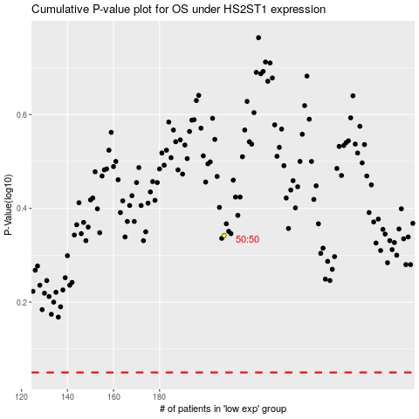

 |  |  |  |  |  | cases_OS | p_OS | rank | exp
 |  |  |  |  |  |  | cases_RFS | p_RFS | rank | exp

