HS3ST3B1 _multivariate
Reported by Tex Li-Hsing Chi. tex@gate.sinica.edu.tw 2019-08-19

Table 2. The clinicopathological features of HNSCC cohort and HS3ST3B1 expression. (Chi square test)
Cutoff at -0.221 (49.8%)
 |  | HS3ST3B1 expression |  | HS3ST3B1 expression |  | (Optimised)
 | Features | Low | (%) | High | (%) | Case no | P-value | Remark | Matthews
Gender | Female | 161 | 38.8 | 145 | 34.9 | 415 | 0.0792 | 0 | 0
2 | Male | 46 | 11.1 | 63 | 15.2
Age at diagnosis | <=65y | 143 | 34.5 | 131 | 31.6 | 415 | 0.2269 | 0 | 0
4 | >65y | 64 | 15.4 | 77 | 18.6
Clinical T Status | T1+T2 | 73 | 17.6 | 76 | 18.3 | 415 | 0.8666 | 0 | 0
6 | T3+T4 | 134 | 32.3 | 132 | 31.8
Clinical N Status | N0 | 96 | 23.1 | 120 | 28.9 | 415 | 0.0272 | 1 | 0
8 | N1-3 | 111 | 26.7 | 88 | 21.2
Clinical M Status | M0 | 206 | 49.6 | 206 | 49.6 | 415 | 1 | 0 | 0
10 | M1 | 1 | 0.2 | 2 | 0.5
Clinical Stage | Stage I+II | 44 | 10.6 | 58 | 14 | 415 | 0.1459 | 0 | 0
12 | Stage III+IV | 163 | 39.3 | 150 | 36.1
Surgical Margin status | Negative | 154 | 37.1 | 164 | 39.5 | 415 | 0.2984 | 0 | 0
14 | Positive | 53 | 12.8 | 44 | 10.6
Tobacco Exposure | Low | 78 | 18.8 | 83 | 20 | 415 | 0.6873 | 0 | 0
16 | High | 129 | 31.1 | 125 | 30.1

Table 3. Univariate/Multivariate Cox's proportional hazards regression analyses on OS time of HS3ST3B1 gene expression in HNSCC

 |  | Univariate |  |  |  | Multivariate
 | Features | HR | CI95%(L) | CI95%(H) | P-value | HR | CI95%(L) | CI95%(H) | P-value
1 | Female | 1 |  |  |  | 1
Gender | Male | 1.157 | 0.843 | 1.587 | 0.367 | 1.196 | 0.856 | 1.671 | 0.293
11 | <=65y | 1 |  |  |  | 1
Age at diagnosis | >65y | 1.329 | 0.99 | 1.784 | 0.058 | 1.388 | 1.021 | 1.887 | 0.036
12 | T1+T2 | 1 |  |  |  | 1
Clinical T Status | T3+T4 | 1.409 | 1.028 | 1.931 | 0.033 | 2.2 | 1.164 | 4.159 | 0.015
13 | N0 | 1 |  |  |  | 1
Clinical N Status | N1-3 | 1.185 | 0.89 | 1.577 | 0.246 | 1.257 | 0.879 | 1.795 | 0.21
14 | M0 | 1 |  |  |  | 1
Clinical M Status | M1 | 4.097 | 1.009 | 16.644 | 0.049 | 9.221 | 2.01 | 42.303 | 0.004
15 | Stage I+II | 1 |  |  |  | 1
Clinical Stage | Stage III+IV | 1.245 | 0.882 | 1.759 | 0.213 | 0.509 | 0.237 | 1.094 | 0.084
16 | Negative | 1 |  |  |  | 1
Surgical Margin status | Positive | 1.591 | 1.155 | 2.191 | 0.004 | 1.673 | 1.211 | 2.311 | 0.002
17 | Low | 1 |  |  |  | 1
Tobacco Exposure | High | 1.364 | 1.008 | 1.844 | 0.044 | 1.459 | 1.059 | 2.01 | 0.021
18 | Low | 1 |  |  |  | 1
RNAseq(z-score) | High | 1.093 | 0.82 | 1.457 | 0.544 | 1.118 | 0.835 | 1.498 | 0.453

Table 4. Univariate/Multivariate Cox's proportional hazards regression analyses on RFS time of HS3ST3B1 gene expression in HNSCC

 |  | Univariate |  |  |  | Multivariate
 | Features | HR | CI95%(L) | CI95%(H) | P-value | HR | CI95%(L) | CI95%(H) | P-value
1 | Female | 1 |  |  |  | 1
Gender | Male | 1.157 | 0.843 | 1.587 | 0.367 | 1.196 | 0.856 | 1.671 | 0.293
11 | <=65y | 1 |  |  |  | 1
Age at diagnosis | >65y | 1.329 | 0.99 | 1.784 | 0.058 | 1.388 | 1.021 | 1.887 | 0.036
12 | T1+T2 | 1 |  |  |  | 1
Clinical T Status | T3+T4 | 1.409 | 1.028 | 1.931 | 0.033 | 2.2 | 1.164 | 4.159 | 0.015
13 | N0 | 1 |  |  |  | 1
Clinical N Status | N1-3 | 1.185 | 0.89 | 1.577 | 0.246 | 1.257 | 0.879 | 1.795 | 0.21
14 | M0 | 1 |  |  |  | 1
Clinical M Status | M1 | 4.097 | 1.009 | 16.644 | 0.049 | 9.221 | 2.01 | 42.303 | 0.004
15 | Stage I+II | 1 |  |  |  | 1
Clinical Stage | Stage III+IV | 1.245 | 0.882 | 1.759 | 0.213 | 0.509 | 0.237 | 1.094 | 0.084
16 | Negative | 1 |  |  |  | 1
Surgical Margin status | Positive | 1.591 | 1.155 | 2.191 | 0.004 | 1.673 | 1.211 | 2.311 | 0.002
17 | Low | 1 |  |  |  | 1
Tobacco Exposure | High | 1.364 | 1.008 | 1.844 | 0.044 | 1.459 | 1.059 | 2.01 | 0.021
18 | Low | 1 |  |  |  | 1
RNAseq(z-score) | High | 1.093 | 0.82 | 1.457 | 0.544 | 1.118 | 0.835 | 1.498 | 0.453

Kaplan-Meier survival estimate: Cutoff at -0.221 (49.8%)



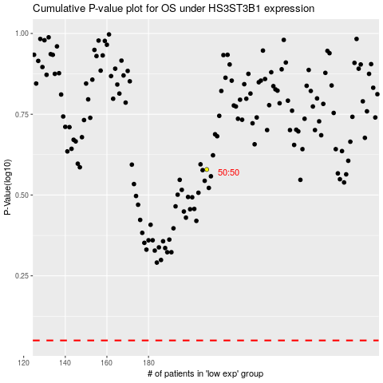

 |  |  |  |  |  | cases_OS | p_OS | rank | exp
 |  |  |  |  |  |  | cases_RFS | p_RFS | rank | exp

