HS6ST1 _multivariate
Reported by Tex Li-Hsing Chi. tex@gate.sinica.edu.tw 2019-08-19

Table 2. The clinicopathological features of HNSCC cohort and HS6ST1 expression. (Chi square test)
Cutoff at -0.178 (49.8%)
 |  | HS6ST1 expression |  | HS6ST1 expression |  | (Optimised)
 | Features | Low | (%) | High | (%) | Case no | P-value | Remark | Matthews
Gender | Female | 150 | 36.1 | 156 | 37.6 | 415 | 0.6344 | 0 | 0
2 | Male | 57 | 13.7 | 52 | 12.5
Age at diagnosis | <=65y | 140 | 33.7 | 134 | 32.3 | 415 | 0.5574 | 0 | 0
4 | >65y | 67 | 16.1 | 74 | 17.8
Clinical T Status | T1+T2 | 71 | 17.1 | 78 | 18.8 | 415 | 0.5638 | 0 | 0
6 | T3+T4 | 136 | 32.8 | 130 | 31.3
Clinical N Status | N0 | 95 | 22.9 | 121 | 29.2 | 415 | 0.0162 | 1 | 0
8 | N1-3 | 112 | 27 | 87 | 21
Clinical M Status | M0 | 206 | 49.6 | 206 | 49.6 | 415 | 1 | 0 | 0
10 | M1 | 1 | 0.2 | 2 | 0.5
Clinical Stage | Stage I+II | 45 | 10.8 | 57 | 13.7 | 415 | 0.2202 | 0 | 0
12 | Stage III+IV | 162 | 39 | 151 | 36.4
Surgical Margin status | Negative | 157 | 37.8 | 161 | 38.8 | 415 | 0.729 | 0 | 0
14 | Positive | 50 | 12 | 47 | 11.3
Tobacco Exposure | Low | 82 | 19.8 | 79 | 19 | 415 | 0.763 | 0 | 0
16 | High | 125 | 30.1 | 129 | 31.1

Table 3. Univariate/Multivariate Cox's proportional hazards regression analyses on OS time of HS6ST1 gene expression in HNSCC

 |  | Univariate |  |  |  | Multivariate
 | Features | HR | CI95%(L) | CI95%(H) | P-value | HR | CI95%(L) | CI95%(H) | P-value
1 | Female | 1 |  |  |  | 1
Gender | Male | 1.157 | 0.843 | 1.587 | 0.367 | 1.197 | 0.857 | 1.673 | 0.291
11 | <=65y | 1 |  |  |  | 1
Age at diagnosis | >65y | 1.329 | 0.99 | 1.784 | 0.058 | 1.393 | 1.025 | 1.895 | 0.034
12 | T1+T2 | 1 |  |  |  | 1
Clinical T Status | T3+T4 | 1.409 | 1.028 | 1.931 | 0.033 | 2.208 | 1.168 | 4.174 | 0.015
13 | N0 | 1 |  |  |  | 1
Clinical N Status | N1-3 | 1.185 | 0.89 | 1.577 | 0.246 | 1.241 | 0.87 | 1.77 | 0.234
14 | M0 | 1 |  |  |  | 1
Clinical M Status | M1 | 4.097 | 1.009 | 16.644 | 0.049 | 9.491 | 2.07 | 43.516 | 0.004
15 | Stage I+II | 1 |  |  |  | 1
Clinical Stage | Stage III+IV | 1.245 | 0.882 | 1.759 | 0.213 | 0.503 | 0.234 | 1.079 | 0.078
16 | Negative | 1 |  |  |  | 1
Surgical Margin status | Positive | 1.591 | 1.155 | 2.191 | 0.004 | 1.671 | 1.21 | 2.309 | 0.002
17 | Low | 1 |  |  |  | 1
Tobacco Exposure | High | 1.364 | 1.008 | 1.844 | 0.044 | 1.459 | 1.058 | 2.012 | 0.021
18 | Low | 1 |  |  |  | 1
RNAseq(z-score) | High | 0.921 | 0.692 | 1.227 | 0.575 | 0.915 | 0.687 | 1.219 | 0.543

Table 4. Univariate/Multivariate Cox's proportional hazards regression analyses on RFS time of HS6ST1 gene expression in HNSCC

 |  | Univariate |  |  |  | Multivariate
 | Features | HR | CI95%(L) | CI95%(H) | P-value | HR | CI95%(L) | CI95%(H) | P-value
1 | Female | 1 |  |  |  | 1
Gender | Male | 1.157 | 0.843 | 1.587 | 0.367 | 1.197 | 0.857 | 1.673 | 0.291
11 | <=65y | 1 |  |  |  | 1
Age at diagnosis | >65y | 1.329 | 0.99 | 1.784 | 0.058 | 1.393 | 1.025 | 1.895 | 0.034
12 | T1+T2 | 1 |  |  |  | 1
Clinical T Status | T3+T4 | 1.409 | 1.028 | 1.931 | 0.033 | 2.208 | 1.168 | 4.174 | 0.015
13 | N0 | 1 |  |  |  | 1
Clinical N Status | N1-3 | 1.185 | 0.89 | 1.577 | 0.246 | 1.241 | 0.87 | 1.77 | 0.234
14 | M0 | 1 |  |  |  | 1
Clinical M Status | M1 | 4.097 | 1.009 | 16.644 | 0.049 | 9.491 | 2.07 | 43.516 | 0.004
15 | Stage I+II | 1 |  |  |  | 1
Clinical Stage | Stage III+IV | 1.245 | 0.882 | 1.759 | 0.213 | 0.503 | 0.234 | 1.079 | 0.078
16 | Negative | 1 |  |  |  | 1
Surgical Margin status | Positive | 1.591 | 1.155 | 2.191 | 0.004 | 1.671 | 1.21 | 2.309 | 0.002
17 | Low | 1 |  |  |  | 1
Tobacco Exposure | High | 1.364 | 1.008 | 1.844 | 0.044 | 1.459 | 1.058 | 2.012 | 0.021
18 | Low | 1 |  |  |  | 1
RNAseq(z-score) | High | 0.921 | 0.692 | 1.227 | 0.575 | 0.915 | 0.687 | 1.219 | 0.543

Kaplan-Meier survival estimate: Cutoff at -0.178 (49.8%)



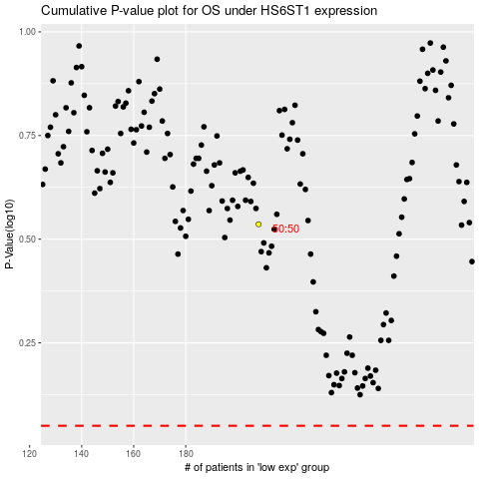

 |  |  |  |  |  | cases_OS | p_OS | rank | exp
 |  |  |  |  |  |  | cases_RFS | p_RFS | rank | exp

