HS6ST2 _multivariate
Reported by Tex Li-Hsing Chi. tex@gate.sinica.edu.tw 2019-08-19

Table 2. The clinicopathological features of HNSCC cohort and HS6ST2 expression. (Chi square test)
Cutoff at -0.238 (50.0%)
 |  | HS6ST2 expression |  | HS6ST2 expression |  | (Optimised)
 | Features | Low | (%) | High | (%) | Case no | P-value | Remark | Matthews
Gender | Female | 155 | 37.3 | 151 | 36.4 | 415 | 0.6768 | 0 | 0
2 | Male | 52 | 12.5 | 57 | 13.7
Age at diagnosis | <=65y | 142 | 34.2 | 132 | 31.8 | 415 | 0.3167 | 0 | 0
4 | >65y | 65 | 15.7 | 76 | 18.3
Clinical T Status | T1+T2 | 81 | 19.5 | 68 | 16.4 | 415 | 0.206 | 0 | 0
6 | T3+T4 | 126 | 30.4 | 140 | 33.7
Clinical N Status | N0 | 114 | 27.5 | 102 | 24.6 | 415 | 0.2576 | 1 | 0
8 | N1-3 | 93 | 22.4 | 106 | 25.5
Clinical M Status | M0 | 206 | 49.6 | 206 | 49.6 | 415 | 1 | 0 | 0
10 | M1 | 1 | 0.2 | 2 | 0.5
Clinical Stage | Stage I+II | 59 | 14.2 | 43 | 10.4 | 415 | 0.0822 | 0 | 0
12 | Stage III+IV | 148 | 35.7 | 165 | 39.8
Surgical Margin status | Negative | 163 | 39.3 | 155 | 37.3 | 415 | 0.3537 | 0 | 0
14 | Positive | 44 | 10.6 | 53 | 12.8
Tobacco Exposure | Low | 92 | 22.2 | 69 | 16.6 | 415 | 0.0206 | 1 | 0
16 | High | 115 | 27.7 | 139 | 33.5

Table 3. Univariate/Multivariate Cox's proportional hazards regression analyses on OS time of HS6ST2 gene expression in HNSCC

 |  | Univariate |  |  |  | Multivariate
 | Features | HR | CI95%(L) | CI95%(H) | P-value | HR | CI95%(L) | CI95%(H) | P-value
1 | Female | 1 |  |  |  | 1
Gender | Male | 1.157 | 0.843 | 1.587 | 0.367 | 1.201 | 0.86 | 1.678 | 0.282
11 | <=65y | 1 |  |  |  | 1
Age at diagnosis | >65y | 1.329 | 0.99 | 1.784 | 0.058 | 1.392 | 1.024 | 1.893 | 0.035
12 | T1+T2 | 1 |  |  |  | 1
Clinical T Status | T3+T4 | 1.409 | 1.028 | 1.931 | 0.033 | 2.204 | 1.165 | 4.168 | 0.015
13 | N0 | 1 |  |  |  | 1
Clinical N Status | N1-3 | 1.185 | 0.89 | 1.577 | 0.246 | 1.24 | 0.869 | 1.77 | 0.235
14 | M0 | 1 |  |  |  | 1
Clinical M Status | M1 | 4.097 | 1.009 | 16.644 | 0.049 | 9.423 | 2.055 | 43.211 | 0.004
15 | Stage I+II | 1 |  |  |  | 1
Clinical Stage | Stage III+IV | 1.245 | 0.882 | 1.759 | 0.213 | 0.506 | 0.235 | 1.088 | 0.081
16 | Negative | 1 |  |  |  | 1
Surgical Margin status | Positive | 1.591 | 1.155 | 2.191 | 0.004 | 1.673 | 1.21 | 2.312 | 0.002
17 | Low | 1 |  |  |  | 1
Tobacco Exposure | High | 1.364 | 1.008 | 1.844 | 0.044 | 1.455 | 1.055 | 2.006 | 0.022
18 | Low | 1 |  |  |  | 1
RNAseq(z-score) | High | 1.095 | 0.821 | 1.46 | 0.536 | 0.985 | 0.734 | 1.323 | 0.923

Table 4. Univariate/Multivariate Cox's proportional hazards regression analyses on RFS time of HS6ST2 gene expression in HNSCC

 |  | Univariate |  |  |  | Multivariate
 | Features | HR | CI95%(L) | CI95%(H) | P-value | HR | CI95%(L) | CI95%(H) | P-value
1 | Female | 1 |  |  |  | 1
Gender | Male | 1.157 | 0.843 | 1.587 | 0.367 | 1.201 | 0.86 | 1.678 | 0.282
11 | <=65y | 1 |  |  |  | 1
Age at diagnosis | >65y | 1.329 | 0.99 | 1.784 | 0.058 | 1.392 | 1.024 | 1.893 | 0.035
12 | T1+T2 | 1 |  |  |  | 1
Clinical T Status | T3+T4 | 1.409 | 1.028 | 1.931 | 0.033 | 2.204 | 1.165 | 4.168 | 0.015
13 | N0 | 1 |  |  |  | 1
Clinical N Status | N1-3 | 1.185 | 0.89 | 1.577 | 0.246 | 1.24 | 0.869 | 1.77 | 0.235
14 | M0 | 1 |  |  |  | 1
Clinical M Status | M1 | 4.097 | 1.009 | 16.644 | 0.049 | 9.423 | 2.055 | 43.211 | 0.004
15 | Stage I+II | 1 |  |  |  | 1
Clinical Stage | Stage III+IV | 1.245 | 0.882 | 1.759 | 0.213 | 0.506 | 0.235 | 1.088 | 0.081
16 | Negative | 1 |  |  |  | 1
Surgical Margin status | Positive | 1.591 | 1.155 | 2.191 | 0.004 | 1.673 | 1.21 | 2.312 | 0.002
17 | Low | 1 |  |  |  | 1
Tobacco Exposure | High | 1.364 | 1.008 | 1.844 | 0.044 | 1.455 | 1.055 | 2.006 | 0.022
18 | Low | 1 |  |  |  | 1
RNAseq(z-score) | High | 1.095 | 0.821 | 1.46 | 0.536 | 0.985 | 0.734 | 1.323 | 0.923

Kaplan-Meier survival estimate: Cutoff at -0.238 (50.0%)



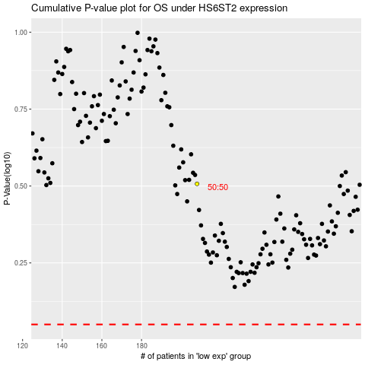

 |  |  |  |  |  | cases_OS | p_OS | rank | exp
 |  |  |  |  |  |  | cases_RFS | p_RFS | rank | exp

