HS6ST3 _multivariate
Reported by Tex Li-Hsing Chi. tex@gate.sinica.edu.tw 2019-08-19

Table 2. The clinicopathological features of HNSCC cohort and HS6ST3 expression. (Chi square test)
Cutoff at -0.248 (49.8%)
 |  | HS6ST3 expression |  | HS6ST3 expression |  | (Optimised)
 | Features | Low | (%) | High | (%) | Case no | P-value | Remark | Matthews
Gender | Female | 152 | 36.6 | 154 | 37.1 | 415 | 0.9766 | 0 | 0
2 | Male | 55 | 13.3 | 54 | 13
Age at diagnosis | <=65y | 137 | 33 | 137 | 33 | 415 | 1 | 0 | 0
4 | >65y | 70 | 16.9 | 71 | 17.1
Clinical T Status | T1+T2 | 82 | 19.8 | 67 | 16.1 | 415 | 0.1417 | 0 | 0
6 | T3+T4 | 125 | 30.1 | 141 | 34
Clinical N Status | N0 | 100 | 24.1 | 116 | 28 | 415 | 0.1548 | 0 | 0
8 | N1-3 | 107 | 25.8 | 92 | 22.2
Clinical M Status | M0 | 205 | 49.4 | 207 | 49.9 | 415 | 0.6232 | 0 | 0
10 | M1 | 2 | 0.5 | 1 | 0.2
Clinical Stage | Stage I+II | 58 | 14 | 44 | 10.6 | 415 | 0.131 | 0 | 0
12 | Stage III+IV | 149 | 35.9 | 164 | 39.5
Surgical Margin status | Negative | 162 | 39 | 156 | 37.6 | 415 | 0.4867 | 0 | 0
14 | Positive | 45 | 10.8 | 52 | 12.5
Tobacco Exposure | Low | 87 | 21 | 74 | 17.8 | 415 | 0.1911 | 0 | 0
16 | High | 120 | 28.9 | 134 | 32.3

Table 3. Univariate/Multivariate Cox's proportional hazards regression analyses on OS time of HS6ST3 gene expression in HNSCC

 |  | Univariate |  |  |  | Multivariate
 | Features | HR | CI95%(L) | CI95%(H) | P-value | HR | CI95%(L) | CI95%(H) | P-value
1 | Female | 1 |  |  |  | 1
Gender | Male | 1.157 | 0.843 | 1.587 | 0.367 | 1.193 | 0.853 | 1.67 | 0.302
11 | <=65y | 1 |  |  |  | 1
Age at diagnosis | >65y | 1.329 | 0.99 | 1.784 | 0.058 | 1.398 | 1.029 | 1.901 | 0.032
12 | T1+T2 | 1 |  |  |  | 1
Clinical T Status | T3+T4 | 1.409 | 1.028 | 1.931 | 0.033 | 2.227 | 1.178 | 4.211 | 0.014
13 | N0 | 1 |  |  |  | 1
Clinical N Status | N1-3 | 1.185 | 0.89 | 1.577 | 0.246 | 1.269 | 0.886 | 1.817 | 0.194
14 | M0 | 1 |  |  |  | 1
Clinical M Status | M1 | 4.097 | 1.009 | 16.644 | 0.049 | 9.547 | 2.081 | 43.787 | 0.004
15 | Stage I+II | 1 |  |  |  | 1
Clinical Stage | Stage III+IV | 1.245 | 0.882 | 1.759 | 0.213 | 0.483 | 0.223 | 1.043 | 0.064
16 | Negative | 1 |  |  |  | 1
Surgical Margin status | Positive | 1.591 | 1.155 | 2.191 | 0.004 | 1.651 | 1.193 | 2.284 | 0.002
17 | Low | 1 |  |  |  | 1
Tobacco Exposure | High | 1.364 | 1.008 | 1.844 | 0.044 | 1.443 | 1.046 | 1.989 | 0.025
18 | Low | 1 |  |  |  | 1
RNAseq(z-score) | High | 1.198 | 0.896 | 1.601 | 0.224 | 1.144 | 0.85 | 1.54 | 0.374

Table 4. Univariate/Multivariate Cox's proportional hazards regression analyses on RFS time of HS6ST3 gene expression in HNSCC

 |  | Univariate |  |  |  | Multivariate
 | Features | HR | CI95%(L) | CI95%(H) | P-value | HR | CI95%(L) | CI95%(H) | P-value
1 | Female | 1 |  |  |  | 1
Gender | Male | 1.157 | 0.843 | 1.587 | 0.367 | 1.193 | 0.853 | 1.67 | 0.302
11 | <=65y | 1 |  |  |  | 1
Age at diagnosis | >65y | 1.329 | 0.99 | 1.784 | 0.058 | 1.398 | 1.029 | 1.901 | 0.032
12 | T1+T2 | 1 |  |  |  | 1
Clinical T Status | T3+T4 | 1.409 | 1.028 | 1.931 | 0.033 | 2.227 | 1.178 | 4.211 | 0.014
13 | N0 | 1 |  |  |  | 1
Clinical N Status | N1-3 | 1.185 | 0.89 | 1.577 | 0.246 | 1.269 | 0.886 | 1.817 | 0.194
14 | M0 | 1 |  |  |  | 1
Clinical M Status | M1 | 4.097 | 1.009 | 16.644 | 0.049 | 9.547 | 2.081 | 43.787 | 0.004
15 | Stage I+II | 1 |  |  |  | 1
Clinical Stage | Stage III+IV | 1.245 | 0.882 | 1.759 | 0.213 | 0.483 | 0.223 | 1.043 | 0.064
16 | Negative | 1 |  |  |  | 1
Surgical Margin status | Positive | 1.591 | 1.155 | 2.191 | 0.004 | 1.651 | 1.193 | 2.284 | 0.002
17 | Low | 1 |  |  |  | 1
Tobacco Exposure | High | 1.364 | 1.008 | 1.844 | 0.044 | 1.443 | 1.046 | 1.989 | 0.025
18 | Low | 1 |  |  |  | 1
RNAseq(z-score) | High | 1.198 | 0.896 | 1.601 | 0.224 | 1.144 | 0.85 | 1.54 | 0.374

Kaplan-Meier survival estimate: Cutoff at -0.248 (49.8%)



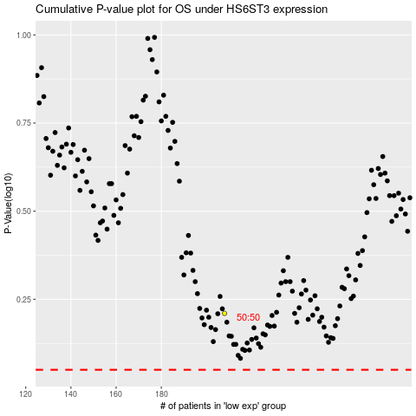

 |  |  |  |  |  | cases_OS | p_OS | rank | exp
 |  |  |  |  |  |  | cases_RFS | p_RFS | rank | exp

