HSCB _multivariate
Reported by Tex Li-Hsing Chi. tex@gate.sinica.edu.tw 2019-08-19

Table 2. The clinicopathological features of HNSCC cohort and HSCB expression. (Chi square test)
Cutoff at -0.244 (49.8%)
 |  | HSCB expression |  | HSCB expression |  | (Optimised)
 | Features | Low | (%) | High | (%) | Case no | P-value | Remark | Matthews
Gender | Female | 146 | 35.2 | 160 | 38.6 | 415 | 0.1714 | 0 | 0
2 | Male | 61 | 14.7 | 48 | 11.6
Age at diagnosis | <=65y | 133 | 32 | 141 | 34 | 415 | 0.5111 | 0 | 0
4 | >65y | 74 | 17.8 | 67 | 16.1
Clinical T Status | T1+T2 | 66 | 15.9 | 83 | 20 | 415 | 0.1095 | 0 | 0
6 | T3+T4 | 141 | 34 | 125 | 30.1
Clinical N Status | N0 | 109 | 26.3 | 107 | 25.8 | 415 | 0.8812 | 0 | 0
8 | N1-3 | 98 | 23.6 | 101 | 24.3
Clinical M Status | M0 | 206 | 49.6 | 206 | 49.6 | 415 | 1 | 0 | 0
10 | M1 | 1 | 0.2 | 2 | 0.5
Clinical Stage | Stage I+II | 49 | 11.8 | 53 | 12.8 | 415 | 0.7535 | 0 | 0
12 | Stage III+IV | 158 | 38.1 | 155 | 37.3
Surgical Margin status | Negative | 167 | 40.2 | 151 | 36.4 | 415 | 0.0632 | 0 | 0
14 | Positive | 40 | 9.6 | 57 | 13.7
Tobacco Exposure | Low | 90 | 21.7 | 71 | 17.1 | 415 | 0.0559 | 0 | 0
16 | High | 117 | 28.2 | 137 | 33

Table 3. Univariate/Multivariate Cox's proportional hazards regression analyses on OS time of HSCB gene expression in HNSCC

 |  | Univariate |  |  |  | Multivariate
 | Features | HR | CI95%(L) | CI95%(H) | P-value | HR | CI95%(L) | CI95%(H) | P-value
1 | Female | 1 |  |  |  | 1
Gender | Male | 1.157 | 0.843 | 1.587 | 0.367 | 1.2 | 0.859 | 1.676 | 0.286
11 | <=65y | 1 |  |  |  | 1
Age at diagnosis | >65y | 1.329 | 0.99 | 1.784 | 0.058 | 1.39 | 1.022 | 1.89 | 0.036
12 | T1+T2 | 1 |  |  |  | 1
Clinical T Status | T3+T4 | 1.409 | 1.028 | 1.931 | 0.033 | 2.184 | 1.154 | 4.132 | 0.016
13 | N0 | 1 |  |  |  | 1
Clinical N Status | N1-3 | 1.185 | 0.89 | 1.577 | 0.246 | 1.24 | 0.869 | 1.769 | 0.235
14 | M0 | 1 |  |  |  | 1
Clinical M Status | M1 | 4.097 | 1.009 | 16.644 | 0.049 | 9.448 | 2.061 | 43.313 | 0.004
15 | Stage I+II | 1 |  |  |  | 1
Clinical Stage | Stage III+IV | 1.245 | 0.882 | 1.759 | 0.213 | 0.508 | 0.237 | 1.092 | 0.083
16 | Negative | 1 |  |  |  | 1
Surgical Margin status | Positive | 1.591 | 1.155 | 2.191 | 0.004 | 1.693 | 1.222 | 2.346 | 0.002
17 | Low | 1 |  |  |  | 1
Tobacco Exposure | High | 1.364 | 1.008 | 1.844 | 0.044 | 1.467 | 1.063 | 2.025 | 0.02
18 | Low | 1 |  |  |  | 1
RNAseq(z-score) | High | 0.955 | 0.717 | 1.272 | 0.752 | 0.916 | 0.684 | 1.225 | 0.553

Table 4. Univariate/Multivariate Cox's proportional hazards regression analyses on RFS time of HSCB gene expression in HNSCC

 |  | Univariate |  |  |  | Multivariate
 | Features | HR | CI95%(L) | CI95%(H) | P-value | HR | CI95%(L) | CI95%(H) | P-value
1 | Female | 1 |  |  |  | 1
Gender | Male | 1.157 | 0.843 | 1.587 | 0.367 | 1.2 | 0.859 | 1.676 | 0.286
11 | <=65y | 1 |  |  |  | 1
Age at diagnosis | >65y | 1.329 | 0.99 | 1.784 | 0.058 | 1.39 | 1.022 | 1.89 | 0.036
12 | T1+T2 | 1 |  |  |  | 1
Clinical T Status | T3+T4 | 1.409 | 1.028 | 1.931 | 0.033 | 2.184 | 1.154 | 4.132 | 0.016
13 | N0 | 1 |  |  |  | 1
Clinical N Status | N1-3 | 1.185 | 0.89 | 1.577 | 0.246 | 1.24 | 0.869 | 1.769 | 0.235
14 | M0 | 1 |  |  |  | 1
Clinical M Status | M1 | 4.097 | 1.009 | 16.644 | 0.049 | 9.448 | 2.061 | 43.313 | 0.004
15 | Stage I+II | 1 |  |  |  | 1
Clinical Stage | Stage III+IV | 1.245 | 0.882 | 1.759 | 0.213 | 0.508 | 0.237 | 1.092 | 0.083
16 | Negative | 1 |  |  |  | 1
Surgical Margin status | Positive | 1.591 | 1.155 | 2.191 | 0.004 | 1.693 | 1.222 | 2.346 | 0.002
17 | Low | 1 |  |  |  | 1
Tobacco Exposure | High | 1.364 | 1.008 | 1.844 | 0.044 | 1.467 | 1.063 | 2.025 | 0.02
18 | Low | 1 |  |  |  | 1
RNAseq(z-score) | High | 0.955 | 0.717 | 1.272 | 0.752 | 0.916 | 0.684 | 1.225 | 0.553

Kaplan-Meier survival estimate: Cutoff at -0.244 (49.8%)



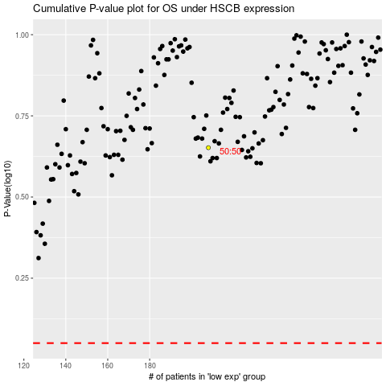

 |  |  |  |  |  | cases_OS | p_OS | rank | exp
 |  |  |  |  |  |  | cases_RFS | p_RFS | rank | exp

