HSD11B1 _multivariate
Reported by Tex Li-Hsing Chi. tex@gate.sinica.edu.tw 2019-08-19

Table 2. The clinicopathological features of HNSCC cohort and HSD11B1 expression. (Chi square test)
Cutoff at -0.07 (66.2%)
 |  | HSD11B1 expression |  | HSD11B1 expression |  | (Optimised)
 | Features | Low | (%) | High | (%) | Case no | P-value | Remark | Matthews
Gender | Female | 208 | 50.1 | 98 | 23.6 | 415 | 0.2646 | 0 | 0
2 | Male | 67 | 16.1 | 42 | 10.1
Age at diagnosis | <=65y | 188 | 45.3 | 86 | 20.7 | 415 | 0.1934 | 0 | 0
4 | >65y | 87 | 21 | 54 | 13
Clinical T Status | T1+T2 | 101 | 24.3 | 48 | 11.6 | 415 | 0.7025 | 0 | 0
6 | T3+T4 | 174 | 41.9 | 92 | 22.2
Clinical N Status | N0 | 146 | 35.2 | 70 | 16.9 | 415 | 0.6227 | 0 | 0
8 | N1-3 | 129 | 31.1 | 70 | 16.9
Clinical M Status | M0 | 272 | 65.5 | 140 | 33.7 | 415 | 0.554 | 0 | 0
10 | M1 | 3 | 0.7 | 0 | 0
Clinical Stage | Stage I+II | 67 | 16.1 | 35 | 8.4 | 415 | 0.9826 | 0 | 0
12 | Stage III+IV | 208 | 50.1 | 105 | 25.3
Surgical Margin status | Negative | 209 | 50.4 | 109 | 26.3 | 415 | 0.7141 | 0 | 0
14 | Positive | 66 | 15.9 | 31 | 7.5
Tobacco Exposure | Low | 104 | 25.1 | 57 | 13.7 | 415 | 0.595 | 0 | 0
16 | High | 171 | 41.2 | 83 | 20

Table 3. Univariate/Multivariate Cox's proportional hazards regression analyses on OS time of HSD11B1 gene expression in HNSCC

 |  | Univariate |  |  |  | Multivariate
 | Features | HR | CI95%(L) | CI95%(H) | P-value | HR | CI95%(L) | CI95%(H) | P-value
1 | Female | 1 |  |  |  | 1
Gender | Male | 1.157 | 0.843 | 1.587 | 0.367 | 1.184 | 0.847 | 1.656 | 0.324
11 | <=65y | 1 |  |  |  | 1
Age at diagnosis | >65y | 1.329 | 0.99 | 1.784 | 0.058 | 1.388 | 1.021 | 1.886 | 0.037
12 | T1+T2 | 1 |  |  |  | 1
Clinical T Status | T3+T4 | 1.409 | 1.028 | 1.931 | 0.033 | 2.126 | 1.124 | 4.022 | 0.02
13 | N0 | 1 |  |  |  | 1
Clinical N Status | N1-3 | 1.185 | 0.89 | 1.577 | 0.246 | 1.23 | 0.862 | 1.755 | 0.253
14 | M0 | 1 |  |  |  | 1
Clinical M Status | M1 | 4.097 | 1.009 | 16.644 | 0.049 | 10.171 | 2.215 | 46.701 | 0.003
15 | Stage I+II | 1 |  |  |  | 1
Clinical Stage | Stage III+IV | 1.245 | 0.882 | 1.759 | 0.213 | 0.525 | 0.244 | 1.128 | 0.099
16 | Negative | 1 |  |  |  | 1
Surgical Margin status | Positive | 1.591 | 1.155 | 2.191 | 0.004 | 1.656 | 1.199 | 2.286 | 0.002
17 | Low | 1 |  |  |  | 1
Tobacco Exposure | High | 1.364 | 1.008 | 1.844 | 0.044 | 1.475 | 1.071 | 2.031 | 0.017
18 | Low | 1 |  |  |  | 1
RNAseq(z-score) | High | 1.373 | 1.024 | 1.839 | 0.034 | 1.356 | 1.009 | 1.822 | 0.043

Table 4. Univariate/Multivariate Cox's proportional hazards regression analyses on RFS time of HSD11B1 gene expression in HNSCC

 |  | Univariate |  |  |  | Multivariate
 | Features | HR | CI95%(L) | CI95%(H) | P-value | HR | CI95%(L) | CI95%(H) | P-value
1 | Female | 1 |  |  |  | 1
Gender | Male | 1.157 | 0.843 | 1.587 | 0.367 | 1.184 | 0.847 | 1.656 | 0.324
11 | <=65y | 1 |  |  |  | 1
Age at diagnosis | >65y | 1.329 | 0.99 | 1.784 | 0.058 | 1.388 | 1.021 | 1.886 | 0.037
12 | T1+T2 | 1 |  |  |  | 1
Clinical T Status | T3+T4 | 1.409 | 1.028 | 1.931 | 0.033 | 2.126 | 1.124 | 4.022 | 0.02
13 | N0 | 1 |  |  |  | 1
Clinical N Status | N1-3 | 1.185 | 0.89 | 1.577 | 0.246 | 1.23 | 0.862 | 1.755 | 0.253
14 | M0 | 1 |  |  |  | 1
Clinical M Status | M1 | 4.097 | 1.009 | 16.644 | 0.049 | 10.171 | 2.215 | 46.701 | 0.003
15 | Stage I+II | 1 |  |  |  | 1
Clinical Stage | Stage III+IV | 1.245 | 0.882 | 1.759 | 0.213 | 0.525 | 0.244 | 1.128 | 0.099
16 | Negative | 1 |  |  |  | 1
Surgical Margin status | Positive | 1.591 | 1.155 | 2.191 | 0.004 | 1.656 | 1.199 | 2.286 | 0.002
17 | Low | 1 |  |  |  | 1
Tobacco Exposure | High | 1.364 | 1.008 | 1.844 | 0.044 | 1.475 | 1.071 | 2.031 | 0.017
18 | Low | 1 |  |  |  | 1
RNAseq(z-score) | High | 1.373 | 1.024 | 1.839 | 0.034 | 1.356 | 1.009 | 1.822 | 0.043

Kaplan-Meier survival estimate: Cutoff at -0.07 (66.2%)



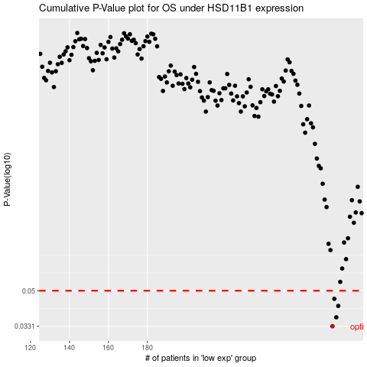

 |  |  |  |  |  | cases_OS | p_OS | rank | exp
 |  |  |  |  |  | 275 | 0.0331 | 38 | -0.070452944562
 |  |  |  |  |  | 277 | 0.0367 | 55 | -0.067897875447
 |  |  |  |  |  | 278 | 0.0419 | 302 | -0.066524489212
 |  |  |  |  |  | 276 | 0.0455 | 300 | -0.068238112313
 |  |  |  |  |  |  | cases_RFS | p_RFS | rank | exp
 |  |  |  |  |  |  | 274 | 0.0331 | 245 | -0.07106463923
 |  |  |  |  |  |  | 276 | 0.0367 | 300 | -0.068238112313
 |  |  |  |  |  |  | 277 | 0.0419 | 55 | -0.067897875447
 |  |  |  |  |  |  | 275 | 0.0455 | 38 | -0.070452944562

