HSD11B2 _multivariate
Reported by Tex Li-Hsing Chi. tex@gate.sinica.edu.tw 2019-08-19

Table 2. The clinicopathological features of HNSCC cohort and HSD11B2 expression. (Chi square test)
Cutoff at -0.153 (49.8%)
 |  | HSD11B2 expression |  | HSD11B2 expression |  | (Optimised)
 | Features | Low | (%) | High | (%) | Case no | P-value | Remark | Matthews
Gender | Female | 142 | 34.2 | 164 | 39.5 | 415 | 0.0238 | 1 | 0
2 | Male | 65 | 15.7 | 44 | 10.6
Age at diagnosis | <=65y | 128 | 30.8 | 146 | 35.2 | 415 | 0.0904 | 0 | 0
4 | >65y | 79 | 19 | 62 | 14.9
Clinical T Status | T1+T2 | 92 | 22.2 | 57 | 13.7 | 415 | 4e-04 | 1 | 0
6 | T3+T4 | 115 | 27.7 | 151 | 36.4
Clinical N Status | N0 | 105 | 25.3 | 111 | 26.7 | 415 | 0.6598 | 0 | 0
8 | N1-3 | 102 | 24.6 | 97 | 23.4
Clinical M Status | M0 | 204 | 49.2 | 208 | 50.1 | 415 | 0.1232 | 0 | 0
10 | M1 | 3 | 0.7 | 0 | 0
Clinical Stage | Stage I+II | 62 | 14.9 | 40 | 9.6 | 415 | 0.0154 | 1 | 0
12 | Stage III+IV | 145 | 34.9 | 168 | 40.5
Surgical Margin status | Negative | 153 | 36.9 | 165 | 39.8 | 415 | 0.2036 | 0 | 0
14 | Positive | 54 | 13 | 43 | 10.4
Tobacco Exposure | Low | 99 | 23.9 | 62 | 14.9 | 415 | 2e-04 | 1 | 0
16 | High | 108 | 26 | 146 | 35.2

Table 3. Univariate/Multivariate Cox's proportional hazards regression analyses on OS time of HSD11B2 gene expression in HNSCC

 |  | Univariate |  |  |  | Multivariate
 | Features | HR | CI95%(L) | CI95%(H) | P-value | HR | CI95%(L) | CI95%(H) | P-value
1 | Female | 1 |  |  |  | 1
Gender | Male | 1.157 | 0.843 | 1.587 | 0.367 | 1.191 | 0.852 | 1.665 | 0.306
11 | <=65y | 1 |  |  |  | 1
Age at diagnosis | >65y | 1.329 | 0.99 | 1.784 | 0.058 | 1.37 | 1.007 | 1.864 | 0.045
12 | T1+T2 | 1 |  |  |  | 1
Clinical T Status | T3+T4 | 1.409 | 1.028 | 1.931 | 0.033 | 2.278 | 1.201 | 4.32 | 0.012
13 | N0 | 1 |  |  |  | 1
Clinical N Status | N1-3 | 1.185 | 0.89 | 1.577 | 0.246 | 1.215 | 0.85 | 1.735 | 0.285
14 | M0 | 1 |  |  |  | 1
Clinical M Status | M1 | 4.097 | 1.009 | 16.644 | 0.049 | 8.913 | 1.938 | 40.986 | 0.005
15 | Stage I+II | 1 |  |  |  | 1
Clinical Stage | Stage III+IV | 1.245 | 0.882 | 1.759 | 0.213 | 0.512 | 0.238 | 1.1 | 0.086
16 | Negative | 1 |  |  |  | 1
Surgical Margin status | Positive | 1.591 | 1.155 | 2.191 | 0.004 | 1.662 | 1.203 | 2.297 | 0.002
17 | Low | 1 |  |  |  | 1
Tobacco Exposure | High | 1.364 | 1.008 | 1.844 | 0.044 | 1.501 | 1.084 | 2.08 | 0.015
18 | Low | 1 |  |  |  | 1
RNAseq(z-score) | High | 0.909 | 0.683 | 1.212 | 0.517 | 0.846 | 0.622 | 1.15 | 0.285

Table 4. Univariate/Multivariate Cox's proportional hazards regression analyses on RFS time of HSD11B2 gene expression in HNSCC

 |  | Univariate |  |  |  | Multivariate
 | Features | HR | CI95%(L) | CI95%(H) | P-value | HR | CI95%(L) | CI95%(H) | P-value
1 | Female | 1 |  |  |  | 1
Gender | Male | 1.157 | 0.843 | 1.587 | 0.367 | 1.191 | 0.852 | 1.665 | 0.306
11 | <=65y | 1 |  |  |  | 1
Age at diagnosis | >65y | 1.329 | 0.99 | 1.784 | 0.058 | 1.37 | 1.007 | 1.864 | 0.045
12 | T1+T2 | 1 |  |  |  | 1
Clinical T Status | T3+T4 | 1.409 | 1.028 | 1.931 | 0.033 | 2.278 | 1.201 | 4.32 | 0.012
13 | N0 | 1 |  |  |  | 1
Clinical N Status | N1-3 | 1.185 | 0.89 | 1.577 | 0.246 | 1.215 | 0.85 | 1.735 | 0.285
14 | M0 | 1 |  |  |  | 1
Clinical M Status | M1 | 4.097 | 1.009 | 16.644 | 0.049 | 8.913 | 1.938 | 40.986 | 0.005
15 | Stage I+II | 1 |  |  |  | 1
Clinical Stage | Stage III+IV | 1.245 | 0.882 | 1.759 | 0.213 | 0.512 | 0.238 | 1.1 | 0.086
16 | Negative | 1 |  |  |  | 1
Surgical Margin status | Positive | 1.591 | 1.155 | 2.191 | 0.004 | 1.662 | 1.203 | 2.297 | 0.002
17 | Low | 1 |  |  |  | 1
Tobacco Exposure | High | 1.364 | 1.008 | 1.844 | 0.044 | 1.501 | 1.084 | 2.08 | 0.015
18 | Low | 1 |  |  |  | 1
RNAseq(z-score) | High | 0.909 | 0.683 | 1.212 | 0.517 | 0.846 | 0.622 | 1.15 | 0.285

Kaplan-Meier survival estimate: Cutoff at -0.153 (49.8%)



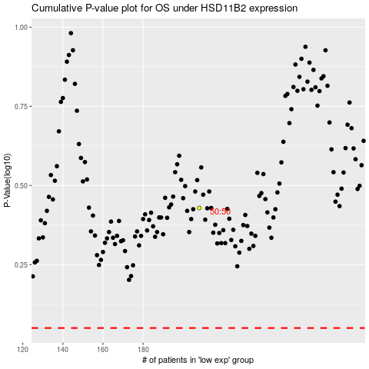

 |  |  |  |  |  | cases_OS | p_OS | rank | exp
 |  |  |  |  |  |  | cases_RFS | p_RFS | rank | exp

