HSD17B1 _multivariate
Reported by Tex Li-Hsing Chi. tex@gate.sinica.edu.tw 2019-08-19

Table 2. The clinicopathological features of HNSCC cohort and HSD17B1 expression. (Chi square test)
Cutoff at -0.185 (50.0%)
 |  | HSD17B1 expression |  | HSD17B1 expression |  | (Optimised)
 | Features | Low | (%) | High | (%) | Case no | P-value | Remark | Matthews
Gender | Female | 147 | 35.4 | 159 | 38.3 | 415 | 0.2523 | 0 | 0
2 | Male | 60 | 14.5 | 49 | 11.8
Age at diagnosis | <=65y | 141 | 34 | 133 | 32 | 415 | 0.4272 | 0 | 0
4 | >65y | 66 | 15.9 | 75 | 18.1
Clinical T Status | T1+T2 | 89 | 21.4 | 60 | 14.5 | 415 | 0.0037 | 1 | 0
6 | T3+T4 | 118 | 28.4 | 148 | 35.7
Clinical N Status | N0 | 103 | 24.8 | 113 | 27.2 | 415 | 0.4047 | 0 | 0
8 | N1-3 | 104 | 25.1 | 95 | 22.9
Clinical M Status | M0 | 206 | 49.6 | 206 | 49.6 | 415 | 1 | 0 | 0
10 | M1 | 1 | 0.2 | 2 | 0.5
Clinical Stage | Stage I+II | 55 | 13.3 | 47 | 11.3 | 415 | 0.4087 | 0 | 0
12 | Stage III+IV | 152 | 36.6 | 161 | 38.8
Surgical Margin status | Negative | 157 | 37.8 | 161 | 38.8 | 415 | 0.729 | 0 | 0
14 | Positive | 50 | 12 | 47 | 11.3
Tobacco Exposure | Low | 91 | 21.9 | 70 | 16.9 | 415 | 0.0346 | 1 | 0
16 | High | 116 | 28 | 138 | 33.3

Table 3. Univariate/Multivariate Cox's proportional hazards regression analyses on OS time of HSD17B1 gene expression in HNSCC

 |  | Univariate |  |  |  | Multivariate
 | Features | HR | CI95%(L) | CI95%(H) | P-value | HR | CI95%(L) | CI95%(H) | P-value
1 | Female | 1 |  |  |  | 1
Gender | Male | 1.157 | 0.843 | 1.587 | 0.367 | 1.203 | 0.861 | 1.681 | 0.279
11 | <=65y | 1 |  |  |  | 1
Age at diagnosis | >65y | 1.329 | 0.99 | 1.784 | 0.058 | 1.392 | 1.024 | 1.892 | 0.035
12 | T1+T2 | 1 |  |  |  | 1
Clinical T Status | T3+T4 | 1.409 | 1.028 | 1.931 | 0.033 | 2.191 | 1.155 | 4.157 | 0.016
13 | N0 | 1 |  |  |  | 1
Clinical N Status | N1-3 | 1.185 | 0.89 | 1.577 | 0.246 | 1.241 | 0.87 | 1.771 | 0.233
14 | M0 | 1 |  |  |  | 1
Clinical M Status | M1 | 4.097 | 1.009 | 16.644 | 0.049 | 9.347 | 2.034 | 42.944 | 0.004
15 | Stage I+II | 1 |  |  |  | 1
Clinical Stage | Stage III+IV | 1.245 | 0.882 | 1.759 | 0.213 | 0.506 | 0.235 | 1.086 | 0.08
16 | Negative | 1 |  |  |  | 1
Surgical Margin status | Positive | 1.591 | 1.155 | 2.191 | 0.004 | 1.676 | 1.211 | 2.32 | 0.002
17 | Low | 1 |  |  |  | 1
Tobacco Exposure | High | 1.364 | 1.008 | 1.844 | 0.044 | 1.451 | 1.052 | 2 | 0.023
18 | Low | 1 |  |  |  | 1
RNAseq(z-score) | High | 1.07 | 0.803 | 1.424 | 0.646 | 1.023 | 0.763 | 1.371 | 0.88

Table 4. Univariate/Multivariate Cox's proportional hazards regression analyses on RFS time of HSD17B1 gene expression in HNSCC

 |  | Univariate |  |  |  | Multivariate
 | Features | HR | CI95%(L) | CI95%(H) | P-value | HR | CI95%(L) | CI95%(H) | P-value
1 | Female | 1 |  |  |  | 1
Gender | Male | 1.157 | 0.843 | 1.587 | 0.367 | 1.203 | 0.861 | 1.681 | 0.279
11 | <=65y | 1 |  |  |  | 1
Age at diagnosis | >65y | 1.329 | 0.99 | 1.784 | 0.058 | 1.392 | 1.024 | 1.892 | 0.035
12 | T1+T2 | 1 |  |  |  | 1
Clinical T Status | T3+T4 | 1.409 | 1.028 | 1.931 | 0.033 | 2.191 | 1.155 | 4.157 | 0.016
13 | N0 | 1 |  |  |  | 1
Clinical N Status | N1-3 | 1.185 | 0.89 | 1.577 | 0.246 | 1.241 | 0.87 | 1.771 | 0.233
14 | M0 | 1 |  |  |  | 1
Clinical M Status | M1 | 4.097 | 1.009 | 16.644 | 0.049 | 9.347 | 2.034 | 42.944 | 0.004
15 | Stage I+II | 1 |  |  |  | 1
Clinical Stage | Stage III+IV | 1.245 | 0.882 | 1.759 | 0.213 | 0.506 | 0.235 | 1.086 | 0.08
16 | Negative | 1 |  |  |  | 1
Surgical Margin status | Positive | 1.591 | 1.155 | 2.191 | 0.004 | 1.676 | 1.211 | 2.32 | 0.002
17 | Low | 1 |  |  |  | 1
Tobacco Exposure | High | 1.364 | 1.008 | 1.844 | 0.044 | 1.451 | 1.052 | 2 | 0.023
18 | Low | 1 |  |  |  | 1
RNAseq(z-score) | High | 1.07 | 0.803 | 1.424 | 0.646 | 1.023 | 0.763 | 1.371 | 0.88

Kaplan-Meier survival estimate: Cutoff at -0.185 (50.0%)



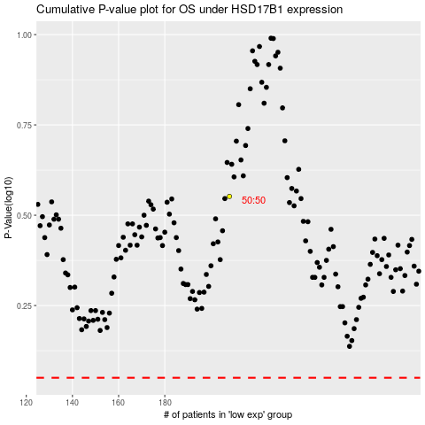

 |  |  |  |  |  | cases_OS | p_OS | rank | exp
 |  |  |  |  |  |  | cases_RFS | p_RFS | rank | exp

