HSD17B11 _multivariate
Reported by Tex Li-Hsing Chi. tex@gate.sinica.edu.tw 2019-08-19

Table 2. The clinicopathological features of HNSCC cohort and HSD17B11 expression. (Chi square test)
Cutoff at -0.211 (49.8%)
 |  | HSD17B11 expression |  | HSD17B11 expression |  | (Optimised)
 | Features | Low | (%) | High | (%) | Case no | P-value | Remark | Matthews
Gender | Female | 147 | 35.4 | 159 | 38.3 | 415 | 0.2523 | 0 | 0
2 | Male | 60 | 14.5 | 49 | 11.8
Age at diagnosis | <=65y | 150 | 36.1 | 124 | 29.9 | 415 | 0.0078 | 1 | 0
4 | >65y | 57 | 13.7 | 84 | 20.2
Clinical T Status | T1+T2 | 84 | 20.2 | 65 | 15.7 | 415 | 0.0603 | 0 | 0
6 | T3+T4 | 123 | 29.6 | 143 | 34.5
Clinical N Status | N0 | 114 | 27.5 | 102 | 24.6 | 415 | 0.2576 | 1 | 0
8 | N1-3 | 93 | 22.4 | 106 | 25.5
Clinical M Status | M0 | 205 | 49.4 | 207 | 49.9 | 415 | 0.6232 | 0 | 0
10 | M1 | 2 | 0.5 | 1 | 0.2
Clinical Stage | Stage I+II | 61 | 14.7 | 41 | 9.9 | 415 | 0.0282 | 1 | 0
12 | Stage III+IV | 146 | 35.2 | 167 | 40.2
Surgical Margin status | Negative | 160 | 38.6 | 158 | 38.1 | 415 | 0.8167 | 0 | 0
14 | Positive | 47 | 11.3 | 50 | 12
Tobacco Exposure | Low | 89 | 21.4 | 72 | 17.3 | 415 | 0.0872 | 0 | 0
16 | High | 118 | 28.4 | 136 | 32.8

Table 3. Univariate/Multivariate Cox's proportional hazards regression analyses on OS time of HSD17B11 gene expression in HNSCC

 |  | Univariate |  |  |  | Multivariate
 | Features | HR | CI95%(L) | CI95%(H) | P-value | HR | CI95%(L) | CI95%(H) | P-value
1 | Female | 1 |  |  |  | 1
Gender | Male | 1.157 | 0.843 | 1.587 | 0.367 | 1.207 | 0.863 | 1.688 | 0.271
11 | <=65y | 1 |  |  |  | 1
Age at diagnosis | >65y | 1.329 | 0.99 | 1.784 | 0.058 | 1.383 | 1.015 | 1.885 | 0.04
12 | T1+T2 | 1 |  |  |  | 1
Clinical T Status | T3+T4 | 1.409 | 1.028 | 1.931 | 0.033 | 2.203 | 1.165 | 4.165 | 0.015
13 | N0 | 1 |  |  |  | 1
Clinical N Status | N1-3 | 1.185 | 0.89 | 1.577 | 0.246 | 1.241 | 0.87 | 1.771 | 0.234
14 | M0 | 1 |  |  |  | 1
Clinical M Status | M1 | 4.097 | 1.009 | 16.644 | 0.049 | 9.464 | 2.064 | 43.4 | 0.004
15 | Stage I+II | 1 |  |  |  | 1
Clinical Stage | Stage III+IV | 1.245 | 0.882 | 1.759 | 0.213 | 0.501 | 0.233 | 1.077 | 0.077
16 | Negative | 1 |  |  |  | 1
Surgical Margin status | Positive | 1.591 | 1.155 | 2.191 | 0.004 | 1.672 | 1.21 | 2.31 | 0.002
17 | Low | 1 |  |  |  | 1
Tobacco Exposure | High | 1.364 | 1.008 | 1.844 | 0.044 | 1.448 | 1.051 | 1.996 | 0.024
18 | Low | 1 |  |  |  | 1
RNAseq(z-score) | High | 1.1 | 0.826 | 1.466 | 0.513 | 1.048 | 0.781 | 1.406 | 0.753

Table 4. Univariate/Multivariate Cox's proportional hazards regression analyses on RFS time of HSD17B11 gene expression in HNSCC

 |  | Univariate |  |  |  | Multivariate
 | Features | HR | CI95%(L) | CI95%(H) | P-value | HR | CI95%(L) | CI95%(H) | P-value
1 | Female | 1 |  |  |  | 1
Gender | Male | 1.157 | 0.843 | 1.587 | 0.367 | 1.207 | 0.863 | 1.688 | 0.271
11 | <=65y | 1 |  |  |  | 1
Age at diagnosis | >65y | 1.329 | 0.99 | 1.784 | 0.058 | 1.383 | 1.015 | 1.885 | 0.04
12 | T1+T2 | 1 |  |  |  | 1
Clinical T Status | T3+T4 | 1.409 | 1.028 | 1.931 | 0.033 | 2.203 | 1.165 | 4.165 | 0.015
13 | N0 | 1 |  |  |  | 1
Clinical N Status | N1-3 | 1.185 | 0.89 | 1.577 | 0.246 | 1.241 | 0.87 | 1.771 | 0.234
14 | M0 | 1 |  |  |  | 1
Clinical M Status | M1 | 4.097 | 1.009 | 16.644 | 0.049 | 9.464 | 2.064 | 43.4 | 0.004
15 | Stage I+II | 1 |  |  |  | 1
Clinical Stage | Stage III+IV | 1.245 | 0.882 | 1.759 | 0.213 | 0.501 | 0.233 | 1.077 | 0.077
16 | Negative | 1 |  |  |  | 1
Surgical Margin status | Positive | 1.591 | 1.155 | 2.191 | 0.004 | 1.672 | 1.21 | 2.31 | 0.002
17 | Low | 1 |  |  |  | 1
Tobacco Exposure | High | 1.364 | 1.008 | 1.844 | 0.044 | 1.448 | 1.051 | 1.996 | 0.024
18 | Low | 1 |  |  |  | 1
RNAseq(z-score) | High | 1.1 | 0.826 | 1.466 | 0.513 | 1.048 | 0.781 | 1.406 | 0.753

Kaplan-Meier survival estimate: Cutoff at -0.211 (49.8%)



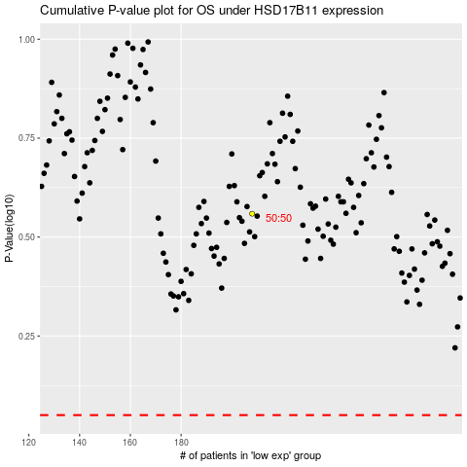

 |  |  |  |  |  | cases_OS | p_OS | rank | exp
 |  |  |  |  |  |  | cases_RFS | p_RFS | rank | exp

