HSD17B13 _multivariate
Reported by Tex Li-Hsing Chi. tex@gate.sinica.edu.tw 2019-08-19

Table 2. The clinicopathological features of HNSCC cohort and HSD17B13 expression. (Chi square test)
Cutoff at -0.124 (30.4%)
 |  | HSD17B13 expression |  | HSD17B13 expression |  | (Optimised)
 | Features | Low | (%) | High | (%) | Case no | P-value | Remark | Matthews
Gender | Female | 87 | 21 | 219 | 52.8 | 415 | 0.137 | 0 | 0
2 | Male | 40 | 9.6 | 69 | 16.6
Age at diagnosis | <=65y | 88 | 21.2 | 186 | 44.8 | 415 | 0.4118 | 0 | 0
4 | >65y | 39 | 9.4 | 102 | 24.6
Clinical T Status | T1+T2 | 43 | 10.4 | 106 | 25.5 | 415 | 0.6414 | 0 | 0
6 | T3+T4 | 84 | 20.2 | 182 | 43.9
Clinical N Status | N0 | 65 | 15.7 | 151 | 36.4 | 415 | 0.898 | 0 | 0
8 | N1-3 | 62 | 14.9 | 137 | 33
Clinical M Status | M0 | 127 | 30.6 | 285 | 68.7 | 415 | 0.5562 | 0 | 0
10 | M1 | 0 | 0 | 3 | 0.7
Clinical Stage | Stage I+II | 33 | 8 | 69 | 16.6 | 415 | 0.7505 | 0 | 0
12 | Stage III+IV | 94 | 22.7 | 219 | 52.8
Surgical Margin status | Negative | 103 | 24.8 | 215 | 51.8 | 415 | 0.1676 | 0 | 0
14 | Positive | 24 | 5.8 | 73 | 17.6
Tobacco Exposure | Low | 53 | 12.8 | 108 | 26 | 415 | 0.4449 | 0 | 0
16 | High | 74 | 17.8 | 180 | 43.4

Table 3. Univariate/Multivariate Cox's proportional hazards regression analyses on OS time of HSD17B13 gene expression in HNSCC

 |  | Univariate |  |  |  | Multivariate
 | Features | HR | CI95%(L) | CI95%(H) | P-value | HR | CI95%(L) | CI95%(H) | P-value
1 | Female | 1 |  |  |  | 1
Gender | Male | 1.157 | 0.843 | 1.587 | 0.367 | 1.224 | 0.877 | 1.709 | 0.234
11 | <=65y | 1 |  |  |  | 1
Age at diagnosis | >65y | 1.329 | 0.99 | 1.784 | 0.058 | 1.415 | 1.04 | 1.926 | 0.027
12 | T1+T2 | 1 |  |  |  | 1
Clinical T Status | T3+T4 | 1.409 | 1.028 | 1.931 | 0.033 | 2.28 | 1.205 | 4.314 | 0.011
13 | N0 | 1 |  |  |  | 1
Clinical N Status | N1-3 | 1.185 | 0.89 | 1.577 | 0.246 | 1.287 | 0.9 | 1.84 | 0.167
14 | M0 | 1 |  |  |  | 1
Clinical M Status | M1 | 4.097 | 1.009 | 16.644 | 0.049 | 8.787 | 1.914 | 40.333 | 0.005
15 | Stage I+II | 1 |  |  |  | 1
Clinical Stage | Stage III+IV | 1.245 | 0.882 | 1.759 | 0.213 | 0.472 | 0.219 | 1.015 | 0.055
16 | Negative | 1 |  |  |  | 1
Surgical Margin status | Positive | 1.591 | 1.155 | 2.191 | 0.004 | 1.606 | 1.16 | 2.224 | 0.004
17 | Low | 1 |  |  |  | 1
Tobacco Exposure | High | 1.364 | 1.008 | 1.844 | 0.044 | 1.427 | 1.036 | 1.966 | 0.03
18 | Low | 1 |  |  |  | 1
RNAseq(z-score) | High | 1.427 | 1.028 | 1.982 | 0.034 | 1.392 | 0.995 | 1.946 | 0.053

Table 4. Univariate/Multivariate Cox's proportional hazards regression analyses on RFS time of HSD17B13 gene expression in HNSCC

 |  | Univariate |  |  |  | Multivariate
 | Features | HR | CI95%(L) | CI95%(H) | P-value | HR | CI95%(L) | CI95%(H) | P-value
1 | Female | 1 |  |  |  | 1
Gender | Male | 1.157 | 0.843 | 1.587 | 0.367 | 1.224 | 0.877 | 1.709 | 0.234
11 | <=65y | 1 |  |  |  | 1
Age at diagnosis | >65y | 1.329 | 0.99 | 1.784 | 0.058 | 1.415 | 1.04 | 1.926 | 0.027
12 | T1+T2 | 1 |  |  |  | 1
Clinical T Status | T3+T4 | 1.409 | 1.028 | 1.931 | 0.033 | 2.28 | 1.205 | 4.314 | 0.011
13 | N0 | 1 |  |  |  | 1
Clinical N Status | N1-3 | 1.185 | 0.89 | 1.577 | 0.246 | 1.287 | 0.9 | 1.84 | 0.167
14 | M0 | 1 |  |  |  | 1
Clinical M Status | M1 | 4.097 | 1.009 | 16.644 | 0.049 | 8.787 | 1.914 | 40.333 | 0.005
15 | Stage I+II | 1 |  |  |  | 1
Clinical Stage | Stage III+IV | 1.245 | 0.882 | 1.759 | 0.213 | 0.472 | 0.219 | 1.015 | 0.055
16 | Negative | 1 |  |  |  | 1
Surgical Margin status | Positive | 1.591 | 1.155 | 2.191 | 0.004 | 1.606 | 1.16 | 2.224 | 0.004
17 | Low | 1 |  |  |  | 1
Tobacco Exposure | High | 1.364 | 1.008 | 1.844 | 0.044 | 1.427 | 1.036 | 1.966 | 0.03
18 | Low | 1 |  |  |  | 1
RNAseq(z-score) | High | 1.427 | 1.028 | 1.982 | 0.034 | 1.392 | 0.995 | 1.946 | 0.053

Kaplan-Meier survival estimate: Cutoff at -0.124 (30.4%)



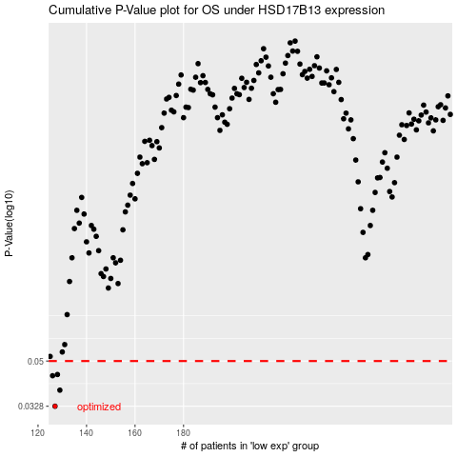

 |  |  |  |  |  | cases_OS | p_OS | rank | exp
 |  |  |  |  |  | 127 | 0.0328 | 302 | -0.12442537775
 |  |  |  |  |  | 129 | 0.0381 | 108 | -0.12432226765
 |  |  |  |  |  | 126 | 0.0436 | 140 | -0.12444520662
 |  |  |  |  |  | 128 | 0.0441 | 5 | -0.12432623342
 |  |  |  |  |  |  | cases_RFS | p_RFS | rank | exp
 |  |  |  |  |  |  | 126 | 0.0328 | 140 | -0.12444520662
 |  |  |  |  |  |  | 128 | 0.0381 | 5 | -0.12432623342
 |  |  |  |  |  |  | 125 | 0.0436 | 392 | -0.12445710394
 |  |  |  |  |  |  | 127 | 0.0441 | 302 | -0.12442537775

