HSD17B2 _multivariate
Reported by Tex Li-Hsing Chi. tex@gate.sinica.edu.tw 2019-08-19

Table 2. The clinicopathological features of HNSCC cohort and HSD17B2 expression. (Chi square test)
Cutoff at -0.341 (50.0%)
 |  | HSD17B2 expression |  | HSD17B2 expression |  | (Optimised)
 | Features | Low | (%) | High | (%) | Case no | P-value | Remark | Matthews
Gender | Female | 152 | 36.6 | 154 | 37.1 | 415 | 0.9766 | 0 | 0
2 | Male | 55 | 13.3 | 54 | 13
Age at diagnosis | <=65y | 139 | 33.5 | 135 | 32.5 | 415 | 0.7044 | 0 | 0
4 | >65y | 68 | 16.4 | 73 | 17.6
Clinical T Status | T1+T2 | 83 | 20 | 66 | 15.9 | 415 | 0.0941 | 0 | 0
6 | T3+T4 | 124 | 29.9 | 142 | 34.2
Clinical N Status | N0 | 109 | 26.3 | 107 | 25.8 | 415 | 0.8812 | 0 | 0
8 | N1-3 | 98 | 23.6 | 101 | 24.3
Clinical M Status | M0 | 206 | 49.6 | 206 | 49.6 | 415 | 1 | 0 | 0
10 | M1 | 1 | 0.2 | 2 | 0.5
Clinical Stage | Stage I+II | 56 | 13.5 | 46 | 11.1 | 415 | 0.2918 | 0 | 0
12 | Stage III+IV | 151 | 36.4 | 162 | 39
Surgical Margin status | Negative | 159 | 38.3 | 159 | 38.3 | 415 | 1 | 0 | 0
14 | Positive | 48 | 11.6 | 49 | 11.8
Tobacco Exposure | Low | 80 | 19.3 | 81 | 19.5 | 415 | 1 | 0 | 0
16 | High | 127 | 30.6 | 127 | 30.6

Table 3. Univariate/Multivariate Cox's proportional hazards regression analyses on OS time of HSD17B2 gene expression in HNSCC

 |  | Univariate |  |  |  | Multivariate
 | Features | HR | CI95%(L) | CI95%(H) | P-value | HR | CI95%(L) | CI95%(H) | P-value
1 | Female | 1 |  |  |  | 1
Gender | Male | 1.157 | 0.843 | 1.587 | 0.367 | 1.223 | 0.874 | 1.71 | 0.24
11 | <=65y | 1 |  |  |  | 1
Age at diagnosis | >65y | 1.329 | 0.99 | 1.784 | 0.058 | 1.389 | 1.021 | 1.888 | 0.036
12 | T1+T2 | 1 |  |  |  | 1
Clinical T Status | T3+T4 | 1.409 | 1.028 | 1.931 | 0.033 | 2.263 | 1.194 | 4.291 | 0.012
13 | N0 | 1 |  |  |  | 1
Clinical N Status | N1-3 | 1.185 | 0.89 | 1.577 | 0.246 | 1.249 | 0.875 | 1.783 | 0.221
14 | M0 | 1 |  |  |  | 1
Clinical M Status | M1 | 4.097 | 1.009 | 16.644 | 0.049 | 10.135 | 2.197 | 46.763 | 0.003
15 | Stage I+II | 1 |  |  |  | 1
Clinical Stage | Stage III+IV | 1.245 | 0.882 | 1.759 | 0.213 | 0.494 | 0.23 | 1.062 | 0.071
16 | Negative | 1 |  |  |  | 1
Surgical Margin status | Positive | 1.591 | 1.155 | 2.191 | 0.004 | 1.681 | 1.216 | 2.324 | 0.002
17 | Low | 1 |  |  |  | 1
Tobacco Exposure | High | 1.364 | 1.008 | 1.844 | 0.044 | 1.452 | 1.055 | 2 | 0.022
18 | Low | 1 |  |  |  | 1
RNAseq(z-score) | High | 0.916 | 0.687 | 1.222 | 0.552 | 0.849 | 0.634 | 1.137 | 0.271

Table 4. Univariate/Multivariate Cox's proportional hazards regression analyses on RFS time of HSD17B2 gene expression in HNSCC

 |  | Univariate |  |  |  | Multivariate
 | Features | HR | CI95%(L) | CI95%(H) | P-value | HR | CI95%(L) | CI95%(H) | P-value
1 | Female | 1 |  |  |  | 1
Gender | Male | 1.157 | 0.843 | 1.587 | 0.367 | 1.223 | 0.874 | 1.71 | 0.24
11 | <=65y | 1 |  |  |  | 1
Age at diagnosis | >65y | 1.329 | 0.99 | 1.784 | 0.058 | 1.389 | 1.021 | 1.888 | 0.036
12 | T1+T2 | 1 |  |  |  | 1
Clinical T Status | T3+T4 | 1.409 | 1.028 | 1.931 | 0.033 | 2.263 | 1.194 | 4.291 | 0.012
13 | N0 | 1 |  |  |  | 1
Clinical N Status | N1-3 | 1.185 | 0.89 | 1.577 | 0.246 | 1.249 | 0.875 | 1.783 | 0.221
14 | M0 | 1 |  |  |  | 1
Clinical M Status | M1 | 4.097 | 1.009 | 16.644 | 0.049 | 10.135 | 2.197 | 46.763 | 0.003
15 | Stage I+II | 1 |  |  |  | 1
Clinical Stage | Stage III+IV | 1.245 | 0.882 | 1.759 | 0.213 | 0.494 | 0.23 | 1.062 | 0.071
16 | Negative | 1 |  |  |  | 1
Surgical Margin status | Positive | 1.591 | 1.155 | 2.191 | 0.004 | 1.681 | 1.216 | 2.324 | 0.002
17 | Low | 1 |  |  |  | 1
Tobacco Exposure | High | 1.364 | 1.008 | 1.844 | 0.044 | 1.452 | 1.055 | 2 | 0.022
18 | Low | 1 |  |  |  | 1
RNAseq(z-score) | High | 0.916 | 0.687 | 1.222 | 0.552 | 0.849 | 0.634 | 1.137 | 0.271

Kaplan-Meier survival estimate: Cutoff at -0.341 (50.0%)



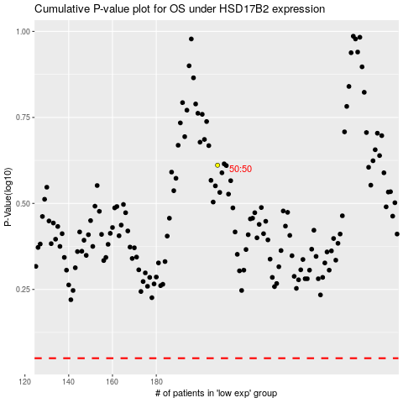

 |  |  |  |  |  | cases_OS | p_OS | rank | exp
 |  |  |  |  |  |  | cases_RFS | p_RFS | rank | exp

