HSD17B4 _multivariate
Reported by Tex Li-Hsing Chi. tex@gate.sinica.edu.tw 2019-08-19

Table 2. The clinicopathological features of HNSCC cohort and HSD17B4 expression. (Chi square test)
Cutoff at -0.253 (49.8%)
 |  | HSD17B4 expression |  | HSD17B4 expression |  | (Optimised)
 | Features | Low | (%) | High | (%) | Case no | P-value | Remark | Matthews
Gender | Female | 164 | 39.5 | 142 | 34.2 | 415 | 0.0153 | 1 | 0
2 | Male | 43 | 10.4 | 66 | 15.9
Age at diagnosis | <=65y | 138 | 33.3 | 136 | 32.8 | 415 | 0.8634 | 0 | 0
4 | >65y | 69 | 16.6 | 72 | 17.3
Clinical T Status | T1+T2 | 61 | 14.7 | 88 | 21.2 | 415 | 0.0087 | 1 | 0
6 | T3+T4 | 146 | 35.2 | 120 | 28.9
Clinical N Status | N0 | 104 | 25.1 | 112 | 27 | 415 | 0.5243 | 0 | 0
8 | N1-3 | 103 | 24.8 | 96 | 23.1
Clinical M Status | M0 | 204 | 49.2 | 208 | 50.1 | 415 | 0.1232 | 0 | 0
10 | M1 | 3 | 0.7 | 0 | 0
Clinical Stage | Stage I+II | 47 | 11.3 | 55 | 13.3 | 415 | 0.4413 | 0 | 0
12 | Stage III+IV | 160 | 38.6 | 153 | 36.9
Surgical Margin status | Negative | 162 | 39 | 156 | 37.6 | 415 | 0.4867 | 0 | 0
14 | Positive | 45 | 10.8 | 52 | 12.5
Tobacco Exposure | Low | 67 | 16.1 | 94 | 22.7 | 415 | 0.0088 | 1 | 0
16 | High | 140 | 33.7 | 114 | 27.5

Table 3. Univariate/Multivariate Cox's proportional hazards regression analyses on OS time of HSD17B4 gene expression in HNSCC

 |  | Univariate |  |  |  | Multivariate
 | Features | HR | CI95%(L) | CI95%(H) | P-value | HR | CI95%(L) | CI95%(H) | P-value
1 | Female | 1 |  |  |  | 1
Gender | Male | 1.157 | 0.843 | 1.587 | 0.367 | 1.204 | 0.862 | 1.683 | 0.276
11 | <=65y | 1 |  |  |  | 1
Age at diagnosis | >65y | 1.329 | 0.99 | 1.784 | 0.058 | 1.39 | 1.022 | 1.89 | 0.036
12 | T1+T2 | 1 |  |  |  | 1
Clinical T Status | T3+T4 | 1.409 | 1.028 | 1.931 | 0.033 | 2.165 | 1.13 | 4.147 | 0.02
13 | N0 | 1 |  |  |  | 1
Clinical N Status | N1-3 | 1.185 | 0.89 | 1.577 | 0.246 | 1.234 | 0.863 | 1.765 | 0.25
14 | M0 | 1 |  |  |  | 1
Clinical M Status | M1 | 4.097 | 1.009 | 16.644 | 0.049 | 9.1 | 1.946 | 42.551 | 0.005
15 | Stage I+II | 1 |  |  |  | 1
Clinical Stage | Stage III+IV | 1.245 | 0.882 | 1.759 | 0.213 | 0.514 | 0.236 | 1.117 | 0.093
16 | Negative | 1 |  |  |  | 1
Surgical Margin status | Positive | 1.591 | 1.155 | 2.191 | 0.004 | 1.675 | 1.212 | 2.316 | 0.002
17 | Low | 1 |  |  |  | 1
Tobacco Exposure | High | 1.364 | 1.008 | 1.844 | 0.044 | 1.444 | 1.044 | 1.996 | 0.026
18 | Low | 1 |  |  |  | 1
RNAseq(z-score) | High | 0.849 | 0.637 | 1.132 | 0.265 | 0.96 | 0.71 | 1.299 | 0.793

Table 4. Univariate/Multivariate Cox's proportional hazards regression analyses on RFS time of HSD17B4 gene expression in HNSCC

 |  | Univariate |  |  |  | Multivariate
 | Features | HR | CI95%(L) | CI95%(H) | P-value | HR | CI95%(L) | CI95%(H) | P-value
1 | Female | 1 |  |  |  | 1
Gender | Male | 1.157 | 0.843 | 1.587 | 0.367 | 1.204 | 0.862 | 1.683 | 0.276
11 | <=65y | 1 |  |  |  | 1
Age at diagnosis | >65y | 1.329 | 0.99 | 1.784 | 0.058 | 1.39 | 1.022 | 1.89 | 0.036
12 | T1+T2 | 1 |  |  |  | 1
Clinical T Status | T3+T4 | 1.409 | 1.028 | 1.931 | 0.033 | 2.165 | 1.13 | 4.147 | 0.02
13 | N0 | 1 |  |  |  | 1
Clinical N Status | N1-3 | 1.185 | 0.89 | 1.577 | 0.246 | 1.234 | 0.863 | 1.765 | 0.25
14 | M0 | 1 |  |  |  | 1
Clinical M Status | M1 | 4.097 | 1.009 | 16.644 | 0.049 | 9.1 | 1.946 | 42.551 | 0.005
15 | Stage I+II | 1 |  |  |  | 1
Clinical Stage | Stage III+IV | 1.245 | 0.882 | 1.759 | 0.213 | 0.514 | 0.236 | 1.117 | 0.093
16 | Negative | 1 |  |  |  | 1
Surgical Margin status | Positive | 1.591 | 1.155 | 2.191 | 0.004 | 1.675 | 1.212 | 2.316 | 0.002
17 | Low | 1 |  |  |  | 1
Tobacco Exposure | High | 1.364 | 1.008 | 1.844 | 0.044 | 1.444 | 1.044 | 1.996 | 0.026
18 | Low | 1 |  |  |  | 1
RNAseq(z-score) | High | 0.849 | 0.637 | 1.132 | 0.265 | 0.96 | 0.71 | 1.299 | 0.793

Kaplan-Meier survival estimate: Cutoff at -0.253 (49.8%)



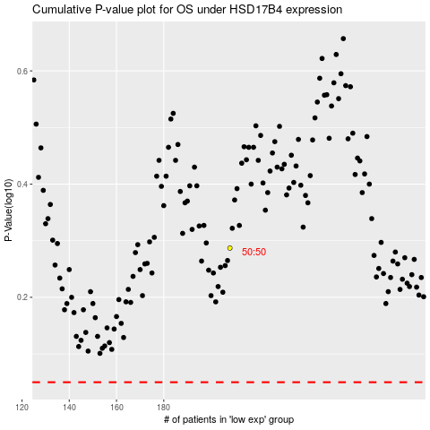

 |  |  |  |  |  | cases_OS | p_OS | rank | exp
 |  |  |  |  |  |  | cases_RFS | p_RFS | rank | exp

