HSD17B6 _multivariate
Reported by Tex Li-Hsing Chi. tex@gate.sinica.edu.tw 2019-08-19

Table 2. The clinicopathological features of HNSCC cohort and HSD17B6 expression. (Chi square test)
Cutoff at -0.4 (30.2%)
 |  | HSD17B6 expression |  | HSD17B6 expression |  | (Optimised)
 | Features | Low | (%) | High | (%) | Case no | P-value | Remark | Matthews
Gender | Female | 89 | 21.4 | 217 | 52.3 | 415 | 0.5164 | 0 | 0
2 | Male | 36 | 8.7 | 73 | 17.6
Age at diagnosis | <=65y | 83 | 20 | 191 | 46 | 415 | 1 | 0 | 0
4 | >65y | 42 | 10.1 | 99 | 23.9
Clinical T Status | T1+T2 | 48 | 11.6 | 101 | 24.3 | 415 | 0.5589 | 0 | 0
6 | T3+T4 | 77 | 18.6 | 189 | 45.5
Clinical N Status | N0 | 63 | 15.2 | 153 | 36.9 | 415 | 0.7383 | 0 | 0
8 | N1-3 | 62 | 14.9 | 137 | 33
Clinical M Status | M0 | 124 | 29.9 | 288 | 69.4 | 415 | 1 | 0 | 0
10 | M1 | 1 | 0.2 | 2 | 0.5
Clinical Stage | Stage I+II | 32 | 7.7 | 70 | 16.9 | 415 | 0.8469 | 0 | 0
12 | Stage III+IV | 93 | 22.4 | 220 | 53
Surgical Margin status | Negative | 101 | 24.3 | 217 | 52.3 | 415 | 0.2075 | 0 | 0
14 | Positive | 24 | 5.8 | 73 | 17.6
Tobacco Exposure | Low | 55 | 13.3 | 106 | 25.5 | 415 | 0.1556 | 0 | 0
16 | High | 70 | 16.9 | 184 | 44.3

Table 3. Univariate/Multivariate Cox's proportional hazards regression analyses on OS time of HSD17B6 gene expression in HNSCC

 |  | Univariate |  |  |  | Multivariate
 | Features | HR | CI95%(L) | CI95%(H) | P-value | HR | CI95%(L) | CI95%(H) | P-value
1 | Female | 1 |  |  |  | 1
Gender | Male | 1.157 | 0.843 | 1.587 | 0.367 | 1.192 | 0.852 | 1.669 | 0.305
11 | <=65y | 1 |  |  |  | 1
Age at diagnosis | >65y | 1.329 | 0.99 | 1.784 | 0.058 | 1.396 | 1.026 | 1.9 | 0.034
12 | T1+T2 | 1 |  |  |  | 1
Clinical T Status | T3+T4 | 1.409 | 1.028 | 1.931 | 0.033 | 2.204 | 1.165 | 4.168 | 0.015
13 | N0 | 1 |  |  |  | 1
Clinical N Status | N1-3 | 1.185 | 0.89 | 1.577 | 0.246 | 1.238 | 0.867 | 1.767 | 0.24
14 | M0 | 1 |  |  |  | 1
Clinical M Status | M1 | 4.097 | 1.009 | 16.644 | 0.049 | 9.048 | 1.974 | 41.477 | 0.005
15 | Stage I+II | 1 |  |  |  | 1
Clinical Stage | Stage III+IV | 1.245 | 0.882 | 1.759 | 0.213 | 0.515 | 0.24 | 1.107 | 0.089
16 | Negative | 1 |  |  |  | 1
Surgical Margin status | Positive | 1.591 | 1.155 | 2.191 | 0.004 | 1.695 | 1.227 | 2.341 | 0.001
17 | Low | 1 |  |  |  | 1
Tobacco Exposure | High | 1.364 | 1.008 | 1.844 | 0.044 | 1.469 | 1.065 | 2.027 | 0.019
18 | Low | 1 |  |  |  | 1
RNAseq(z-score) | High | 0.735 | 0.541 | 0.998 | 0.049 | 0.715 | 0.526 | 0.971 | 0.032

Table 4. Univariate/Multivariate Cox's proportional hazards regression analyses on RFS time of HSD17B6 gene expression in HNSCC

 |  | Univariate |  |  |  | Multivariate
 | Features | HR | CI95%(L) | CI95%(H) | P-value | HR | CI95%(L) | CI95%(H) | P-value
1 | Female | 1 |  |  |  | 1
Gender | Male | 1.157 | 0.843 | 1.587 | 0.367 | 1.192 | 0.852 | 1.669 | 0.305
11 | <=65y | 1 |  |  |  | 1
Age at diagnosis | >65y | 1.329 | 0.99 | 1.784 | 0.058 | 1.396 | 1.026 | 1.9 | 0.034
12 | T1+T2 | 1 |  |  |  | 1
Clinical T Status | T3+T4 | 1.409 | 1.028 | 1.931 | 0.033 | 2.204 | 1.165 | 4.168 | 0.015
13 | N0 | 1 |  |  |  | 1
Clinical N Status | N1-3 | 1.185 | 0.89 | 1.577 | 0.246 | 1.238 | 0.867 | 1.767 | 0.24
14 | M0 | 1 |  |  |  | 1
Clinical M Status | M1 | 4.097 | 1.009 | 16.644 | 0.049 | 9.048 | 1.974 | 41.477 | 0.005
15 | Stage I+II | 1 |  |  |  | 1
Clinical Stage | Stage III+IV | 1.245 | 0.882 | 1.759 | 0.213 | 0.515 | 0.24 | 1.107 | 0.089
16 | Negative | 1 |  |  |  | 1
Surgical Margin status | Positive | 1.591 | 1.155 | 2.191 | 0.004 | 1.695 | 1.227 | 2.341 | 0.001
17 | Low | 1 |  |  |  | 1
Tobacco Exposure | High | 1.364 | 1.008 | 1.844 | 0.044 | 1.469 | 1.065 | 2.027 | 0.019
18 | Low | 1 |  |  |  | 1
RNAseq(z-score) | High | 0.735 | 0.541 | 0.998 | 0.049 | 0.715 | 0.526 | 0.971 | 0.032

Kaplan-Meier survival estimate: Cutoff at -0.4 (30.2%)



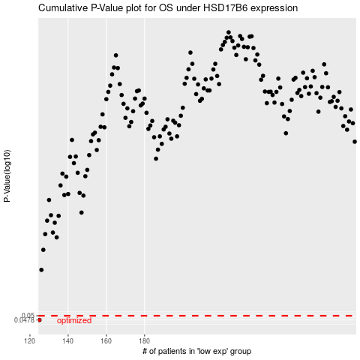

 |  |  |  |  |  | cases_OS | p_OS | rank | exp
 |  |  |  |  |  | 125 | 0.0478 | 182 | -0.40043626667
 |  |  |  |  |  |  | cases_RFS | p_RFS | rank | exp
 |  |  |  |  |  |  |  | 0.0478 | 162 | -0.41358545539

