HSD17B7P2 _multivariate
Reported by Tex Li-Hsing Chi. tex@gate.sinica.edu.tw 2019-08-19

Table 2. The clinicopathological features of HNSCC cohort and HSD17B7P2 expression. (Chi square test)
Cutoff at -0.333 (49.8%)
 |  | HSD17B7P2 expression |  | HSD17B7P2 expression |  | (Optimised)
 | Features | Low | (%) | High | (%) | Case no | P-value | Remark | Matthews
Gender | Female | 144 | 34.7 | 162 | 39 | 415 | 0.0697 | 0 | 0
2 | Male | 63 | 15.2 | 46 | 11.1
Age at diagnosis | <=65y | 130 | 31.3 | 144 | 34.7 | 415 | 0.2009 | 0 | 0
4 | >65y | 77 | 18.6 | 64 | 15.4
Clinical T Status | T1+T2 | 78 | 18.8 | 71 | 17.1 | 415 | 0.5152 | 0 | 0
6 | T3+T4 | 129 | 31.1 | 137 | 33
Clinical N Status | N0 | 108 | 26 | 108 | 26 | 415 | 1 | 0 | 0
8 | N1-3 | 99 | 23.9 | 100 | 24.1
Clinical M Status | M0 | 205 | 49.4 | 207 | 49.9 | 415 | 0.6232 | 0 | 0
10 | M1 | 2 | 0.5 | 1 | 0.2
Clinical Stage | Stage I+II | 55 | 13.3 | 47 | 11.3 | 415 | 0.4087 | 0 | 0
12 | Stage III+IV | 152 | 36.6 | 161 | 38.8
Surgical Margin status | Negative | 168 | 40.5 | 150 | 36.1 | 415 | 0.0366 | 1 | 0
14 | Positive | 39 | 9.4 | 58 | 14
Tobacco Exposure | Low | 90 | 21.7 | 71 | 17.1 | 415 | 0.0559 | 0 | 0
16 | High | 117 | 28.2 | 137 | 33

Table 3. Univariate/Multivariate Cox's proportional hazards regression analyses on OS time of HSD17B7P2 gene expression in HNSCC

 |  | Univariate |  |  |  | Multivariate
 | Features | HR | CI95%(L) | CI95%(H) | P-value | HR | CI95%(L) | CI95%(H) | P-value
1 | Female | 1 |  |  |  | 1
Gender | Male | 1.157 | 0.843 | 1.587 | 0.367 | 1.204 | 0.862 | 1.682 | 0.277
11 | <=65y | 1 |  |  |  | 1
Age at diagnosis | >65y | 1.329 | 0.99 | 1.784 | 0.058 | 1.395 | 1.026 | 1.898 | 0.034
12 | T1+T2 | 1 |  |  |  | 1
Clinical T Status | T3+T4 | 1.409 | 1.028 | 1.931 | 0.033 | 2.21 | 1.168 | 4.181 | 0.015
13 | N0 | 1 |  |  |  | 1
Clinical N Status | N1-3 | 1.185 | 0.89 | 1.577 | 0.246 | 1.246 | 0.872 | 1.779 | 0.227
14 | M0 | 1 |  |  |  | 1
Clinical M Status | M1 | 4.097 | 1.009 | 16.644 | 0.049 | 9.48 | 2.066 | 43.503 | 0.004
15 | Stage I+II | 1 |  |  |  | 1
Clinical Stage | Stage III+IV | 1.245 | 0.882 | 1.759 | 0.213 | 0.5 | 0.232 | 1.076 | 0.076
16 | Negative | 1 |  |  |  | 1
Surgical Margin status | Positive | 1.591 | 1.155 | 2.191 | 0.004 | 1.66 | 1.197 | 2.303 | 0.002
17 | Low | 1 |  |  |  | 1
Tobacco Exposure | High | 1.364 | 1.008 | 1.844 | 0.044 | 1.445 | 1.046 | 1.996 | 0.026
18 | Low | 1 |  |  |  | 1
RNAseq(z-score) | High | 1.092 | 0.82 | 1.456 | 0.546 | 1.042 | 0.774 | 1.402 | 0.788

Table 4. Univariate/Multivariate Cox's proportional hazards regression analyses on RFS time of HSD17B7P2 gene expression in HNSCC

 |  | Univariate |  |  |  | Multivariate
 | Features | HR | CI95%(L) | CI95%(H) | P-value | HR | CI95%(L) | CI95%(H) | P-value
1 | Female | 1 |  |  |  | 1
Gender | Male | 1.157 | 0.843 | 1.587 | 0.367 | 1.204 | 0.862 | 1.682 | 0.277
11 | <=65y | 1 |  |  |  | 1
Age at diagnosis | >65y | 1.329 | 0.99 | 1.784 | 0.058 | 1.395 | 1.026 | 1.898 | 0.034
12 | T1+T2 | 1 |  |  |  | 1
Clinical T Status | T3+T4 | 1.409 | 1.028 | 1.931 | 0.033 | 2.21 | 1.168 | 4.181 | 0.015
13 | N0 | 1 |  |  |  | 1
Clinical N Status | N1-3 | 1.185 | 0.89 | 1.577 | 0.246 | 1.246 | 0.872 | 1.779 | 0.227
14 | M0 | 1 |  |  |  | 1
Clinical M Status | M1 | 4.097 | 1.009 | 16.644 | 0.049 | 9.48 | 2.066 | 43.503 | 0.004
15 | Stage I+II | 1 |  |  |  | 1
Clinical Stage | Stage III+IV | 1.245 | 0.882 | 1.759 | 0.213 | 0.5 | 0.232 | 1.076 | 0.076
16 | Negative | 1 |  |  |  | 1
Surgical Margin status | Positive | 1.591 | 1.155 | 2.191 | 0.004 | 1.66 | 1.197 | 2.303 | 0.002
17 | Low | 1 |  |  |  | 1
Tobacco Exposure | High | 1.364 | 1.008 | 1.844 | 0.044 | 1.445 | 1.046 | 1.996 | 0.026
18 | Low | 1 |  |  |  | 1
RNAseq(z-score) | High | 1.092 | 0.82 | 1.456 | 0.546 | 1.042 | 0.774 | 1.402 | 0.788

Kaplan-Meier survival estimate: Cutoff at -0.333 (49.8%)



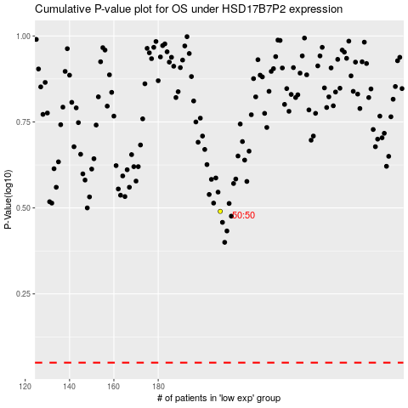

 |  |  |  |  |  | cases_OS | p_OS | rank | exp
 |  |  |  |  |  |  | cases_RFS | p_RFS | rank | exp

