HSD17B8 _multivariate
Reported by Tex Li-Hsing Chi. tex@gate.sinica.edu.tw 2019-08-19

Table 2. The clinicopathological features of HNSCC cohort and HSD17B8 expression. (Chi square test)
Cutoff at -0.292 (49.8%)
 |  | HSD17B8 expression |  | HSD17B8 expression |  | (Optimised)
 | Features | Low | (%) | High | (%) | Case no | P-value | Remark | Matthews
Gender | Female | 151 | 36.4 | 155 | 37.3 | 415 | 0.8007 | 0 | 0
2 | Male | 56 | 13.5 | 53 | 12.8
Age at diagnosis | <=65y | 140 | 33.7 | 134 | 32.3 | 415 | 0.5574 | 0 | 0
4 | >65y | 67 | 16.1 | 74 | 17.8
Clinical T Status | T1+T2 | 82 | 19.8 | 67 | 16.1 | 415 | 0.1417 | 0 | 0
6 | T3+T4 | 125 | 30.1 | 141 | 34
Clinical N Status | N0 | 98 | 23.6 | 118 | 28.4 | 415 | 0.0694 | 0 | 0
8 | N1-3 | 109 | 26.3 | 90 | 21.7
Clinical M Status | M0 | 207 | 49.9 | 205 | 49.4 | 415 | 0.2482 | 0 | 0
10 | M1 | 0 | 0 | 3 | 0.7
Clinical Stage | Stage I+II | 53 | 12.8 | 49 | 11.8 | 415 | 0.7113 | 0 | 0
12 | Stage III+IV | 154 | 37.1 | 159 | 38.3
Surgical Margin status | Negative | 160 | 38.6 | 158 | 38.1 | 415 | 0.8167 | 0 | 0
14 | Positive | 47 | 11.3 | 50 | 12
Tobacco Exposure | Low | 83 | 20 | 78 | 18.8 | 415 | 0.6152 | 0 | 0
16 | High | 124 | 29.9 | 130 | 31.3

Table 3. Univariate/Multivariate Cox's proportional hazards regression analyses on OS time of HSD17B8 gene expression in HNSCC

 |  | Univariate |  |  |  | Multivariate
 | Features | HR | CI95%(L) | CI95%(H) | P-value | HR | CI95%(L) | CI95%(H) | P-value
1 | Female | 1 |  |  |  | 1
Gender | Male | 1.157 | 0.843 | 1.587 | 0.367 | 1.221 | 0.873 | 1.708 | 0.243
11 | <=65y | 1 |  |  |  | 1
Age at diagnosis | >65y | 1.329 | 0.99 | 1.784 | 0.058 | 1.383 | 1.017 | 1.881 | 0.039
12 | T1+T2 | 1 |  |  |  | 1
Clinical T Status | T3+T4 | 1.409 | 1.028 | 1.931 | 0.033 | 2.252 | 1.189 | 4.267 | 0.013
13 | N0 | 1 |  |  |  | 1
Clinical N Status | N1-3 | 1.185 | 0.89 | 1.577 | 0.246 | 1.209 | 0.845 | 1.731 | 0.299
14 | M0 | 1 |  |  |  | 1
Clinical M Status | M1 | 4.097 | 1.009 | 16.644 | 0.049 | 10.459 | 2.245 | 48.726 | 0.003
15 | Stage I+II | 1 |  |  |  | 1
Clinical Stage | Stage III+IV | 1.245 | 0.882 | 1.759 | 0.213 | 0.505 | 0.235 | 1.084 | 0.079
16 | Negative | 1 |  |  |  | 1
Surgical Margin status | Positive | 1.591 | 1.155 | 2.191 | 0.004 | 1.696 | 1.225 | 2.346 | 0.001
17 | Low | 1 |  |  |  | 1
Tobacco Exposure | High | 1.364 | 1.008 | 1.844 | 0.044 | 1.464 | 1.063 | 2.018 | 0.02
18 | Low | 1 |  |  |  | 1
RNAseq(z-score) | High | 0.951 | 0.714 | 1.266 | 0.731 | 0.866 | 0.645 | 1.163 | 0.339

Table 4. Univariate/Multivariate Cox's proportional hazards regression analyses on RFS time of HSD17B8 gene expression in HNSCC

 |  | Univariate |  |  |  | Multivariate
 | Features | HR | CI95%(L) | CI95%(H) | P-value | HR | CI95%(L) | CI95%(H) | P-value
1 | Female | 1 |  |  |  | 1
Gender | Male | 1.157 | 0.843 | 1.587 | 0.367 | 1.221 | 0.873 | 1.708 | 0.243
11 | <=65y | 1 |  |  |  | 1
Age at diagnosis | >65y | 1.329 | 0.99 | 1.784 | 0.058 | 1.383 | 1.017 | 1.881 | 0.039
12 | T1+T2 | 1 |  |  |  | 1
Clinical T Status | T3+T4 | 1.409 | 1.028 | 1.931 | 0.033 | 2.252 | 1.189 | 4.267 | 0.013
13 | N0 | 1 |  |  |  | 1
Clinical N Status | N1-3 | 1.185 | 0.89 | 1.577 | 0.246 | 1.209 | 0.845 | 1.731 | 0.299
14 | M0 | 1 |  |  |  | 1
Clinical M Status | M1 | 4.097 | 1.009 | 16.644 | 0.049 | 10.459 | 2.245 | 48.726 | 0.003
15 | Stage I+II | 1 |  |  |  | 1
Clinical Stage | Stage III+IV | 1.245 | 0.882 | 1.759 | 0.213 | 0.505 | 0.235 | 1.084 | 0.079
16 | Negative | 1 |  |  |  | 1
Surgical Margin status | Positive | 1.591 | 1.155 | 2.191 | 0.004 | 1.696 | 1.225 | 2.346 | 0.001
17 | Low | 1 |  |  |  | 1
Tobacco Exposure | High | 1.364 | 1.008 | 1.844 | 0.044 | 1.464 | 1.063 | 2.018 | 0.02
18 | Low | 1 |  |  |  | 1
RNAseq(z-score) | High | 0.951 | 0.714 | 1.266 | 0.731 | 0.866 | 0.645 | 1.163 | 0.339

Kaplan-Meier survival estimate: Cutoff at -0.292 (49.8%)



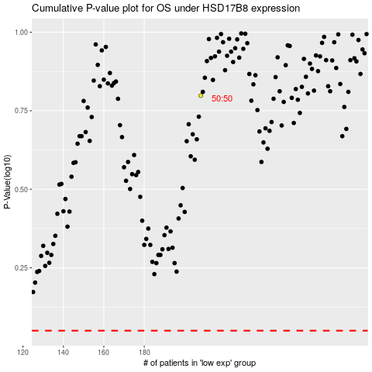

 |  |  |  |  |  | cases_OS | p_OS | rank | exp
 |  |  |  |  |  |  | cases_RFS | p_RFS | rank | exp

