HSDL2 _multivariate
Reported by Tex Li-Hsing Chi. tex@gate.sinica.edu.tw 2019-08-19

Table 2. The clinicopathological features of HNSCC cohort and HSDL2 expression. (Chi square test)
Cutoff at -0.485 (33.6%)
 |  | HSDL2 expression |  | HSDL2 expression |  | (Optimised)
 | Features | Low | (%) | High | (%) | Case no | P-value | Remark | Matthews
Gender | Female | 101 | 24.3 | 205 | 49.4 | 415 | 0.8147 | 0 | 0
2 | Male | 38 | 9.2 | 71 | 17.1
Age at diagnosis | <=65y | 86 | 20.7 | 188 | 45.3 | 415 | 0.2468 | 0 | 0
4 | >65y | 53 | 12.8 | 88 | 21.2
Clinical T Status | T1+T2 | 42 | 10.1 | 107 | 25.8 | 415 | 0.1083 | 0 | 0
6 | T3+T4 | 97 | 23.4 | 169 | 40.7
Clinical N Status | N0 | 74 | 17.8 | 142 | 34.2 | 415 | 0.8103 | 0 | 0
8 | N1-3 | 65 | 15.7 | 134 | 32.3
Clinical M Status | M0 | 139 | 33.5 | 273 | 65.8 | 415 | 0.554 | 0 | 0
10 | M1 | 0 | 0 | 3 | 0.7
Clinical Stage | Stage I+II | 30 | 7.2 | 72 | 17.3 | 415 | 0.3761 | 0 | 0
12 | Stage III+IV | 109 | 26.3 | 204 | 49.2
Surgical Margin status | Negative | 102 | 24.6 | 216 | 52 | 415 | 0.2714 | 0 | 0
14 | Positive | 37 | 8.9 | 60 | 14.5
Tobacco Exposure | Low | 55 | 13.3 | 106 | 25.5 | 415 | 0.8316 | 0 | 0
16 | High | 84 | 20.2 | 170 | 41

Table 3. Univariate/Multivariate Cox's proportional hazards regression analyses on OS time of HSDL2 gene expression in HNSCC

 |  | Univariate |  |  |  | Multivariate
 | Features | HR | CI95%(L) | CI95%(H) | P-value | HR | CI95%(L) | CI95%(H) | P-value
1 | Female | 1 |  |  |  | 1
Gender | Male | 1.157 | 0.843 | 1.587 | 0.367 | 1.213 | 0.868 | 1.695 | 0.257
11 | <=65y | 1 |  |  |  | 1
Age at diagnosis | >65y | 1.329 | 0.99 | 1.784 | 0.058 | 1.406 | 1.034 | 1.912 | 0.03
12 | T1+T2 | 1 |  |  |  | 1
Clinical T Status | T3+T4 | 1.409 | 1.028 | 1.931 | 0.033 | 2.22 | 1.174 | 4.197 | 0.014
13 | N0 | 1 |  |  |  | 1
Clinical N Status | N1-3 | 1.185 | 0.89 | 1.577 | 0.246 | 1.197 | 0.839 | 1.708 | 0.321
14 | M0 | 1 |  |  |  | 1
Clinical M Status | M1 | 4.097 | 1.009 | 16.644 | 0.049 | 8.522 | 1.857 | 39.109 | 0.006
15 | Stage I+II | 1 |  |  |  | 1
Clinical Stage | Stage III+IV | 1.245 | 0.882 | 1.759 | 0.213 | 0.524 | 0.244 | 1.126 | 0.098
16 | Negative | 1 |  |  |  | 1
Surgical Margin status | Positive | 1.591 | 1.155 | 2.191 | 0.004 | 1.702 | 1.232 | 2.352 | 0.001
17 | Low | 1 |  |  |  | 1
Tobacco Exposure | High | 1.364 | 1.008 | 1.844 | 0.044 | 1.462 | 1.061 | 2.015 | 0.02
18 | Low | 1 |  |  |  | 1
RNAseq(z-score) | High | 1.384 | 1.008 | 1.901 | 0.045 | 1.445 | 1.049 | 1.991 | 0.024

Table 4. Univariate/Multivariate Cox's proportional hazards regression analyses on RFS time of HSDL2 gene expression in HNSCC

 |  | Univariate |  |  |  | Multivariate
 | Features | HR | CI95%(L) | CI95%(H) | P-value | HR | CI95%(L) | CI95%(H) | P-value
1 | Female | 1 |  |  |  | 1
Gender | Male | 1.157 | 0.843 | 1.587 | 0.367 | 1.213 | 0.868 | 1.695 | 0.257
11 | <=65y | 1 |  |  |  | 1
Age at diagnosis | >65y | 1.329 | 0.99 | 1.784 | 0.058 | 1.406 | 1.034 | 1.912 | 0.03
12 | T1+T2 | 1 |  |  |  | 1
Clinical T Status | T3+T4 | 1.409 | 1.028 | 1.931 | 0.033 | 2.22 | 1.174 | 4.197 | 0.014
13 | N0 | 1 |  |  |  | 1
Clinical N Status | N1-3 | 1.185 | 0.89 | 1.577 | 0.246 | 1.197 | 0.839 | 1.708 | 0.321
14 | M0 | 1 |  |  |  | 1
Clinical M Status | M1 | 4.097 | 1.009 | 16.644 | 0.049 | 8.522 | 1.857 | 39.109 | 0.006
15 | Stage I+II | 1 |  |  |  | 1
Clinical Stage | Stage III+IV | 1.245 | 0.882 | 1.759 | 0.213 | 0.524 | 0.244 | 1.126 | 0.098
16 | Negative | 1 |  |  |  | 1
Surgical Margin status | Positive | 1.591 | 1.155 | 2.191 | 0.004 | 1.702 | 1.232 | 2.352 | 0.001
17 | Low | 1 |  |  |  | 1
Tobacco Exposure | High | 1.364 | 1.008 | 1.844 | 0.044 | 1.462 | 1.061 | 2.015 | 0.02
18 | Low | 1 |  |  |  | 1
RNAseq(z-score) | High | 1.384 | 1.008 | 1.901 | 0.045 | 1.445 | 1.049 | 1.991 | 0.024

Kaplan-Meier survival estimate: Cutoff at -0.485 (33.6%)



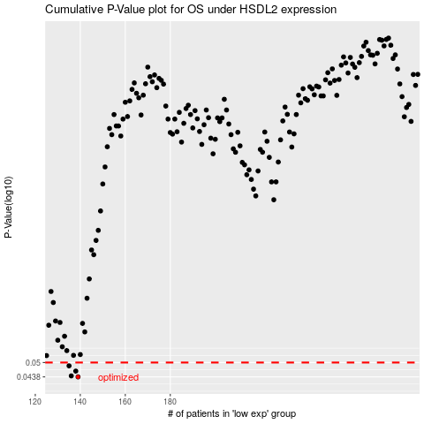

 |  |  |  |  |  | cases_OS | p_OS | rank | exp
 |  |  |  |  |  | 139 | 0.0438 | 203 | -0.48519048876
 |  |  |  |  |  | 136 | 0.0442 | 323 | -0.4933829801
 |  |  |  |  |  | 138 | 0.0462 | 298 | -0.49000219681
 |  |  |  |  |  | 135 | 0.0485 | 252 | -0.49715629469
 |  |  |  |  |  |  | cases_RFS | p_RFS | rank | exp
 |  |  |  |  |  |  | 138 | 0.0438 | 298 | -0.49000219681
 |  |  |  |  |  |  | 135 | 0.0442 | 252 | -0.49715629469
 |  |  |  |  |  |  | 137 | 0.0462 | 310 | -0.49173781984
 |  |  |  |  |  |  | 134 | 0.0485 | 295 | -0.50205548515

