HSF1 _multivariate
Reported by Tex Li-Hsing Chi. tex@gate.sinica.edu.tw 2019-08-19

Table 2. The clinicopathological features of HNSCC cohort and HSF1 expression. (Chi square test)
Cutoff at 0.17 (58.9%)
 |  | HSF1 expression |  | HSF1 expression |  | (Optimised)
 | Features | Low | (%) | High | (%) | Case no | P-value | Remark | Matthews
Gender | Female | 180 | 43.4 | 126 | 30.4 | 415 | 0.9727 | 0 | 0
2 | Male | 65 | 15.7 | 44 | 10.6
Age at diagnosis | <=65y | 160 | 38.6 | 114 | 27.5 | 415 | 0.7907 | 0 | 0
4 | >65y | 85 | 20.5 | 56 | 13.5
Clinical T Status | T1+T2 | 96 | 23.1 | 53 | 12.8 | 415 | 0.1169 | 0 | 0
6 | T3+T4 | 149 | 35.9 | 117 | 28.2
Clinical N Status | N0 | 131 | 31.6 | 85 | 20.5 | 415 | 0.5513 | 0 | 0
8 | N1-3 | 114 | 27.5 | 85 | 20.5
Clinical M Status | M0 | 244 | 58.8 | 168 | 40.5 | 415 | 0.5703 | 0 | 0
10 | M1 | 1 | 0.2 | 2 | 0.5
Clinical Stage | Stage I+II | 65 | 15.7 | 37 | 8.9 | 415 | 0.3207 | 0 | 0
12 | Stage III+IV | 180 | 43.4 | 133 | 32
Surgical Margin status | Negative | 181 | 43.6 | 137 | 33 | 415 | 0.1257 | 0 | 0
14 | Positive | 64 | 15.4 | 33 | 8
Tobacco Exposure | Low | 100 | 24.1 | 61 | 14.7 | 415 | 0.3567 | 0 | 0
16 | High | 145 | 34.9 | 109 | 26.3

Table 3. Univariate/Multivariate Cox's proportional hazards regression analyses on OS time of HSF1 gene expression in HNSCC

 |  | Univariate |  |  |  | Multivariate
 | Features | HR | CI95%(L) | CI95%(H) | P-value | HR | CI95%(L) | CI95%(H) | P-value
1 | Female | 1 |  |  |  | 1
Gender | Male | 1.157 | 0.843 | 1.587 | 0.367 | 1.215 | 0.866 | 1.705 | 0.259
11 | <=65y | 1 |  |  |  | 1
Age at diagnosis | >65y | 1.329 | 0.99 | 1.784 | 0.058 | 1.413 | 1.038 | 1.923 | 0.028
12 | T1+T2 | 1 |  |  |  | 1
Clinical T Status | T3+T4 | 1.409 | 1.028 | 1.931 | 0.033 | 2.081 | 1.101 | 3.934 | 0.024
13 | N0 | 1 |  |  |  | 1
Clinical N Status | N1-3 | 1.185 | 0.89 | 1.577 | 0.246 | 1.204 | 0.843 | 1.72 | 0.307
14 | M0 | 1 |  |  |  | 1
Clinical M Status | M1 | 4.097 | 1.009 | 16.644 | 0.049 | 8.466 | 1.843 | 38.9 | 0.006
15 | Stage I+II | 1 |  |  |  | 1
Clinical Stage | Stage III+IV | 1.245 | 0.882 | 1.759 | 0.213 | 0.523 | 0.244 | 1.123 | 0.096
16 | Negative | 1 |  |  |  | 1
Surgical Margin status | Positive | 1.591 | 1.155 | 2.191 | 0.004 | 1.701 | 1.231 | 2.35 | 0.001
17 | Low | 1 |  |  |  | 1
Tobacco Exposure | High | 1.364 | 1.008 | 1.844 | 0.044 | 1.492 | 1.079 | 2.062 | 0.016
18 | Low | 1 |  |  |  | 1
RNAseq(z-score) | High | 1.476 | 1.108 | 1.967 | 0.008 | 1.463 | 1.095 | 1.956 | 0.01

Table 4. Univariate/Multivariate Cox's proportional hazards regression analyses on RFS time of HSF1 gene expression in HNSCC

 |  | Univariate |  |  |  | Multivariate
 | Features | HR | CI95%(L) | CI95%(H) | P-value | HR | CI95%(L) | CI95%(H) | P-value
1 | Female | 1 |  |  |  | 1
Gender | Male | 1.157 | 0.843 | 1.587 | 0.367 | 1.215 | 0.866 | 1.705 | 0.259
11 | <=65y | 1 |  |  |  | 1
Age at diagnosis | >65y | 1.329 | 0.99 | 1.784 | 0.058 | 1.413 | 1.038 | 1.923 | 0.028
12 | T1+T2 | 1 |  |  |  | 1
Clinical T Status | T3+T4 | 1.409 | 1.028 | 1.931 | 0.033 | 2.081 | 1.101 | 3.934 | 0.024
13 | N0 | 1 |  |  |  | 1
Clinical N Status | N1-3 | 1.185 | 0.89 | 1.577 | 0.246 | 1.204 | 0.843 | 1.72 | 0.307
14 | M0 | 1 |  |  |  | 1
Clinical M Status | M1 | 4.097 | 1.009 | 16.644 | 0.049 | 8.466 | 1.843 | 38.9 | 0.006
15 | Stage I+II | 1 |  |  |  | 1
Clinical Stage | Stage III+IV | 1.245 | 0.882 | 1.759 | 0.213 | 0.523 | 0.244 | 1.123 | 0.096
16 | Negative | 1 |  |  |  | 1
Surgical Margin status | Positive | 1.591 | 1.155 | 2.191 | 0.004 | 1.701 | 1.231 | 2.35 | 0.001
17 | Low | 1 |  |  |  | 1
Tobacco Exposure | High | 1.364 | 1.008 | 1.844 | 0.044 | 1.492 | 1.079 | 2.062 | 0.016
18 | Low | 1 |  |  |  | 1
RNAseq(z-score) | High | 1.476 | 1.108 | 1.967 | 0.008 | 1.463 | 1.095 | 1.956 | 0.01

Kaplan-Meier survival estimate: Cutoff at 0.17 (58.9%)

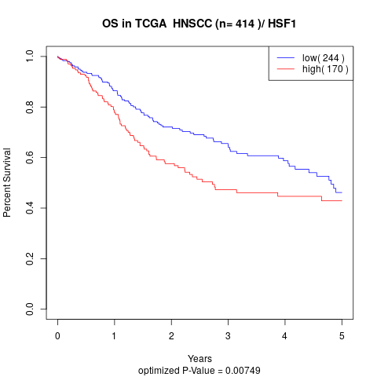

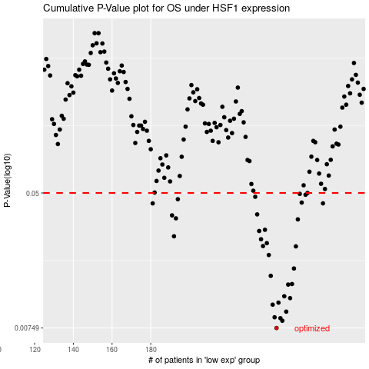

 |  |  |  |  |  | cases_OS | p_OS | rank | exp
 |  |  |  |  |  | 245 | 0.00749 | 68 | 0.1695203248
 |  |  |  |  |  | 248 | 0.0083 | 221 | 0.18469313697
 |  |  |  |  |  | 247 | 0.0086 | 259 | 0.1837869775
 |  |  |  |  |  | 244 | 0.00871 | 312 | 0.1569168668
 |  |  |  |  |  | 250 | 0.00943 | 222 | 0.19083117264
 |  |  |  |  |  | 243 | 0.0104 | 269 | 0.1564907445
 |  |  |  |  |  | 246 | 0.0107 | 134 | 0.17463954584
 |  |  |  |  |  | 252 | 0.0114 | 82 | 0.20745012811
 |  |  |  |  |  | 249 | 0.0117 | 15 | 0.18526207335
 |  |  |  |  |  | 251 | 0.0138 | 311 | 0.20574452533
 |  |  |  |  |  | 253 | 0.0139 | 338 | 0.2097374732
 |  |  |  |  |  | 242 | 0.0156 | 110 | 0.15597266069
 |  |  |  |  |  | 254 | 0.0173 | 52 | 0.2115789303
 |  |  |  |  |  | 241 | 0.0209 | 127 | 0.15541207602
 |  |  |  |  |  | 255 | 0.0236 | 198 | 0.21221672181
 |  |  |  |  |  | 238 | 0.0237 | 410 | 0.1396862885
 |  |  |  |  |  | 240 | 0.0247 | 5 | 0.15099467618
 |  |  |  |  |  | 237 | 0.0261 | 318 | 0.13143026165
 |  |  |  |  |  | 192 | 0.0272 | 92 | -0.10235637696
 |  |  |  |  |  | 236 | 0.0293 | 24 | 0.13067768066
 |  |  |  |  |  | 239 | 0.0298 | 314 | 0.14950890871
 |  |  |  |  |  | 256 | 0.0345 | 241 | 0.22712766178
 |  |  |  |  |  | 193 | 0.035 | 409 | -0.097393703898
 |  |  |  |  |  | 191 | 0.0365 | 140 | -0.10375732828
 |  |  |  |  |  | 235 | 0.037 | 59 | 0.12156356301
 |  |  |  |  |  | 181 | 0.0432 | 153 | -0.15574220787
 |  |  |  |  |  | 269 | 0.0432 | 405 | 0.30000840252
 |  |  |  |  |  | 258 | 0.0437 | 163 | 0.23398765554
 |  |  |  |  |  | 194 | 0.0458 | 108 | -0.097202078776
 |  |  |  |  |  | 234 | 0.0474 | 166 | 0.10817439562
 |  |  |  |  |  | 260 | 0.0488 | 280 | 0.24476932933
 |  |  |  |  |  | 257 | 0.0494 | 386 | 0.22913615288
 |  |  |  |  |  | 261 | 0.05 | 196 | 0.24689428025
 |  |  |  |  |  |  | cases_RFS | p_RFS | rank | exp
 |  |  |  |  |  |  | 244 | 0.00749 | 312 | 0.1569168668
 |  |  |  |  |  |  | 247 | 0.0083 | 259 | 0.1837869775
 |  |  |  |  |  |  | 246 | 0.0086 | 134 | 0.17463954584
 |  |  |  |  |  |  | 243 | 0.00871 | 269 | 0.1564907445
 |  |  |  |  |  |  | 249 | 0.00943 | 15 | 0.18526207335
 |  |  |  |  |  |  | 242 | 0.0104 | 110 | 0.15597266069
 |  |  |  |  |  |  | 245 | 0.0107 | 68 | 0.1695203248
 |  |  |  |  |  |  | 251 | 0.0114 | 311 | 0.20574452533
 |  |  |  |  |  |  | 248 | 0.0117 | 221 | 0.18469313697
 |  |  |  |  |  |  | 250 | 0.0138 | 222 | 0.19083117264
 |  |  |  |  |  |  | 252 | 0.0139 | 82 | 0.20745012811
 |  |  |  |  |  |  | 241 | 0.0156 | 127 | 0.15541207602
 |  |  |  |  |  |  | 253 | 0.0173 | 338 | 0.2097374732
 |  |  |  |  |  |  | 240 | 0.0209 | 5 | 0.15099467618
 |  |  |  |  |  |  | 254 | 0.0236 | 52 | 0.2115789303
 |  |  |  |  |  |  | 237 | 0.0237 | 318 | 0.13143026165
 |  |  |  |  |  |  | 239 | 0.0247 | 314 | 0.14950890871
 |  |  |  |  |  |  | 236 | 0.0261 | 24 | 0.13067768066
 |  |  |  |  |  |  | 191 | 0.0272 | 140 | -0.10375732828
 |  |  |  |  |  |  | 235 | 0.0293 | 59 | 0.12156356301
 |  |  |  |  |  |  | 238 | 0.0298 | 410 | 0.1396862885
 |  |  |  |  |  |  | 255 | 0.0345 | 198 | 0.21221672181
 |  |  |  |  |  |  | 192 | 0.035 | 92 | -0.10235637696
 |  |  |  |  |  |  | 190 | 0.0365 | 177 | -0.11036240959
 |  |  |  |  |  |  | 234 | 0.037 | 166 | 0.10817439562
 |  |  |  |  |  |  | 268 | 0.0432 | 41 | 0.29287586494
 |  |  |  |  |  |  | 180 | 0.0432 | 271 | -0.15649785115
 |  |  |  |  |  |  | 257 | 0.0437 | 386 | 0.22913615288
 |  |  |  |  |  |  | 193 | 0.0458 | 409 | -0.097393703898
 |  |  |  |  |  |  | 233 | 0.0474 | 393 | 0.10797469719
 |  |  |  |  |  |  | 259 | 0.0488 | 351 | 0.23402959963
 |  |  |  |  |  |  | 256 | 0.0494 | 241 | 0.22712766178
 |  |  |  |  |  |  | 260 | 0.05 | 280 | 0.24476932933

