HSF2BP _multivariate
Reported by Tex Li-Hsing Chi. tex@gate.sinica.edu.tw 2019-08-19

Table 2. The clinicopathological features of HNSCC cohort and HSF2BP expression. (Chi square test)
Cutoff at -0.225 (50.0%)
 |  | HSF2BP expression |  | HSF2BP expression |  | (Optimised)
 | Features | Low | (%) | High | (%) | Case no | P-value | Remark | Matthews
Gender | Female | 148 | 35.7 | 158 | 38.1 | 415 | 0.3567 | 0 | 0
2 | Male | 59 | 14.2 | 50 | 12
Age at diagnosis | <=65y | 130 | 31.3 | 144 | 34.7 | 415 | 0.2009 | 0 | 0
4 | >65y | 77 | 18.6 | 64 | 15.4
Clinical T Status | T1+T2 | 76 | 18.3 | 73 | 17.6 | 415 | 0.8092 | 0 | 0
6 | T3+T4 | 131 | 31.6 | 135 | 32.5
Clinical N Status | N0 | 113 | 27.2 | 103 | 24.8 | 415 | 0.3495 | 1 | 0
8 | N1-3 | 94 | 22.7 | 105 | 25.3
Clinical M Status | M0 | 207 | 49.9 | 205 | 49.4 | 415 | 0.2482 | 0 | 0
10 | M1 | 0 | 0 | 3 | 0.7
Clinical Stage | Stage I+II | 54 | 13 | 48 | 11.6 | 415 | 0.5498 | 0 | 0
12 | Stage III+IV | 153 | 36.9 | 160 | 38.6
Surgical Margin status | Negative | 164 | 39.5 | 154 | 37.1 | 415 | 0.2462 | 0 | 0
14 | Positive | 43 | 10.4 | 54 | 13
Tobacco Exposure | Low | 72 | 17.3 | 89 | 21.4 | 415 | 0.1071 | 0 | 0
16 | High | 135 | 32.5 | 119 | 28.7

Table 3. Univariate/Multivariate Cox's proportional hazards regression analyses on OS time of HSF2BP gene expression in HNSCC

 |  | Univariate |  |  |  | Multivariate
 | Features | HR | CI95%(L) | CI95%(H) | P-value | HR | CI95%(L) | CI95%(H) | P-value
1 | Female | 1 |  |  |  | 1
Gender | Male | 1.157 | 0.843 | 1.587 | 0.367 | 1.199 | 0.859 | 1.675 | 0.287
11 | <=65y | 1 |  |  |  | 1
Age at diagnosis | >65y | 1.329 | 0.99 | 1.784 | 0.058 | 1.389 | 1.021 | 1.888 | 0.036
12 | T1+T2 | 1 |  |  |  | 1
Clinical T Status | T3+T4 | 1.409 | 1.028 | 1.931 | 0.033 | 2.215 | 1.171 | 4.189 | 0.014
13 | N0 | 1 |  |  |  | 1
Clinical N Status | N1-3 | 1.185 | 0.89 | 1.577 | 0.246 | 1.248 | 0.874 | 1.782 | 0.223
14 | M0 | 1 |  |  |  | 1
Clinical M Status | M1 | 4.097 | 1.009 | 16.644 | 0.049 | 9.805 | 2.123 | 45.282 | 0.003
15 | Stage I+II | 1 |  |  |  | 1
Clinical Stage | Stage III+IV | 1.245 | 0.882 | 1.759 | 0.213 | 0.504 | 0.235 | 1.083 | 0.079
16 | Negative | 1 |  |  |  | 1
Surgical Margin status | Positive | 1.591 | 1.155 | 2.191 | 0.004 | 1.682 | 1.216 | 2.325 | 0.002
17 | Low | 1 |  |  |  | 1
Tobacco Exposure | High | 1.364 | 1.008 | 1.844 | 0.044 | 1.432 | 1.036 | 1.981 | 0.03
18 | Low | 1 |  |  |  | 1
RNAseq(z-score) | High | 0.943 | 0.708 | 1.257 | 0.69 | 0.922 | 0.687 | 1.236 | 0.586

Table 4. Univariate/Multivariate Cox's proportional hazards regression analyses on RFS time of HSF2BP gene expression in HNSCC

 |  | Univariate |  |  |  | Multivariate
 | Features | HR | CI95%(L) | CI95%(H) | P-value | HR | CI95%(L) | CI95%(H) | P-value
1 | Female | 1 |  |  |  | 1
Gender | Male | 1.157 | 0.843 | 1.587 | 0.367 | 1.199 | 0.859 | 1.675 | 0.287
11 | <=65y | 1 |  |  |  | 1
Age at diagnosis | >65y | 1.329 | 0.99 | 1.784 | 0.058 | 1.389 | 1.021 | 1.888 | 0.036
12 | T1+T2 | 1 |  |  |  | 1
Clinical T Status | T3+T4 | 1.409 | 1.028 | 1.931 | 0.033 | 2.215 | 1.171 | 4.189 | 0.014
13 | N0 | 1 |  |  |  | 1
Clinical N Status | N1-3 | 1.185 | 0.89 | 1.577 | 0.246 | 1.248 | 0.874 | 1.782 | 0.223
14 | M0 | 1 |  |  |  | 1
Clinical M Status | M1 | 4.097 | 1.009 | 16.644 | 0.049 | 9.805 | 2.123 | 45.282 | 0.003
15 | Stage I+II | 1 |  |  |  | 1
Clinical Stage | Stage III+IV | 1.245 | 0.882 | 1.759 | 0.213 | 0.504 | 0.235 | 1.083 | 0.079
16 | Negative | 1 |  |  |  | 1
Surgical Margin status | Positive | 1.591 | 1.155 | 2.191 | 0.004 | 1.682 | 1.216 | 2.325 | 0.002
17 | Low | 1 |  |  |  | 1
Tobacco Exposure | High | 1.364 | 1.008 | 1.844 | 0.044 | 1.432 | 1.036 | 1.981 | 0.03
18 | Low | 1 |  |  |  | 1
RNAseq(z-score) | High | 0.943 | 0.708 | 1.257 | 0.69 | 0.922 | 0.687 | 1.236 | 0.586

Kaplan-Meier survival estimate: Cutoff at -0.225 (50.0%)



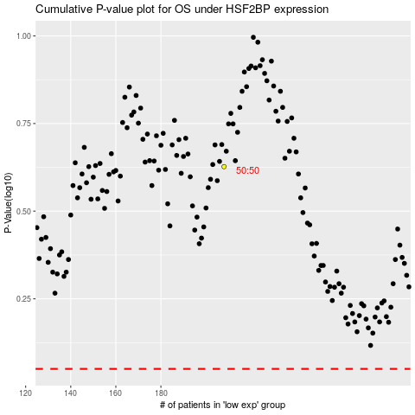

 |  |  |  |  |  | cases_OS | p_OS | rank | exp
 |  |  |  |  |  |  | cases_RFS | p_RFS | rank | exp

