HSFX2 _multivariate
Reported by Tex Li-Hsing Chi. tex@gate.sinica.edu.tw 2019-08-19

Table 2. The clinicopathological features of HNSCC cohort and HSFX2 expression. (Chi square test)
Cutoff at -0.235 (50.0%)
 |  | HSFX2 expression |  | HSFX2 expression |  | (Optimised)
 | Features | Low | (%) | High | (%) | Case no | P-value | Remark | Matthews
Gender | Female | 147 | 35.4 | 159 | 38.3 | 415 | 0.2523 | 0 | 0
2 | Male | 60 | 14.5 | 49 | 11.8
Age at diagnosis | <=65y | 142 | 34.2 | 132 | 31.8 | 415 | 0.3167 | 0 | 0
4 | >65y | 65 | 15.7 | 76 | 18.3
Clinical T Status | T1+T2 | 67 | 16.1 | 82 | 19.8 | 415 | 0.1628 | 0 | 0
6 | T3+T4 | 140 | 33.7 | 126 | 30.4
Clinical N Status | N0 | 103 | 24.8 | 113 | 27.2 | 415 | 0.4047 | 0 | 0
8 | N1-3 | 104 | 25.1 | 95 | 22.9
Clinical M Status | M0 | 207 | 49.9 | 205 | 49.4 | 415 | 0.2482 | 0 | 0
10 | M1 | 0 | 0 | 3 | 0.7
Clinical Stage | Stage I+II | 48 | 11.6 | 54 | 13 | 415 | 0.5878 | 0 | 0
12 | Stage III+IV | 159 | 38.3 | 154 | 37.1
Surgical Margin status | Negative | 158 | 38.1 | 160 | 38.6 | 415 | 0.9081 | 0 | 0
14 | Positive | 49 | 11.8 | 48 | 11.6
Tobacco Exposure | Low | 69 | 16.6 | 92 | 22.2 | 415 | 0.0266 | 1 | 0
16 | High | 138 | 33.3 | 116 | 28

Table 3. Univariate/Multivariate Cox's proportional hazards regression analyses on OS time of HSFX2 gene expression in HNSCC

 |  | Univariate |  |  |  | Multivariate
 | Features | HR | CI95%(L) | CI95%(H) | P-value | HR | CI95%(L) | CI95%(H) | P-value
1 | Female | 1 |  |  |  | 1
Gender | Male | 1.157 | 0.843 | 1.587 | 0.367 | 1.202 | 0.859 | 1.68 | 0.283
11 | <=65y | 1 |  |  |  | 1
Age at diagnosis | >65y | 1.329 | 0.99 | 1.784 | 0.058 | 1.41 | 1.036 | 1.919 | 0.029
12 | T1+T2 | 1 |  |  |  | 1
Clinical T Status | T3+T4 | 1.409 | 1.028 | 1.931 | 0.033 | 2.109 | 1.112 | 4.001 | 0.022
13 | N0 | 1 |  |  |  | 1
Clinical N Status | N1-3 | 1.185 | 0.89 | 1.577 | 0.246 | 1.237 | 0.867 | 1.766 | 0.241
14 | M0 | 1 |  |  |  | 1
Clinical M Status | M1 | 4.097 | 1.009 | 16.644 | 0.049 | 10.072 | 2.189 | 46.331 | 0.003
15 | Stage I+II | 1 |  |  |  | 1
Clinical Stage | Stage III+IV | 1.245 | 0.882 | 1.759 | 0.213 | 0.529 | 0.246 | 1.137 | 0.103
16 | Negative | 1 |  |  |  | 1
Surgical Margin status | Positive | 1.591 | 1.155 | 2.191 | 0.004 | 1.693 | 1.225 | 2.341 | 0.001
17 | Low | 1 |  |  |  | 1
Tobacco Exposure | High | 1.364 | 1.008 | 1.844 | 0.044 | 1.414 | 1.023 | 1.956 | 0.036
18 | Low | 1 |  |  |  | 1
RNAseq(z-score) | High | 0.812 | 0.607 | 1.085 | 0.159 | 0.82 | 0.608 | 1.107 | 0.195

Table 4. Univariate/Multivariate Cox's proportional hazards regression analyses on RFS time of HSFX2 gene expression in HNSCC

 |  | Univariate |  |  |  | Multivariate
 | Features | HR | CI95%(L) | CI95%(H) | P-value | HR | CI95%(L) | CI95%(H) | P-value
1 | Female | 1 |  |  |  | 1
Gender | Male | 1.157 | 0.843 | 1.587 | 0.367 | 1.202 | 0.859 | 1.68 | 0.283
11 | <=65y | 1 |  |  |  | 1
Age at diagnosis | >65y | 1.329 | 0.99 | 1.784 | 0.058 | 1.41 | 1.036 | 1.919 | 0.029
12 | T1+T2 | 1 |  |  |  | 1
Clinical T Status | T3+T4 | 1.409 | 1.028 | 1.931 | 0.033 | 2.109 | 1.112 | 4.001 | 0.022
13 | N0 | 1 |  |  |  | 1
Clinical N Status | N1-3 | 1.185 | 0.89 | 1.577 | 0.246 | 1.237 | 0.867 | 1.766 | 0.241
14 | M0 | 1 |  |  |  | 1
Clinical M Status | M1 | 4.097 | 1.009 | 16.644 | 0.049 | 10.072 | 2.189 | 46.331 | 0.003
15 | Stage I+II | 1 |  |  |  | 1
Clinical Stage | Stage III+IV | 1.245 | 0.882 | 1.759 | 0.213 | 0.529 | 0.246 | 1.137 | 0.103
16 | Negative | 1 |  |  |  | 1
Surgical Margin status | Positive | 1.591 | 1.155 | 2.191 | 0.004 | 1.693 | 1.225 | 2.341 | 0.001
17 | Low | 1 |  |  |  | 1
Tobacco Exposure | High | 1.364 | 1.008 | 1.844 | 0.044 | 1.414 | 1.023 | 1.956 | 0.036
18 | Low | 1 |  |  |  | 1
RNAseq(z-score) | High | 0.812 | 0.607 | 1.085 | 0.159 | 0.82 | 0.608 | 1.107 | 0.195

Kaplan-Meier survival estimate: Cutoff at -0.235 (50.0%)



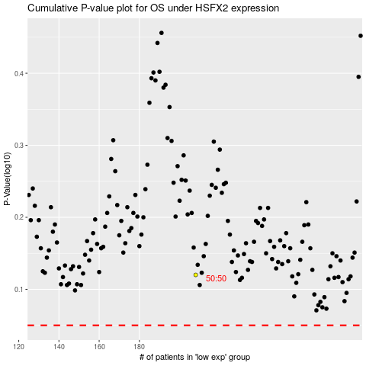

 |  |  |  |  |  | cases_OS | p_OS | rank | exp
 |  |  |  |  |  |  | cases_RFS | p_RFS | rank | exp

