HSN2 _multivariate
Reported by Tex Li-Hsing Chi. tex@gate.sinica.edu.tw 2019-08-19

Table 2. The clinicopathological features of HNSCC cohort and HSN2 expression. (Chi square test)
Cutoff at -0.278 (49.8%)
 |  | HSN2 expression |  | HSN2 expression |  | (Optimised)
 | Features | Low | (%) | High | (%) | Case no | P-value | Remark | Matthews
Gender | Female | 149 | 35.9 | 157 | 37.8 | 415 | 0.4848 | 0 | 0
2 | Male | 58 | 14 | 51 | 12.3
Age at diagnosis | <=65y | 145 | 34.9 | 129 | 31.1 | 415 | 0.1046 | 0 | 0
4 | >65y | 62 | 14.9 | 79 | 19
Clinical T Status | T1+T2 | 90 | 21.7 | 59 | 14.2 | 415 | 0.0019 | 1 | 0
6 | T3+T4 | 117 | 28.2 | 149 | 35.9
Clinical N Status | N0 | 108 | 26 | 108 | 26 | 415 | 1 | 0 | 0
8 | N1-3 | 99 | 23.9 | 100 | 24.1
Clinical M Status | M0 | 204 | 49.2 | 208 | 50.1 | 415 | 0.1232 | 0 | 0
10 | M1 | 3 | 0.7 | 0 | 0
Clinical Stage | Stage I+II | 58 | 14 | 44 | 10.6 | 415 | 0.131 | 0 | 0
12 | Stage III+IV | 149 | 35.9 | 164 | 39.5
Surgical Margin status | Negative | 154 | 37.1 | 164 | 39.5 | 415 | 0.2984 | 0 | 0
14 | Positive | 53 | 12.8 | 44 | 10.6
Tobacco Exposure | Low | 85 | 20.5 | 76 | 18.3 | 415 | 0.3655 | 0 | 0
16 | High | 122 | 29.4 | 132 | 31.8

Table 3. Univariate/Multivariate Cox's proportional hazards regression analyses on OS time of HSN2 gene expression in HNSCC

 |  | Univariate |  |  |  | Multivariate
 | Features | HR | CI95%(L) | CI95%(H) | P-value | HR | CI95%(L) | CI95%(H) | P-value
1 | Female | 1 |  |  |  | 1
Gender | Male | 1.157 | 0.843 | 1.587 | 0.367 | 1.187 | 0.848 | 1.66 | 0.318
11 | <=65y | 1 |  |  |  | 1
Age at diagnosis | >65y | 1.329 | 0.99 | 1.784 | 0.058 | 1.419 | 1.041 | 1.934 | 0.027
12 | T1+T2 | 1 |  |  |  | 1
Clinical T Status | T3+T4 | 1.409 | 1.028 | 1.931 | 0.033 | 2.335 | 1.225 | 4.452 | 0.01
13 | N0 | 1 |  |  |  | 1
Clinical N Status | N1-3 | 1.185 | 0.89 | 1.577 | 0.246 | 1.242 | 0.871 | 1.772 | 0.231
14 | M0 | 1 |  |  |  | 1
Clinical M Status | M1 | 4.097 | 1.009 | 16.644 | 0.049 | 9.026 | 1.965 | 41.447 | 0.005
15 | Stage I+II | 1 |  |  |  | 1
Clinical Stage | Stage III+IV | 1.245 | 0.882 | 1.759 | 0.213 | 0.491 | 0.228 | 1.055 | 0.068
16 | Negative | 1 |  |  |  | 1
Surgical Margin status | Positive | 1.591 | 1.155 | 2.191 | 0.004 | 1.669 | 1.208 | 2.307 | 0.002
17 | Low | 1 |  |  |  | 1
Tobacco Exposure | High | 1.364 | 1.008 | 1.844 | 0.044 | 1.477 | 1.07 | 2.04 | 0.018
18 | Low | 1 |  |  |  | 1
RNAseq(z-score) | High | 0.944 | 0.707 | 1.261 | 0.698 | 0.839 | 0.62 | 1.135 | 0.254

Table 4. Univariate/Multivariate Cox's proportional hazards regression analyses on RFS time of HSN2 gene expression in HNSCC

 |  | Univariate |  |  |  | Multivariate
 | Features | HR | CI95%(L) | CI95%(H) | P-value | HR | CI95%(L) | CI95%(H) | P-value
1 | Female | 1 |  |  |  | 1
Gender | Male | 1.157 | 0.843 | 1.587 | 0.367 | 1.187 | 0.848 | 1.66 | 0.318
11 | <=65y | 1 |  |  |  | 1
Age at diagnosis | >65y | 1.329 | 0.99 | 1.784 | 0.058 | 1.419 | 1.041 | 1.934 | 0.027
12 | T1+T2 | 1 |  |  |  | 1
Clinical T Status | T3+T4 | 1.409 | 1.028 | 1.931 | 0.033 | 2.335 | 1.225 | 4.452 | 0.01
13 | N0 | 1 |  |  |  | 1
Clinical N Status | N1-3 | 1.185 | 0.89 | 1.577 | 0.246 | 1.242 | 0.871 | 1.772 | 0.231
14 | M0 | 1 |  |  |  | 1
Clinical M Status | M1 | 4.097 | 1.009 | 16.644 | 0.049 | 9.026 | 1.965 | 41.447 | 0.005
15 | Stage I+II | 1 |  |  |  | 1
Clinical Stage | Stage III+IV | 1.245 | 0.882 | 1.759 | 0.213 | 0.491 | 0.228 | 1.055 | 0.068
16 | Negative | 1 |  |  |  | 1
Surgical Margin status | Positive | 1.591 | 1.155 | 2.191 | 0.004 | 1.669 | 1.208 | 2.307 | 0.002
17 | Low | 1 |  |  |  | 1
Tobacco Exposure | High | 1.364 | 1.008 | 1.844 | 0.044 | 1.477 | 1.07 | 2.04 | 0.018
18 | Low | 1 |  |  |  | 1
RNAseq(z-score) | High | 0.944 | 0.707 | 1.261 | 0.698 | 0.839 | 0.62 | 1.135 | 0.254

Kaplan-Meier survival estimate: Cutoff at -0.278 (49.8%)



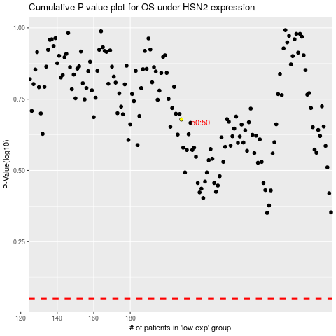

 |  |  |  |  |  | cases_OS | p_OS | rank | exp
 |  |  |  |  |  |  | cases_RFS | p_RFS | rank | exp

