HSP90AB2P _multivariate
Reported by Tex Li-Hsing Chi. tex@gate.sinica.edu.tw 2019-08-19

Table 2. The clinicopathological features of HNSCC cohort and HSP90AB2P expression. (Chi square test)
Cutoff at -0.041 (49.8%)
 |  | HSP90AB2P expression |  | HSP90AB2P expression |  | (Optimised)
 | Features | Low | (%) | High | (%) | Case no | P-value | Remark | Matthews
Gender | Female | 144 | 34.7 | 162 | 39 | 415 | 0.0697 | 0 | 0
2 | Male | 63 | 15.2 | 46 | 11.1
Age at diagnosis | <=65y | 137 | 33 | 137 | 33 | 415 | 1 | 0 | 0
4 | >65y | 70 | 16.9 | 71 | 17.1
Clinical T Status | T1+T2 | 80 | 19.3 | 69 | 16.6 | 415 | 0.2891 | 0 | 0
6 | T3+T4 | 127 | 30.6 | 139 | 33.5
Clinical N Status | N0 | 109 | 26.3 | 107 | 25.8 | 415 | 0.8812 | 0 | 0
8 | N1-3 | 98 | 23.6 | 101 | 24.3
Clinical M Status | M0 | 205 | 49.4 | 207 | 49.9 | 415 | 0.6232 | 0 | 0
10 | M1 | 2 | 0.5 | 1 | 0.2
Clinical Stage | Stage I+II | 50 | 12 | 52 | 12.5 | 415 | 0.9315 | 0 | 0
12 | Stage III+IV | 157 | 37.8 | 156 | 37.6
Surgical Margin status | Negative | 164 | 39.5 | 154 | 37.1 | 415 | 0.2462 | 0 | 0
14 | Positive | 43 | 10.4 | 54 | 13
Tobacco Exposure | Low | 84 | 20.2 | 77 | 18.6 | 415 | 0.4816 | 0 | 0
16 | High | 123 | 29.6 | 131 | 31.6

Table 3. Univariate/Multivariate Cox's proportional hazards regression analyses on OS time of HSP90AB2P gene expression in HNSCC

 |  | Univariate |  |  |  | Multivariate
 | Features | HR | CI95%(L) | CI95%(H) | P-value | HR | CI95%(L) | CI95%(H) | P-value
1 | Female | 1 |  |  |  | 1
Gender | Male | 1.157 | 0.843 | 1.587 | 0.367 | 1.232 | 0.88 | 1.724 | 0.224
11 | <=65y | 1 |  |  |  | 1
Age at diagnosis | >65y | 1.329 | 0.99 | 1.784 | 0.058 | 1.403 | 1.031 | 1.908 | 0.031
12 | T1+T2 | 1 |  |  |  | 1
Clinical T Status | T3+T4 | 1.409 | 1.028 | 1.931 | 0.033 | 2.107 | 1.112 | 3.995 | 0.022
13 | N0 | 1 |  |  |  | 1
Clinical N Status | N1-3 | 1.185 | 0.89 | 1.577 | 0.246 | 1.224 | 0.857 | 1.748 | 0.266
14 | M0 | 1 |  |  |  | 1
Clinical M Status | M1 | 4.097 | 1.009 | 16.644 | 0.049 | 9.771 | 2.13 | 44.827 | 0.003
15 | Stage I+II | 1 |  |  |  | 1
Clinical Stage | Stage III+IV | 1.245 | 0.882 | 1.759 | 0.213 | 0.528 | 0.245 | 1.136 | 0.102
16 | Negative | 1 |  |  |  | 1
Surgical Margin status | Positive | 1.591 | 1.155 | 2.191 | 0.004 | 1.655 | 1.198 | 2.287 | 0.002
17 | Low | 1 |  |  |  | 1
Tobacco Exposure | High | 1.364 | 1.008 | 1.844 | 0.044 | 1.466 | 1.063 | 2.022 | 0.02
18 | Low | 1 |  |  |  | 1
RNAseq(z-score) | High | 1.238 | 0.929 | 1.651 | 0.145 | 1.226 | 0.916 | 1.641 | 0.171

Table 4. Univariate/Multivariate Cox's proportional hazards regression analyses on RFS time of HSP90AB2P gene expression in HNSCC

 |  | Univariate |  |  |  | Multivariate
 | Features | HR | CI95%(L) | CI95%(H) | P-value | HR | CI95%(L) | CI95%(H) | P-value
1 | Female | 1 |  |  |  | 1
Gender | Male | 1.157 | 0.843 | 1.587 | 0.367 | 1.232 | 0.88 | 1.724 | 0.224
11 | <=65y | 1 |  |  |  | 1
Age at diagnosis | >65y | 1.329 | 0.99 | 1.784 | 0.058 | 1.403 | 1.031 | 1.908 | 0.031
12 | T1+T2 | 1 |  |  |  | 1
Clinical T Status | T3+T4 | 1.409 | 1.028 | 1.931 | 0.033 | 2.107 | 1.112 | 3.995 | 0.022
13 | N0 | 1 |  |  |  | 1
Clinical N Status | N1-3 | 1.185 | 0.89 | 1.577 | 0.246 | 1.224 | 0.857 | 1.748 | 0.266
14 | M0 | 1 |  |  |  | 1
Clinical M Status | M1 | 4.097 | 1.009 | 16.644 | 0.049 | 9.771 | 2.13 | 44.827 | 0.003
15 | Stage I+II | 1 |  |  |  | 1
Clinical Stage | Stage III+IV | 1.245 | 0.882 | 1.759 | 0.213 | 0.528 | 0.245 | 1.136 | 0.102
16 | Negative | 1 |  |  |  | 1
Surgical Margin status | Positive | 1.591 | 1.155 | 2.191 | 0.004 | 1.655 | 1.198 | 2.287 | 0.002
17 | Low | 1 |  |  |  | 1
Tobacco Exposure | High | 1.364 | 1.008 | 1.844 | 0.044 | 1.466 | 1.063 | 2.022 | 0.02
18 | Low | 1 |  |  |  | 1
RNAseq(z-score) | High | 1.238 | 0.929 | 1.651 | 0.145 | 1.226 | 0.916 | 1.641 | 0.171

Kaplan-Meier survival estimate: Cutoff at -0.041 (49.8%)

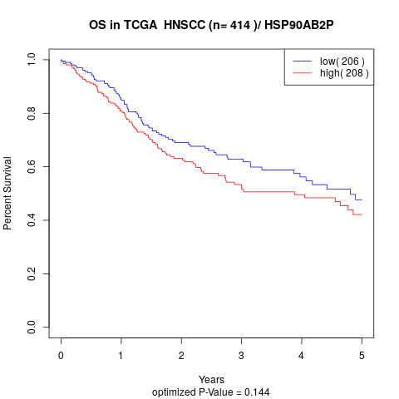

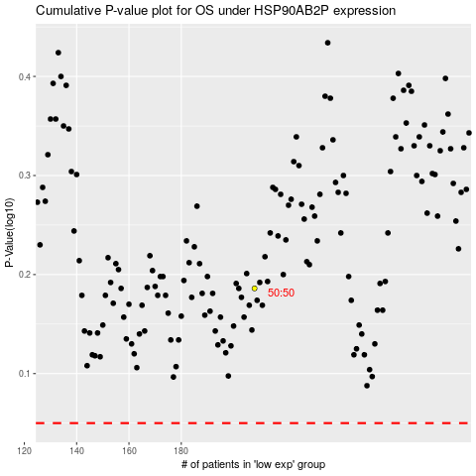

 |  |  |  |  |  | cases_OS | p_OS | rank | exp
 |  |  |  |  |  |  | cases_RFS | p_RFS | rank | exp

