HSP90AB4P _multivariate
Reported by Tex Li-Hsing Chi. tex@gate.sinica.edu.tw 2019-08-19

Table 2. The clinicopathological features of HNSCC cohort and HSP90AB4P expression. (Chi square test)
Cutoff at -0.246 (49.8%)
 |  | HSP90AB4P expression |  | HSP90AB4P expression |  | (Optimised)
 | Features | Low | (%) | High | (%) | Case no | P-value | Remark | Matthews
Gender | Female | 153 | 36.9 | 153 | 36.9 | 415 | 0.8925 | 0 | 0
2 | Male | 53 | 12.8 | 56 | 13.5
Age at diagnosis | <=65y | 140 | 33.7 | 134 | 32.3 | 415 | 0.4694 | 0 | 0
4 | >65y | 66 | 15.9 | 75 | 18.1
Clinical T Status | T1+T2 | 73 | 17.6 | 76 | 18.3 | 415 | 0.9248 | 0 | 0
6 | T3+T4 | 133 | 32 | 133 | 32
Clinical N Status | N0 | 109 | 26.3 | 107 | 25.8 | 415 | 0.8013 | 0 | 0
8 | N1-3 | 97 | 23.4 | 102 | 24.6
Clinical M Status | M0 | 204 | 49.2 | 208 | 50.1 | 415 | 0.6214 | 0 | 0
10 | M1 | 2 | 0.5 | 1 | 0.2
Clinical Stage | Stage I+II | 45 | 10.8 | 57 | 13.7 | 415 | 0.242 | 0 | 0
12 | Stage III+IV | 161 | 38.8 | 152 | 36.6
Surgical Margin status | Negative | 164 | 39.5 | 154 | 37.1 | 415 | 0.1651 | 0 | 0
14 | Positive | 42 | 10.1 | 55 | 13.3
Tobacco Exposure | Low | 78 | 18.8 | 83 | 20 | 415 | 0.7626 | 0 | 0
16 | High | 128 | 30.8 | 126 | 30.4

Table 3. Univariate/Multivariate Cox's proportional hazards regression analyses on OS time of HSP90AB4P gene expression in HNSCC

 |  | Univariate |  |  |  | Multivariate
 | Features | HR | CI95%(L) | CI95%(H) | P-value | HR | CI95%(L) | CI95%(H) | P-value
1 | Female | 1 |  |  |  | 1
Gender | Male | 1.157 | 0.843 | 1.587 | 0.367 | 1.195 | 0.856 | 1.668 | 0.296
11 | <=65y | 1 |  |  |  | 1
Age at diagnosis | >65y | 1.329 | 0.99 | 1.784 | 0.058 | 1.416 | 1.041 | 1.925 | 0.026
12 | T1+T2 | 1 |  |  |  | 1
Clinical T Status | T3+T4 | 1.409 | 1.028 | 1.931 | 0.033 | 2.387 | 1.254 | 4.543 | 0.008
13 | N0 | 1 |  |  |  | 1
Clinical N Status | N1-3 | 1.185 | 0.89 | 1.577 | 0.246 | 1.273 | 0.891 | 1.818 | 0.185
14 | M0 | 1 |  |  |  | 1
Clinical M Status | M1 | 4.097 | 1.009 | 16.644 | 0.049 | 9.872 | 2.15 | 45.323 | 0.003
15 | Stage I+II | 1 |  |  |  | 1
Clinical Stage | Stage III+IV | 1.245 | 0.882 | 1.759 | 0.213 | 0.444 | 0.204 | 0.965 | 0.04
16 | Negative | 1 |  |  |  | 1
Surgical Margin status | Positive | 1.591 | 1.155 | 2.191 | 0.004 | 1.78 | 1.279 | 2.478 | 0.001
17 | Low | 1 |  |  |  | 1
Tobacco Exposure | High | 1.364 | 1.008 | 1.844 | 0.044 | 1.46 | 1.06 | 2.011 | 0.02
18 | Low | 1 |  |  |  | 1
RNAseq(z-score) | High | 0.838 | 0.629 | 1.117 | 0.227 | 0.743 | 0.552 | 0.999 | 0.049

Table 4. Univariate/Multivariate Cox's proportional hazards regression analyses on RFS time of HSP90AB4P gene expression in HNSCC

 |  | Univariate |  |  |  | Multivariate
 | Features | HR | CI95%(L) | CI95%(H) | P-value | HR | CI95%(L) | CI95%(H) | P-value
1 | Female | 1 |  |  |  | 1
Gender | Male | 1.157 | 0.843 | 1.587 | 0.367 | 1.195 | 0.856 | 1.668 | 0.296
11 | <=65y | 1 |  |  |  | 1
Age at diagnosis | >65y | 1.329 | 0.99 | 1.784 | 0.058 | 1.416 | 1.041 | 1.925 | 0.026
12 | T1+T2 | 1 |  |  |  | 1
Clinical T Status | T3+T4 | 1.409 | 1.028 | 1.931 | 0.033 | 2.387 | 1.254 | 4.543 | 0.008
13 | N0 | 1 |  |  |  | 1
Clinical N Status | N1-3 | 1.185 | 0.89 | 1.577 | 0.246 | 1.273 | 0.891 | 1.818 | 0.185
14 | M0 | 1 |  |  |  | 1
Clinical M Status | M1 | 4.097 | 1.009 | 16.644 | 0.049 | 9.872 | 2.15 | 45.323 | 0.003
15 | Stage I+II | 1 |  |  |  | 1
Clinical Stage | Stage III+IV | 1.245 | 0.882 | 1.759 | 0.213 | 0.444 | 0.204 | 0.965 | 0.04
16 | Negative | 1 |  |  |  | 1
Surgical Margin status | Positive | 1.591 | 1.155 | 2.191 | 0.004 | 1.78 | 1.279 | 2.478 | 0.001
17 | Low | 1 |  |  |  | 1
Tobacco Exposure | High | 1.364 | 1.008 | 1.844 | 0.044 | 1.46 | 1.06 | 2.011 | 0.02
18 | Low | 1 |  |  |  | 1
RNAseq(z-score) | High | 0.838 | 0.629 | 1.117 | 0.227 | 0.743 | 0.552 | 0.999 | 0.049

Kaplan-Meier survival estimate: Cutoff at -0.246 (49.8%)



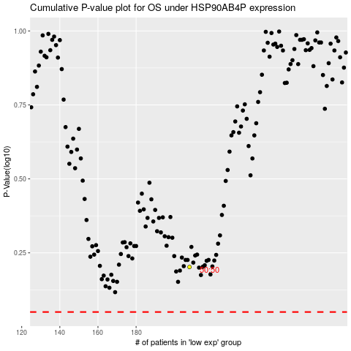

 |  |  |  |  |  | cases_OS | p_OS | rank | exp
 |  |  |  |  |  |  | cases_RFS | p_RFS | rank | exp

