HSP90B3P _multivariate
Reported by Tex Li-Hsing Chi. tex@gate.sinica.edu.tw 2019-08-19

Table 2. The clinicopathological features of HNSCC cohort and HSP90B3P expression. (Chi square test)
Cutoff at 0.378 (68.8%)
 |  | HSP90B3P expression |  | HSP90B3P expression |  | (Optimised)
 | Features | Low | (%) | High | (%) | Case no | P-value | Remark | Matthews
Gender | Female | 210 | 50.6 | 96 | 23.1 | 415 | 0.9267 | 0 | 0
2 | Male | 76 | 18.3 | 33 | 8
Age at diagnosis | <=65y | 194 | 46.7 | 80 | 19.3 | 415 | 0.2956 | 0 | 0
4 | >65y | 92 | 22.2 | 49 | 11.8
Clinical T Status | T1+T2 | 96 | 23.1 | 53 | 12.8 | 415 | 0.1715 | 0 | 0
6 | T3+T4 | 190 | 45.8 | 76 | 18.3
Clinical N Status | N0 | 144 | 34.7 | 72 | 17.3 | 415 | 0.3549 | 0 | 0
8 | N1-3 | 142 | 34.2 | 57 | 13.7
Clinical M Status | M0 | 285 | 68.7 | 127 | 30.6 | 415 | 0.2292 | 0 | 0
10 | M1 | 1 | 0.2 | 2 | 0.5
Clinical Stage | Stage I+II | 63 | 15.2 | 39 | 9.4 | 415 | 0.0942 | 0 | 0
12 | Stage III+IV | 223 | 53.7 | 90 | 21.7
Surgical Margin status | Negative | 222 | 53.5 | 96 | 23.1 | 415 | 0.5311 | 0 | 0
14 | Positive | 64 | 15.4 | 33 | 8
Tobacco Exposure | Low | 115 | 27.7 | 46 | 11.1 | 415 | 0.3866 | 0 | 0
16 | High | 171 | 41.2 | 83 | 20

Table 3. Univariate/Multivariate Cox's proportional hazards regression analyses on OS time of HSP90B3P gene expression in HNSCC

 |  | Univariate |  |  |  | Multivariate
 | Features | HR | CI95%(L) | CI95%(H) | P-value | HR | CI95%(L) | CI95%(H) | P-value
1 | Female | 1 |  |  |  | 1
Gender | Male | 1.157 | 0.843 | 1.587 | 0.367 | 1.237 | 0.886 | 1.726 | 0.212
11 | <=65y | 1 |  |  |  | 1
Age at diagnosis | >65y | 1.329 | 0.99 | 1.784 | 0.058 | 1.375 | 1.011 | 1.87 | 0.042
12 | T1+T2 | 1 |  |  |  | 1
Clinical T Status | T3+T4 | 1.409 | 1.028 | 1.931 | 0.033 | 2.246 | 1.187 | 4.251 | 0.013
13 | N0 | 1 |  |  |  | 1
Clinical N Status | N1-3 | 1.185 | 0.89 | 1.577 | 0.246 | 1.234 | 0.865 | 1.761 | 0.247
14 | M0 | 1 |  |  |  | 1
Clinical M Status | M1 | 4.097 | 1.009 | 16.644 | 0.049 | 8.382 | 1.823 | 38.537 | 0.006
15 | Stage I+II | 1 |  |  |  | 1
Clinical Stage | Stage III+IV | 1.245 | 0.882 | 1.759 | 0.213 | 0.527 | 0.245 | 1.134 | 0.102
16 | Negative | 1 |  |  |  | 1
Surgical Margin status | Positive | 1.591 | 1.155 | 2.191 | 0.004 | 1.712 | 1.238 | 2.368 | 0.001
17 | Low | 1 |  |  |  | 1
Tobacco Exposure | High | 1.364 | 1.008 | 1.844 | 0.044 | 1.433 | 1.039 | 1.976 | 0.028
18 | Low | 1 |  |  |  | 1
RNAseq(z-score) | High | 1.41 | 1.045 | 1.904 | 0.025 | 1.475 | 1.086 | 2.002 | 0.013

Table 4. Univariate/Multivariate Cox's proportional hazards regression analyses on RFS time of HSP90B3P gene expression in HNSCC

 |  | Univariate |  |  |  | Multivariate
 | Features | HR | CI95%(L) | CI95%(H) | P-value | HR | CI95%(L) | CI95%(H) | P-value
1 | Female | 1 |  |  |  | 1
Gender | Male | 1.157 | 0.843 | 1.587 | 0.367 | 1.237 | 0.886 | 1.726 | 0.212
11 | <=65y | 1 |  |  |  | 1
Age at diagnosis | >65y | 1.329 | 0.99 | 1.784 | 0.058 | 1.375 | 1.011 | 1.87 | 0.042
12 | T1+T2 | 1 |  |  |  | 1
Clinical T Status | T3+T4 | 1.409 | 1.028 | 1.931 | 0.033 | 2.246 | 1.187 | 4.251 | 0.013
13 | N0 | 1 |  |  |  | 1
Clinical N Status | N1-3 | 1.185 | 0.89 | 1.577 | 0.246 | 1.234 | 0.865 | 1.761 | 0.247
14 | M0 | 1 |  |  |  | 1
Clinical M Status | M1 | 4.097 | 1.009 | 16.644 | 0.049 | 8.382 | 1.823 | 38.537 | 0.006
15 | Stage I+II | 1 |  |  |  | 1
Clinical Stage | Stage III+IV | 1.245 | 0.882 | 1.759 | 0.213 | 0.527 | 0.245 | 1.134 | 0.102
16 | Negative | 1 |  |  |  | 1
Surgical Margin status | Positive | 1.591 | 1.155 | 2.191 | 0.004 | 1.712 | 1.238 | 2.368 | 0.001
17 | Low | 1 |  |  |  | 1
Tobacco Exposure | High | 1.364 | 1.008 | 1.844 | 0.044 | 1.433 | 1.039 | 1.976 | 0.028
18 | Low | 1 |  |  |  | 1
RNAseq(z-score) | High | 1.41 | 1.045 | 1.904 | 0.025 | 1.475 | 1.086 | 2.002 | 0.013

Kaplan-Meier survival estimate: Cutoff at 0.378 (68.8%)

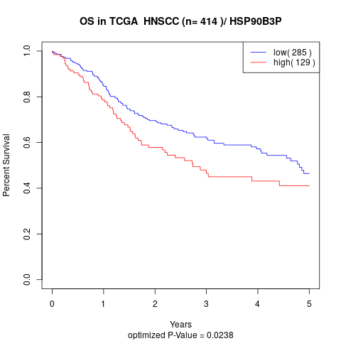

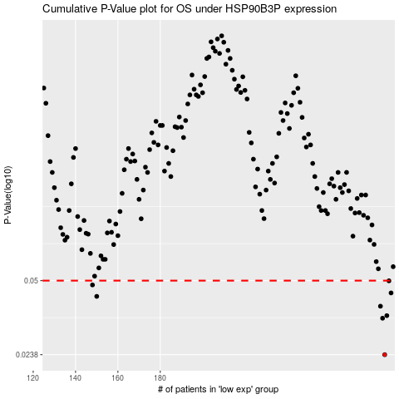

 |  |  |  |  |  | cases_OS | p_OS | rank | exp
 |  |  |  |  |  | 286 | 0.0238 | 217 | 0.37819590559
 |  |  |  |  |  | 285 | 0.0343 | 111 | 0.37171701735
 |  |  |  |  |  | 287 | 0.0352 | 377 | 0.38730561512
 |  |  |  |  |  | 284 | 0.0387 | 147 | 0.36182198803
 |  |  |  |  |  | 150 | 0.0427 | 97 | -0.3851624136
 |  |  |  |  |  | 289 | 0.0442 | 373 | 0.39214711161
 |  |  |  |  |  | 148 | 0.0479 | 243 | -0.38735738241
 |  |  |  |  |  | 288 | 0.0499 | 307 | 0.39140498441
 |  |  |  |  |  |  | cases_RFS | p_RFS | rank | exp
 |  |  |  |  |  |  | 285 | 0.0238 | 111 | 0.37171701735
 |  |  |  |  |  |  | 284 | 0.0343 | 147 | 0.36182198803
 |  |  |  |  |  |  | 286 | 0.0352 | 217 | 0.37819590559
 |  |  |  |  |  |  | 283 | 0.0387 | 110 | 0.35912441457
 |  |  |  |  |  |  | 149 | 0.0427 | 139 | -0.38587705461
 |  |  |  |  |  |  | 288 | 0.0442 | 307 | 0.39140498441
 |  |  |  |  |  |  | 147 | 0.0479 | 63 | -0.39201825534
 |  |  |  |  |  |  | 287 | 0.0499 | 377 | 0.38730561512

