HSPA12A _multivariate
Reported by Tex Li-Hsing Chi. tex@gate.sinica.edu.tw 2019-08-19

Table 2. The clinicopathological features of HNSCC cohort and HSPA12A expression. (Chi square test)
Cutoff at -0.155 (50.0%)
 |  | HSPA12A expression |  | HSPA12A expression |  | (Optimised)
 | Features | Low | (%) | High | (%) | Case no | P-value | Remark | Matthews
Gender | Female | 152 | 36.6 | 154 | 37.1 | 415 | 0.9766 | 0 | 0
2 | Male | 55 | 13.3 | 54 | 13
Age at diagnosis | <=65y | 133 | 32 | 141 | 34 | 415 | 0.5111 | 0 | 0
4 | >65y | 74 | 17.8 | 67 | 16.1
Clinical T Status | T1+T2 | 68 | 16.4 | 81 | 19.5 | 415 | 0.2336 | 0 | 0
6 | T3+T4 | 139 | 33.5 | 127 | 30.6
Clinical N Status | N0 | 107 | 25.8 | 109 | 26.3 | 415 | 0.9624 | 0 | 0
8 | N1-3 | 100 | 24.1 | 99 | 23.9
Clinical M Status | M0 | 205 | 49.4 | 207 | 49.9 | 415 | 0.6232 | 0 | 0
10 | M1 | 2 | 0.5 | 1 | 0.2
Clinical Stage | Stage I+II | 39 | 9.4 | 63 | 15.2 | 415 | 0.0095 | 1 | 0
12 | Stage III+IV | 168 | 40.5 | 145 | 34.9
Surgical Margin status | Negative | 152 | 36.6 | 166 | 40 | 415 | 0.1329 | 0 | 0
14 | Positive | 55 | 13.3 | 42 | 10.1
Tobacco Exposure | Low | 84 | 20.2 | 77 | 18.6 | 415 | 0.4816 | 0 | 0
16 | High | 123 | 29.6 | 131 | 31.6

Table 3. Univariate/Multivariate Cox's proportional hazards regression analyses on OS time of HSPA12A gene expression in HNSCC

 |  | Univariate |  |  |  | Multivariate
 | Features | HR | CI95%(L) | CI95%(H) | P-value | HR | CI95%(L) | CI95%(H) | P-value
1 | Female | 1 |  |  |  | 1
Gender | Male | 1.157 | 0.843 | 1.587 | 0.367 | 1.21 | 0.865 | 1.692 | 0.265
11 | <=65y | 1 |  |  |  | 1
Age at diagnosis | >65y | 1.329 | 0.99 | 1.784 | 0.058 | 1.38 | 1.014 | 1.879 | 0.04
12 | T1+T2 | 1 |  |  |  | 1
Clinical T Status | T3+T4 | 1.409 | 1.028 | 1.931 | 0.033 | 2.158 | 1.138 | 4.093 | 0.018
13 | N0 | 1 |  |  |  | 1
Clinical N Status | N1-3 | 1.185 | 0.89 | 1.577 | 0.246 | 1.222 | 0.854 | 1.749 | 0.272
14 | M0 | 1 |  |  |  | 1
Clinical M Status | M1 | 4.097 | 1.009 | 16.644 | 0.049 | 9.55 | 2.082 | 43.8 | 0.004
15 | Stage I+II | 1 |  |  |  | 1
Clinical Stage | Stage III+IV | 1.245 | 0.882 | 1.759 | 0.213 | 0.527 | 0.243 | 1.145 | 0.106
16 | Negative | 1 |  |  |  | 1
Surgical Margin status | Positive | 1.591 | 1.155 | 2.191 | 0.004 | 1.681 | 1.216 | 2.324 | 0.002
17 | Low | 1 |  |  |  | 1
Tobacco Exposure | High | 1.364 | 1.008 | 1.844 | 0.044 | 1.447 | 1.05 | 1.995 | 0.024
18 | Low | 1 |  |  |  | 1
RNAseq(z-score) | High | 1.084 | 0.814 | 1.444 | 0.582 | 1.102 | 0.821 | 1.479 | 0.517

Table 4. Univariate/Multivariate Cox's proportional hazards regression analyses on RFS time of HSPA12A gene expression in HNSCC

 |  | Univariate |  |  |  | Multivariate
 | Features | HR | CI95%(L) | CI95%(H) | P-value | HR | CI95%(L) | CI95%(H) | P-value
1 | Female | 1 |  |  |  | 1
Gender | Male | 1.157 | 0.843 | 1.587 | 0.367 | 1.21 | 0.865 | 1.692 | 0.265
11 | <=65y | 1 |  |  |  | 1
Age at diagnosis | >65y | 1.329 | 0.99 | 1.784 | 0.058 | 1.38 | 1.014 | 1.879 | 0.04
12 | T1+T2 | 1 |  |  |  | 1
Clinical T Status | T3+T4 | 1.409 | 1.028 | 1.931 | 0.033 | 2.158 | 1.138 | 4.093 | 0.018
13 | N0 | 1 |  |  |  | 1
Clinical N Status | N1-3 | 1.185 | 0.89 | 1.577 | 0.246 | 1.222 | 0.854 | 1.749 | 0.272
14 | M0 | 1 |  |  |  | 1
Clinical M Status | M1 | 4.097 | 1.009 | 16.644 | 0.049 | 9.55 | 2.082 | 43.8 | 0.004
15 | Stage I+II | 1 |  |  |  | 1
Clinical Stage | Stage III+IV | 1.245 | 0.882 | 1.759 | 0.213 | 0.527 | 0.243 | 1.145 | 0.106
16 | Negative | 1 |  |  |  | 1
Surgical Margin status | Positive | 1.591 | 1.155 | 2.191 | 0.004 | 1.681 | 1.216 | 2.324 | 0.002
17 | Low | 1 |  |  |  | 1
Tobacco Exposure | High | 1.364 | 1.008 | 1.844 | 0.044 | 1.447 | 1.05 | 1.995 | 0.024
18 | Low | 1 |  |  |  | 1
RNAseq(z-score) | High | 1.084 | 0.814 | 1.444 | 0.582 | 1.102 | 0.821 | 1.479 | 0.517

Kaplan-Meier survival estimate: Cutoff at -0.155 (50.0%)



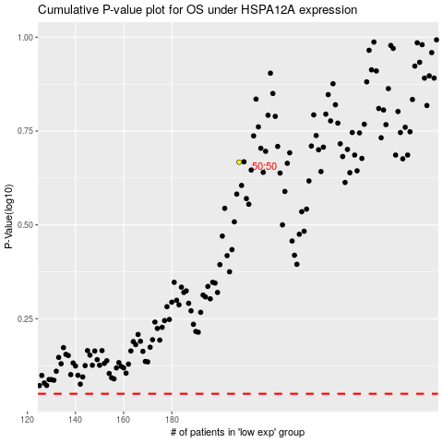

 |  |  |  |  |  | cases_OS | p_OS | rank | exp
 |  |  |  |  |  |  | cases_RFS | p_RFS | rank | exp

