HSPA1A _multivariate
Reported by Tex Li-Hsing Chi. tex@gate.sinica.edu.tw 2019-08-19

Table 2. The clinicopathological features of HNSCC cohort and HSPA1A expression. (Chi square test)
Cutoff at -0.31 (49.8%)
 |  | HSPA1A expression |  | HSPA1A expression |  | (Optimised)
 | Features | Low | (%) | High | (%) | Case no | P-value | Remark | Matthews
Gender | Female | 137 | 33 | 169 | 40.7 | 415 | 7e-04 | 1 | 0
2 | Male | 70 | 16.9 | 39 | 9.4
Age at diagnosis | <=65y | 128 | 30.8 | 146 | 35.2 | 415 | 0.0904 | 0 | 0
4 | >65y | 79 | 19 | 62 | 14.9
Clinical T Status | T1+T2 | 74 | 17.8 | 75 | 18.1 | 415 | 1 | 0 | 0
6 | T3+T4 | 133 | 32 | 133 | 32
Clinical N Status | N0 | 106 | 25.5 | 110 | 26.5 | 415 | 0.8075 | 0 | 0
8 | N1-3 | 101 | 24.3 | 98 | 23.6
Clinical M Status | M0 | 207 | 49.9 | 205 | 49.4 | 415 | 0.2482 | 0 | 0
10 | M1 | 0 | 0 | 3 | 0.7
Clinical Stage | Stage I+II | 53 | 12.8 | 49 | 11.8 | 415 | 0.7113 | 0 | 0
12 | Stage III+IV | 154 | 37.1 | 159 | 38.3
Surgical Margin status | Negative | 158 | 38.1 | 160 | 38.6 | 415 | 0.9081 | 0 | 0
14 | Positive | 49 | 11.8 | 48 | 11.6
Tobacco Exposure | Low | 88 | 21.2 | 73 | 17.6 | 415 | 0.1314 | 0 | 0
16 | High | 119 | 28.7 | 135 | 32.5

Table 3. Univariate/Multivariate Cox's proportional hazards regression analyses on OS time of HSPA1A gene expression in HNSCC

 |  | Univariate |  |  |  | Multivariate
 | Features | HR | CI95%(L) | CI95%(H) | P-value | HR | CI95%(L) | CI95%(H) | P-value
1 | Female | 1 |  |  |  | 1
Gender | Male | 1.157 | 0.843 | 1.587 | 0.367 | 1.223 | 0.871 | 1.718 | 0.245
11 | <=65y | 1 |  |  |  | 1
Age at diagnosis | >65y | 1.329 | 0.99 | 1.784 | 0.058 | 1.395 | 1.027 | 1.897 | 0.033
12 | T1+T2 | 1 |  |  |  | 1
Clinical T Status | T3+T4 | 1.409 | 1.028 | 1.931 | 0.033 | 2.212 | 1.17 | 4.182 | 0.015
13 | N0 | 1 |  |  |  | 1
Clinical N Status | N1-3 | 1.185 | 0.89 | 1.577 | 0.246 | 1.243 | 0.871 | 1.773 | 0.231
14 | M0 | 1 |  |  |  | 1
Clinical M Status | M1 | 4.097 | 1.009 | 16.644 | 0.049 | 9.099 | 1.977 | 41.881 | 0.005
15 | Stage I+II | 1 |  |  |  | 1
Clinical Stage | Stage III+IV | 1.245 | 0.882 | 1.759 | 0.213 | 0.5 | 0.233 | 1.073 | 0.075
16 | Negative | 1 |  |  |  | 1
Surgical Margin status | Positive | 1.591 | 1.155 | 2.191 | 0.004 | 1.665 | 1.205 | 2.301 | 0.002
17 | Low | 1 |  |  |  | 1
Tobacco Exposure | High | 1.364 | 1.008 | 1.844 | 0.044 | 1.446 | 1.05 | 1.993 | 0.024
18 | Low | 1 |  |  |  | 1
RNAseq(z-score) | High | 1.083 | 0.81 | 1.448 | 0.59 | 1.091 | 0.808 | 1.473 | 0.571

Table 4. Univariate/Multivariate Cox's proportional hazards regression analyses on RFS time of HSPA1A gene expression in HNSCC

 |  | Univariate |  |  |  | Multivariate
 | Features | HR | CI95%(L) | CI95%(H) | P-value | HR | CI95%(L) | CI95%(H) | P-value
1 | Female | 1 |  |  |  | 1
Gender | Male | 1.157 | 0.843 | 1.587 | 0.367 | 1.223 | 0.871 | 1.718 | 0.245
11 | <=65y | 1 |  |  |  | 1
Age at diagnosis | >65y | 1.329 | 0.99 | 1.784 | 0.058 | 1.395 | 1.027 | 1.897 | 0.033
12 | T1+T2 | 1 |  |  |  | 1
Clinical T Status | T3+T4 | 1.409 | 1.028 | 1.931 | 0.033 | 2.212 | 1.17 | 4.182 | 0.015
13 | N0 | 1 |  |  |  | 1
Clinical N Status | N1-3 | 1.185 | 0.89 | 1.577 | 0.246 | 1.243 | 0.871 | 1.773 | 0.231
14 | M0 | 1 |  |  |  | 1
Clinical M Status | M1 | 4.097 | 1.009 | 16.644 | 0.049 | 9.099 | 1.977 | 41.881 | 0.005
15 | Stage I+II | 1 |  |  |  | 1
Clinical Stage | Stage III+IV | 1.245 | 0.882 | 1.759 | 0.213 | 0.5 | 0.233 | 1.073 | 0.075
16 | Negative | 1 |  |  |  | 1
Surgical Margin status | Positive | 1.591 | 1.155 | 2.191 | 0.004 | 1.665 | 1.205 | 2.301 | 0.002
17 | Low | 1 |  |  |  | 1
Tobacco Exposure | High | 1.364 | 1.008 | 1.844 | 0.044 | 1.446 | 1.05 | 1.993 | 0.024
18 | Low | 1 |  |  |  | 1
RNAseq(z-score) | High | 1.083 | 0.81 | 1.448 | 0.59 | 1.091 | 0.808 | 1.473 | 0.571

Kaplan-Meier survival estimate: Cutoff at -0.31 (49.8%)



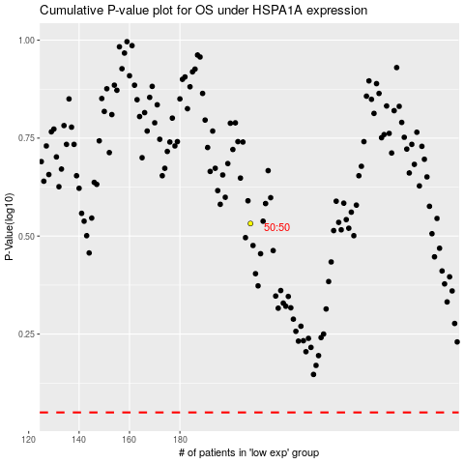

 |  |  |  |  |  | cases_OS | p_OS | rank | exp
 |  |  |  |  |  |  | cases_RFS | p_RFS | rank | exp

