HSPA1B _multivariate
Reported by Tex Li-Hsing Chi. tex@gate.sinica.edu.tw 2019-08-19

Table 2. The clinicopathological features of HNSCC cohort and HSPA1B expression. (Chi square test)
Cutoff at -0.324 (49.8%)
 |  | HSPA1B expression |  | HSPA1B expression |  | (Optimised)
 | Features | Low | (%) | High | (%) | Case no | P-value | Remark | Matthews
Gender | Female | 139 | 33.5 | 167 | 40.2 | 415 | 0.0034 | 1 | 0
2 | Male | 68 | 16.4 | 41 | 9.9
Age at diagnosis | <=65y | 134 | 32.3 | 140 | 33.7 | 415 | 0.6529 | 0 | 0
4 | >65y | 73 | 17.6 | 68 | 16.4
Clinical T Status | T1+T2 | 71 | 17.1 | 78 | 18.8 | 415 | 0.5638 | 0 | 0
6 | T3+T4 | 136 | 32.8 | 130 | 31.3
Clinical N Status | N0 | 103 | 24.8 | 113 | 27.2 | 415 | 0.4047 | 0 | 0
8 | N1-3 | 104 | 25.1 | 95 | 22.9
Clinical M Status | M0 | 207 | 49.9 | 205 | 49.4 | 415 | 0.2482 | 0 | 0
10 | M1 | 0 | 0 | 3 | 0.7
Clinical Stage | Stage I+II | 49 | 11.8 | 53 | 12.8 | 415 | 0.7535 | 0 | 0
12 | Stage III+IV | 158 | 38.1 | 155 | 37.3
Surgical Margin status | Negative | 161 | 38.8 | 157 | 37.8 | 415 | 0.6429 | 0 | 0
14 | Positive | 46 | 11.1 | 51 | 12.3
Tobacco Exposure | Low | 91 | 21.9 | 70 | 16.9 | 415 | 0.0346 | 1 | 0
16 | High | 116 | 28 | 138 | 33.3

Table 3. Univariate/Multivariate Cox's proportional hazards regression analyses on OS time of HSPA1B gene expression in HNSCC

 |  | Univariate |  |  |  | Multivariate
 | Features | HR | CI95%(L) | CI95%(H) | P-value | HR | CI95%(L) | CI95%(H) | P-value
1 | Female | 1 |  |  |  | 1
Gender | Male | 1.157 | 0.843 | 1.587 | 0.367 | 1.169 | 0.833 | 1.639 | 0.367
11 | <=65y | 1 |  |  |  | 1
Age at diagnosis | >65y | 1.329 | 0.99 | 1.784 | 0.058 | 1.398 | 1.028 | 1.9 | 0.033
12 | T1+T2 | 1 |  |  |  | 1
Clinical T Status | T3+T4 | 1.409 | 1.028 | 1.931 | 0.033 | 2.202 | 1.163 | 4.167 | 0.015
13 | N0 | 1 |  |  |  | 1
Clinical N Status | N1-3 | 1.185 | 0.89 | 1.577 | 0.246 | 1.233 | 0.864 | 1.759 | 0.248
14 | M0 | 1 |  |  |  | 1
Clinical M Status | M1 | 4.097 | 1.009 | 16.644 | 0.049 | 10.079 | 2.183 | 46.536 | 0.003
15 | Stage I+II | 1 |  |  |  | 1
Clinical Stage | Stage III+IV | 1.245 | 0.882 | 1.759 | 0.213 | 0.51 | 0.237 | 1.095 | 0.084
16 | Negative | 1 |  |  |  | 1
Surgical Margin status | Positive | 1.591 | 1.155 | 2.191 | 0.004 | 1.691 | 1.222 | 2.338 | 0.002
17 | Low | 1 |  |  |  | 1
Tobacco Exposure | High | 1.364 | 1.008 | 1.844 | 0.044 | 1.476 | 1.07 | 2.037 | 0.018
18 | Low | 1 |  |  |  | 1
RNAseq(z-score) | High | 0.915 | 0.687 | 1.219 | 0.544 | 0.864 | 0.642 | 1.164 | 0.338

Table 4. Univariate/Multivariate Cox's proportional hazards regression analyses on RFS time of HSPA1B gene expression in HNSCC

 |  | Univariate |  |  |  | Multivariate
 | Features | HR | CI95%(L) | CI95%(H) | P-value | HR | CI95%(L) | CI95%(H) | P-value
1 | Female | 1 |  |  |  | 1
Gender | Male | 1.157 | 0.843 | 1.587 | 0.367 | 1.169 | 0.833 | 1.639 | 0.367
11 | <=65y | 1 |  |  |  | 1
Age at diagnosis | >65y | 1.329 | 0.99 | 1.784 | 0.058 | 1.398 | 1.028 | 1.9 | 0.033
12 | T1+T2 | 1 |  |  |  | 1
Clinical T Status | T3+T4 | 1.409 | 1.028 | 1.931 | 0.033 | 2.202 | 1.163 | 4.167 | 0.015
13 | N0 | 1 |  |  |  | 1
Clinical N Status | N1-3 | 1.185 | 0.89 | 1.577 | 0.246 | 1.233 | 0.864 | 1.759 | 0.248
14 | M0 | 1 |  |  |  | 1
Clinical M Status | M1 | 4.097 | 1.009 | 16.644 | 0.049 | 10.079 | 2.183 | 46.536 | 0.003
15 | Stage I+II | 1 |  |  |  | 1
Clinical Stage | Stage III+IV | 1.245 | 0.882 | 1.759 | 0.213 | 0.51 | 0.237 | 1.095 | 0.084
16 | Negative | 1 |  |  |  | 1
Surgical Margin status | Positive | 1.591 | 1.155 | 2.191 | 0.004 | 1.691 | 1.222 | 2.338 | 0.002
17 | Low | 1 |  |  |  | 1
Tobacco Exposure | High | 1.364 | 1.008 | 1.844 | 0.044 | 1.476 | 1.07 | 2.037 | 0.018
18 | Low | 1 |  |  |  | 1
RNAseq(z-score) | High | 0.915 | 0.687 | 1.219 | 0.544 | 0.864 | 0.642 | 1.164 | 0.338

Kaplan-Meier survival estimate: Cutoff at -0.324 (49.8%)



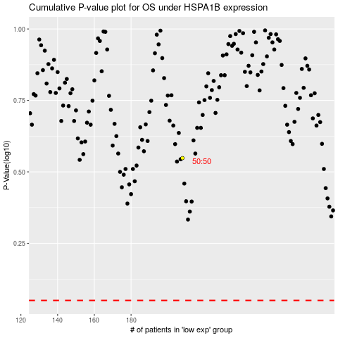

 |  |  |  |  |  | cases_OS | p_OS | rank | exp
 |  |  |  |  |  |  | cases_RFS | p_RFS | rank | exp

