HSPA1L _multivariate
Reported by Tex Li-Hsing Chi. tex@gate.sinica.edu.tw 2019-08-19

Table 2. The clinicopathological features of HNSCC cohort and HSPA1L expression. (Chi square test)
Cutoff at -0.307 (49.8%)
 |  | HSPA1L expression |  | HSPA1L expression |  | (Optimised)
 | Features | Low | (%) | High | (%) | Case no | P-value | Remark | Matthews
Gender | Female | 144 | 34.7 | 162 | 39 | 415 | 0.0697 | 0 | 0
2 | Male | 63 | 15.2 | 46 | 11.1
Age at diagnosis | <=65y | 127 | 30.6 | 147 | 35.4 | 415 | 0.0573 | 0 | 0
4 | >65y | 80 | 19.3 | 61 | 14.7
Clinical T Status | T1+T2 | 54 | 13 | 95 | 22.9 | 415 | 0 | 1 | 0
6 | T3+T4 | 153 | 36.9 | 113 | 27.2
Clinical N Status | N0 | 102 | 24.6 | 114 | 27.5 | 415 | 0.3031 | 0 | 0
8 | N1-3 | 105 | 25.3 | 94 | 22.7
Clinical M Status | M0 | 206 | 49.6 | 206 | 49.6 | 415 | 1 | 0 | 0
10 | M1 | 1 | 0.2 | 2 | 0.5
Clinical Stage | Stage I+II | 39 | 9.4 | 63 | 15.2 | 415 | 0.0095 | 1 | 0
12 | Stage III+IV | 168 | 40.5 | 145 | 34.9
Surgical Margin status | Negative | 156 | 37.6 | 162 | 39 | 415 | 0.5636 | 0 | 0
14 | Positive | 51 | 12.3 | 46 | 11.1
Tobacco Exposure | Low | 80 | 19.3 | 81 | 19.5 | 415 | 1 | 0 | 0
16 | High | 127 | 30.6 | 127 | 30.6

Table 3. Univariate/Multivariate Cox's proportional hazards regression analyses on OS time of HSPA1L gene expression in HNSCC

 |  | Univariate |  |  |  | Multivariate
 | Features | HR | CI95%(L) | CI95%(H) | P-value | HR | CI95%(L) | CI95%(H) | P-value
1 | Female | 1 |  |  |  | 1
Gender | Male | 1.157 | 0.843 | 1.587 | 0.367 | 1.18 | 0.842 | 1.652 | 0.336
11 | <=65y | 1 |  |  |  | 1
Age at diagnosis | >65y | 1.329 | 0.99 | 1.784 | 0.058 | 1.387 | 1.021 | 1.886 | 0.037
12 | T1+T2 | 1 |  |  |  | 1
Clinical T Status | T3+T4 | 1.409 | 1.028 | 1.931 | 0.033 | 2.107 | 1.107 | 4.013 | 0.023
13 | N0 | 1 |  |  |  | 1
Clinical N Status | N1-3 | 1.185 | 0.89 | 1.577 | 0.246 | 1.213 | 0.848 | 1.736 | 0.29
14 | M0 | 1 |  |  |  | 1
Clinical M Status | M1 | 4.097 | 1.009 | 16.644 | 0.049 | 9.569 | 2.086 | 43.889 | 0.004
15 | Stage I+II | 1 |  |  |  | 1
Clinical Stage | Stage III+IV | 1.245 | 0.882 | 1.759 | 0.213 | 0.516 | 0.24 | 1.11 | 0.09
16 | Negative | 1 |  |  |  | 1
Surgical Margin status | Positive | 1.591 | 1.155 | 2.191 | 0.004 | 1.688 | 1.22 | 2.334 | 0.002
17 | Low | 1 |  |  |  | 1
Tobacco Exposure | High | 1.364 | 1.008 | 1.844 | 0.044 | 1.466 | 1.063 | 2.021 | 0.02
18 | Low | 1 |  |  |  | 1
RNAseq(z-score) | High | 0.81 | 0.607 | 1.081 | 0.152 | 0.867 | 0.641 | 1.172 | 0.353

Table 4. Univariate/Multivariate Cox's proportional hazards regression analyses on RFS time of HSPA1L gene expression in HNSCC

 |  | Univariate |  |  |  | Multivariate
 | Features | HR | CI95%(L) | CI95%(H) | P-value | HR | CI95%(L) | CI95%(H) | P-value
1 | Female | 1 |  |  |  | 1
Gender | Male | 1.157 | 0.843 | 1.587 | 0.367 | 1.18 | 0.842 | 1.652 | 0.336
11 | <=65y | 1 |  |  |  | 1
Age at diagnosis | >65y | 1.329 | 0.99 | 1.784 | 0.058 | 1.387 | 1.021 | 1.886 | 0.037
12 | T1+T2 | 1 |  |  |  | 1
Clinical T Status | T3+T4 | 1.409 | 1.028 | 1.931 | 0.033 | 2.107 | 1.107 | 4.013 | 0.023
13 | N0 | 1 |  |  |  | 1
Clinical N Status | N1-3 | 1.185 | 0.89 | 1.577 | 0.246 | 1.213 | 0.848 | 1.736 | 0.29
14 | M0 | 1 |  |  |  | 1
Clinical M Status | M1 | 4.097 | 1.009 | 16.644 | 0.049 | 9.569 | 2.086 | 43.889 | 0.004
15 | Stage I+II | 1 |  |  |  | 1
Clinical Stage | Stage III+IV | 1.245 | 0.882 | 1.759 | 0.213 | 0.516 | 0.24 | 1.11 | 0.09
16 | Negative | 1 |  |  |  | 1
Surgical Margin status | Positive | 1.591 | 1.155 | 2.191 | 0.004 | 1.688 | 1.22 | 2.334 | 0.002
17 | Low | 1 |  |  |  | 1
Tobacco Exposure | High | 1.364 | 1.008 | 1.844 | 0.044 | 1.466 | 1.063 | 2.021 | 0.02
18 | Low | 1 |  |  |  | 1
RNAseq(z-score) | High | 0.81 | 0.607 | 1.081 | 0.152 | 0.867 | 0.641 | 1.172 | 0.353

Kaplan-Meier survival estimate: Cutoff at -0.307 (49.8%)



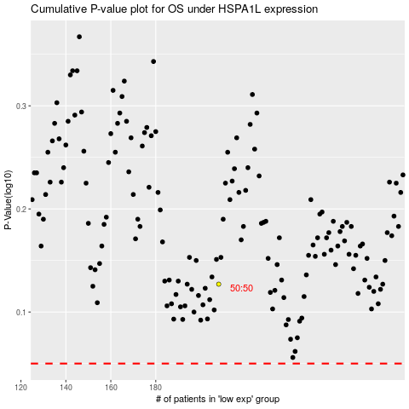

 |  |  |  |  |  | cases_OS | p_OS | rank | exp
 |  |  |  |  |  |  | cases_RFS | p_RFS | rank | exp

