HSPA2 _multivariate
Reported by Tex Li-Hsing Chi. tex@gate.sinica.edu.tw 2019-08-19

Table 2. The clinicopathological features of HNSCC cohort and HSPA2 expression. (Chi square test)
Cutoff at -0.241 (50.0%)
 |  | HSPA2 expression |  | HSPA2 expression |  | (Optimised)
 | Features | Low | (%) | High | (%) | Case no | P-value | Remark | Matthews
Gender | Female | 156 | 37.6 | 150 | 36.1 | 415 | 0.5222 | 0 | 0
2 | Male | 51 | 12.3 | 58 | 14
Age at diagnosis | <=65y | 127 | 30.6 | 147 | 35.4 | 415 | 0.0573 | 0 | 0
4 | >65y | 80 | 19.3 | 61 | 14.7
Clinical T Status | T1+T2 | 66 | 15.9 | 83 | 20 | 415 | 0.1095 | 0 | 0
6 | T3+T4 | 141 | 34 | 125 | 30.1
Clinical N Status | N0 | 110 | 26.5 | 106 | 25.5 | 415 | 0.7294 | 0 | 0
8 | N1-3 | 97 | 23.4 | 102 | 24.6
Clinical M Status | M0 | 206 | 49.6 | 206 | 49.6 | 415 | 1 | 0 | 0
10 | M1 | 1 | 0.2 | 2 | 0.5
Clinical Stage | Stage I+II | 47 | 11.3 | 55 | 13.3 | 415 | 0.4413 | 0 | 0
12 | Stage III+IV | 160 | 38.6 | 153 | 36.9
Surgical Margin status | Negative | 159 | 38.3 | 159 | 38.3 | 415 | 1 | 0 | 0
14 | Positive | 48 | 11.6 | 49 | 11.8
Tobacco Exposure | Low | 62 | 14.9 | 99 | 23.9 | 415 | 3e-04 | 1 | 0
16 | High | 145 | 34.9 | 109 | 26.3

Table 3. Univariate/Multivariate Cox's proportional hazards regression analyses on OS time of HSPA2 gene expression in HNSCC

 |  | Univariate |  |  |  | Multivariate
 | Features | HR | CI95%(L) | CI95%(H) | P-value | HR | CI95%(L) | CI95%(H) | P-value
1 | Female | 1 |  |  |  | 1
Gender | Male | 1.157 | 0.843 | 1.587 | 0.367 | 1.208 | 0.864 | 1.688 | 0.269
11 | <=65y | 1 |  |  |  | 1
Age at diagnosis | >65y | 1.329 | 0.99 | 1.784 | 0.058 | 1.378 | 1.012 | 1.878 | 0.042
12 | T1+T2 | 1 |  |  |  | 1
Clinical T Status | T3+T4 | 1.409 | 1.028 | 1.931 | 0.033 | 2.192 | 1.159 | 4.145 | 0.016
13 | N0 | 1 |  |  |  | 1
Clinical N Status | N1-3 | 1.185 | 0.89 | 1.577 | 0.246 | 1.243 | 0.871 | 1.775 | 0.23
14 | M0 | 1 |  |  |  | 1
Clinical M Status | M1 | 4.097 | 1.009 | 16.644 | 0.049 | 9.605 | 2.091 | 44.112 | 0.004
15 | Stage I+II | 1 |  |  |  | 1
Clinical Stage | Stage III+IV | 1.245 | 0.882 | 1.759 | 0.213 | 0.504 | 0.235 | 1.08 | 0.078
16 | Negative | 1 |  |  |  | 1
Surgical Margin status | Positive | 1.591 | 1.155 | 2.191 | 0.004 | 1.676 | 1.213 | 2.315 | 0.002
17 | Low | 1 |  |  |  | 1
Tobacco Exposure | High | 1.364 | 1.008 | 1.844 | 0.044 | 1.444 | 1.047 | 1.992 | 0.025
18 | Low | 1 |  |  |  | 1
RNAseq(z-score) | High | 0.881 | 0.66 | 1.175 | 0.387 | 0.923 | 0.689 | 1.237 | 0.593

Table 4. Univariate/Multivariate Cox's proportional hazards regression analyses on RFS time of HSPA2 gene expression in HNSCC

 |  | Univariate |  |  |  | Multivariate
 | Features | HR | CI95%(L) | CI95%(H) | P-value | HR | CI95%(L) | CI95%(H) | P-value
1 | Female | 1 |  |  |  | 1
Gender | Male | 1.157 | 0.843 | 1.587 | 0.367 | 1.208 | 0.864 | 1.688 | 0.269
11 | <=65y | 1 |  |  |  | 1
Age at diagnosis | >65y | 1.329 | 0.99 | 1.784 | 0.058 | 1.378 | 1.012 | 1.878 | 0.042
12 | T1+T2 | 1 |  |  |  | 1
Clinical T Status | T3+T4 | 1.409 | 1.028 | 1.931 | 0.033 | 2.192 | 1.159 | 4.145 | 0.016
13 | N0 | 1 |  |  |  | 1
Clinical N Status | N1-3 | 1.185 | 0.89 | 1.577 | 0.246 | 1.243 | 0.871 | 1.775 | 0.23
14 | M0 | 1 |  |  |  | 1
Clinical M Status | M1 | 4.097 | 1.009 | 16.644 | 0.049 | 9.605 | 2.091 | 44.112 | 0.004
15 | Stage I+II | 1 |  |  |  | 1
Clinical Stage | Stage III+IV | 1.245 | 0.882 | 1.759 | 0.213 | 0.504 | 0.235 | 1.08 | 0.078
16 | Negative | 1 |  |  |  | 1
Surgical Margin status | Positive | 1.591 | 1.155 | 2.191 | 0.004 | 1.676 | 1.213 | 2.315 | 0.002
17 | Low | 1 |  |  |  | 1
Tobacco Exposure | High | 1.364 | 1.008 | 1.844 | 0.044 | 1.444 | 1.047 | 1.992 | 0.025
18 | Low | 1 |  |  |  | 1
RNAseq(z-score) | High | 0.881 | 0.66 | 1.175 | 0.387 | 0.923 | 0.689 | 1.237 | 0.593

Kaplan-Meier survival estimate: Cutoff at -0.241 (50.0%)



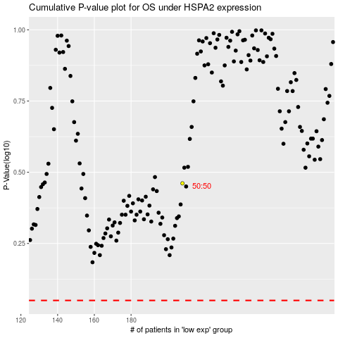

 |  |  |  |  |  | cases_OS | p_OS | rank | exp
 |  |  |  |  |  |  | cases_RFS | p_RFS | rank | exp

