HSPA5 _multivariate
Reported by Tex Li-Hsing Chi. tex@gate.sinica.edu.tw 2019-08-19

Table 2. The clinicopathological features of HNSCC cohort and HSPA5 expression. (Chi square test)
Cutoff at -0.407 (32.4%)
 |  | HSPA5 expression |  | HSPA5 expression |  | (Optimised)
 | Features | Low | (%) | High | (%) | Case no | P-value | Remark | Matthews
Gender | Female | 102 | 24.6 | 204 | 49.2 | 415 | 0.5203 | 0 | 0
2 | Male | 32 | 7.7 | 77 | 18.6
Age at diagnosis | <=65y | 90 | 21.7 | 184 | 44.3 | 415 | 0.8198 | 0 | 0
4 | >65y | 44 | 10.6 | 97 | 23.4
Clinical T Status | T1+T2 | 47 | 11.3 | 102 | 24.6 | 415 | 0.8937 | 0 | 0
6 | T3+T4 | 87 | 21 | 179 | 43.1
Clinical N Status | N0 | 71 | 17.1 | 145 | 34.9 | 415 | 0.8739 | 0 | 0
8 | N1-3 | 63 | 15.2 | 136 | 32.8
Clinical M Status | M0 | 134 | 32.3 | 278 | 67 | 415 | 0.5542 | 0 | 0
10 | M1 | 0 | 0 | 3 | 0.7
Clinical Stage | Stage I+II | 28 | 6.7 | 74 | 17.8 | 415 | 0.2795 | 0 | 0
12 | Stage III+IV | 106 | 25.5 | 207 | 49.9
Surgical Margin status | Negative | 105 | 25.3 | 213 | 51.3 | 415 | 0.6207 | 0 | 0
14 | Positive | 29 | 7 | 68 | 16.4
Tobacco Exposure | Low | 64 | 15.4 | 97 | 23.4 | 415 | 0.0131 | 1 | 0
16 | High | 70 | 16.9 | 184 | 44.3

Table 3. Univariate/Multivariate Cox's proportional hazards regression analyses on OS time of HSPA5 gene expression in HNSCC

 |  | Univariate |  |  |  | Multivariate
 | Features | HR | CI95%(L) | CI95%(H) | P-value | HR | CI95%(L) | CI95%(H) | P-value
1 | Female | 1 |  |  |  | 1
Gender | Male | 1.157 | 0.843 | 1.587 | 0.367 | 1.208 | 0.864 | 1.69 | 0.27
11 | <=65y | 1 |  |  |  | 1
Age at diagnosis | >65y | 1.329 | 0.99 | 1.784 | 0.058 | 1.351 | 0.992 | 1.839 | 0.056
12 | T1+T2 | 1 |  |  |  | 1
Clinical T Status | T3+T4 | 1.409 | 1.028 | 1.931 | 0.033 | 2.04 | 1.078 | 3.859 | 0.028
13 | N0 | 1 |  |  |  | 1
Clinical N Status | N1-3 | 1.185 | 0.89 | 1.577 | 0.246 | 1.185 | 0.83 | 1.693 | 0.35
14 | M0 | 1 |  |  |  | 1
Clinical M Status | M1 | 4.097 | 1.009 | 16.644 | 0.049 | 7.672 | 1.668 | 35.297 | 0.009
15 | Stage I+II | 1 |  |  |  | 1
Clinical Stage | Stage III+IV | 1.245 | 0.882 | 1.759 | 0.213 | 0.586 | 0.271 | 1.266 | 0.174
16 | Negative | 1 |  |  |  | 1
Surgical Margin status | Positive | 1.591 | 1.155 | 2.191 | 0.004 | 1.653 | 1.197 | 2.285 | 0.002
17 | Low | 1 |  |  |  | 1
Tobacco Exposure | High | 1.364 | 1.008 | 1.844 | 0.044 | 1.399 | 1.01 | 1.937 | 0.043
18 | Low | 1 |  |  |  | 1
RNAseq(z-score) | High | 1.72 | 1.24 | 2.386 | 0.001 | 1.637 | 1.172 | 2.286 | 0.004

Table 4. Univariate/Multivariate Cox's proportional hazards regression analyses on RFS time of HSPA5 gene expression in HNSCC

 |  | Univariate |  |  |  | Multivariate
 | Features | HR | CI95%(L) | CI95%(H) | P-value | HR | CI95%(L) | CI95%(H) | P-value
1 | Female | 1 |  |  |  | 1
Gender | Male | 1.157 | 0.843 | 1.587 | 0.367 | 1.208 | 0.864 | 1.69 | 0.27
11 | <=65y | 1 |  |  |  | 1
Age at diagnosis | >65y | 1.329 | 0.99 | 1.784 | 0.058 | 1.351 | 0.992 | 1.839 | 0.056
12 | T1+T2 | 1 |  |  |  | 1
Clinical T Status | T3+T4 | 1.409 | 1.028 | 1.931 | 0.033 | 2.04 | 1.078 | 3.859 | 0.028
13 | N0 | 1 |  |  |  | 1
Clinical N Status | N1-3 | 1.185 | 0.89 | 1.577 | 0.246 | 1.185 | 0.83 | 1.693 | 0.35
14 | M0 | 1 |  |  |  | 1
Clinical M Status | M1 | 4.097 | 1.009 | 16.644 | 0.049 | 7.672 | 1.668 | 35.297 | 0.009
15 | Stage I+II | 1 |  |  |  | 1
Clinical Stage | Stage III+IV | 1.245 | 0.882 | 1.759 | 0.213 | 0.586 | 0.271 | 1.266 | 0.174
16 | Negative | 1 |  |  |  | 1
Surgical Margin status | Positive | 1.591 | 1.155 | 2.191 | 0.004 | 1.653 | 1.197 | 2.285 | 0.002
17 | Low | 1 |  |  |  | 1
Tobacco Exposure | High | 1.364 | 1.008 | 1.844 | 0.044 | 1.399 | 1.01 | 1.937 | 0.043
18 | Low | 1 |  |  |  | 1
RNAseq(z-score) | High | 1.72 | 1.24 | 2.386 | 0.001 | 1.637 | 1.172 | 2.286 | 0.004

Kaplan-Meier survival estimate: Cutoff at -0.407 (32.4%)

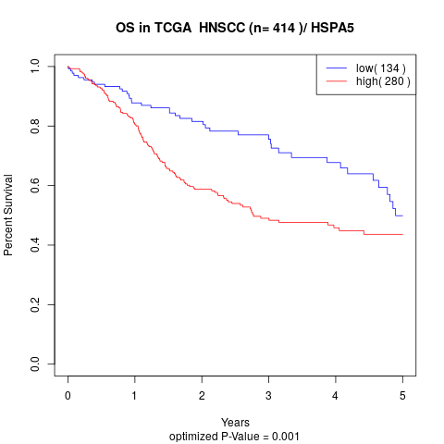

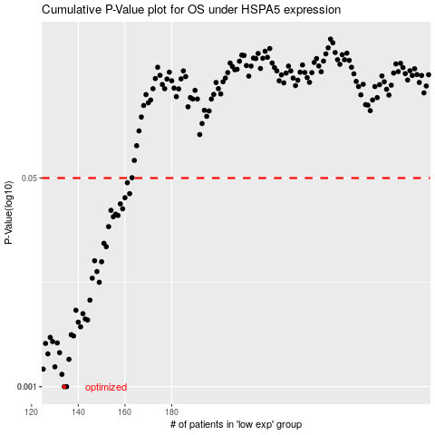

 |  |  |  |  |  | cases_OS | p_OS | rank | exp
 |  |  |  |  |  | 134 | 0.001 | 333 | -0.40712616674
 |  |  |  |  |  | 135 | 0.001 | 394 | -0.40310049383
 |  |  |  |  |  | 133 | 0.00126 | 290 | -0.41243406182
 |  |  |  |  |  | 125 | 0.00139 | 276 | -0.46841014659
 |  |  |  |  |  | 130 | 0.00145 | 113 | -0.42515588778
 |  |  |  |  |  | 136 | 0.00167 | 191 | -0.40283485266
 |  |  |  |  |  | 127 | 0.00185 | 405 | -0.43635802945
 |  |  |  |  |  | 132 | 0.00189 | 195 | -0.41960936803
 |  |  |  |  |  | 126 | 0.00225 | 5 | -0.43870397881
 |  |  |  |  |  | 131 | 0.00227 | 53 | -0.4219915837
 |  |  |  |  |  | 129 | 0.00233 | 272 | -0.42724459915
 |  |  |  |  |  | 128 | 0.00252 | 19 | -0.42900583974
 |  |  |  |  |  | 138 | 0.00259 | 370 | -0.39866114501
 |  |  |  |  |  | 137 | 0.00265 | 345 | -0.40104323431
 |  |  |  |  |  | 141 | 0.00307 | 87 | -0.39310567874
 |  |  |  |  |  | 140 | 0.00335 | 313 | -0.39523638066
 |  |  |  |  |  | 144 | 0.00349 | 302 | -0.37174528354
 |  |  |  |  |  | 143 | 0.00356 | 154 | -0.37403872891
 |  |  |  |  |  | 142 | 0.00393 | 238 | -0.37481794888
 |  |  |  |  |  | 139 | 0.00419 | 170 | -0.39671493366
 |  |  |  |  |  | 145 | 0.00506 | 213 | -0.36284648149
 |  |  |  |  |  | 149 | 0.00708 | 199 | -0.34266784956
 |  |  |  |  |  | 146 | 0.00765 | 284 | -0.35799930741
 |  |  |  |  |  | 148 | 0.00866 | 314 | -0.34638451338
 |  |  |  |  |  | 150 | 0.0104 | 88 | -0.34252287281
 |  |  |  |  |  | 147 | 0.0106 | 93 | -0.34872243867
 |  |  |  |  |  | 152 | 0.0138 | 287 | -0.32173345069
 |  |  |  |  |  | 151 | 0.0147 | 298 | -0.32644458193
 |  |  |  |  |  | 153 | 0.0201 | 123 | -0.31959243751
 |  |  |  |  |  | 155 | 0.0242 | 280 | -0.30796820414
 |  |  |  |  |  | 157 | 0.0248 | 203 | -0.30387794688
 |  |  |  |  |  | 156 | 0.0254 | 172 | -0.30613939703
 |  |  |  |  |  | 154 | 0.0273 | 386 | -0.31886246135
 |  |  |  |  |  | 159 | 0.0281 | 56 | -0.29689304506
 |  |  |  |  |  | 158 | 0.0308 | 415 | -0.30146235864
 |  |  |  |  |  | 160 | 0.0346 | 58 | -0.2944959817
 |  |  |  |  |  | 162 | 0.0373 | 229 | -0.2865906867
 |  |  |  |  |  | 161 | 0.0458 | 42 | -0.28681311158
 |  |  |  |  |  |  | cases_RFS | p_RFS | rank | exp
 |  |  |  |  |  |  | 133 | 0.001 | 290 | -0.41243406182
 |  |  |  |  |  |  | 134 | 0.001 | 333 | -0.40712616674
 |  |  |  |  |  |  | 132 | 0.00126 | 195 | -0.41960936803
 |  |  |  |  |  |  |  | 0.00139 | 369 | -0.47598444527
 |  |  |  |  |  |  | 129 | 0.00145 | 272 | -0.42724459915
 |  |  |  |  |  |  | 135 | 0.00167 | 394 | -0.40310049383
 |  |  |  |  |  |  | 126 | 0.00185 | 5 | -0.43870397881
 |  |  |  |  |  |  | 131 | 0.00189 | 53 | -0.4219915837
 |  |  |  |  |  |  | 125 | 0.00225 | 276 | -0.46841014659
 |  |  |  |  |  |  | 130 | 0.00227 | 113 | -0.42515588778
 |  |  |  |  |  |  | 128 | 0.00233 | 19 | -0.42900583974
 |  |  |  |  |  |  | 127 | 0.00252 | 405 | -0.43635802945
 |  |  |  |  |  |  | 137 | 0.00259 | 345 | -0.40104323431
 |  |  |  |  |  |  | 136 | 0.00265 | 191 | -0.40283485266
 |  |  |  |  |  |  | 140 | 0.00307 | 313 | -0.39523638066
 |  |  |  |  |  |  | 139 | 0.00335 | 170 | -0.39671493366
 |  |  |  |  |  |  | 143 | 0.00349 | 154 | -0.37403872891
 |  |  |  |  |  |  | 142 | 0.00356 | 238 | -0.37481794888
 |  |  |  |  |  |  | 141 | 0.00393 | 87 | -0.39310567874
 |  |  |  |  |  |  | 138 | 0.00419 | 370 | -0.39866114501
 |  |  |  |  |  |  | 144 | 0.00506 | 302 | -0.37174528354
 |  |  |  |  |  |  | 148 | 0.00708 | 314 | -0.34638451338
 |  |  |  |  |  |  | 145 | 0.00765 | 213 | -0.36284648149
 |  |  |  |  |  |  | 147 | 0.00866 | 93 | -0.34872243867
 |  |  |  |  |  |  | 149 | 0.0104 | 199 | -0.34266784956
 |  |  |  |  |  |  | 146 | 0.0106 | 284 | -0.35799930741
 |  |  |  |  |  |  | 151 | 0.0138 | 298 | -0.32644458193
 |  |  |  |  |  |  | 150 | 0.0147 | 88 | -0.34252287281
 |  |  |  |  |  |  | 152 | 0.0201 | 287 | -0.32173345069
 |  |  |  |  |  |  | 154 | 0.0242 | 386 | -0.31886246135
 |  |  |  |  |  |  | 156 | 0.0248 | 172 | -0.30613939703
 |  |  |  |  |  |  | 155 | 0.0254 | 280 | -0.30796820414
 |  |  |  |  |  |  | 153 | 0.0273 | 123 | -0.31959243751
 |  |  |  |  |  |  | 158 | 0.0281 | 415 | -0.30146235864
 |  |  |  |  |  |  | 157 | 0.0308 | 203 | -0.30387794688
 |  |  |  |  |  |  | 159 | 0.0346 | 56 | -0.29689304506
 |  |  |  |  |  |  | 161 | 0.0373 | 42 | -0.28681311158
 |  |  |  |  |  |  | 160 | 0.0458 | 58 | -0.2944959817

