HSPA6 _multivariate
Reported by Tex Li-Hsing Chi. tex@gate.sinica.edu.tw 2019-08-19

Table 2. The clinicopathological features of HNSCC cohort and HSPA6 expression. (Chi square test)
Cutoff at -0.145 (70.0%)
 |  | HSPA6 expression |  | HSPA6 expression |  | (Optimised)
 | Features | Low | (%) | High | (%) | Case no | P-value | Remark | Matthews
Gender | Female | 207 | 49.9 | 99 | 23.9 | 415 | 0.1237 | 0 | 0
2 | Male | 83 | 20 | 26 | 6.3
Age at diagnosis | <=65y | 200 | 48.2 | 74 | 17.8 | 415 | 0.0697 | 0 | 0
4 | >65y | 90 | 21.7 | 51 | 12.3
Clinical T Status | T1+T2 | 108 | 26 | 41 | 9.9 | 415 | 0.451 | 0 | 0
6 | T3+T4 | 182 | 43.9 | 84 | 20.2
Clinical N Status | N0 | 149 | 35.9 | 67 | 16.1 | 415 | 0.7578 | 0 | 0
8 | N1-3 | 141 | 34 | 58 | 14
Clinical M Status | M0 | 288 | 69.4 | 124 | 29.9 | 415 | 1 | 0 | 0
10 | M1 | 2 | 0.5 | 1 | 0.2
Clinical Stage | Stage I+II | 72 | 17.3 | 30 | 7.2 | 415 | 0.9558 | 0 | 0
12 | Stage III+IV | 218 | 52.5 | 95 | 22.9
Surgical Margin status | Negative | 220 | 53 | 98 | 23.6 | 415 | 0.6148 | 0 | 0
14 | Positive | 70 | 16.9 | 27 | 6.5
Tobacco Exposure | Low | 124 | 29.9 | 37 | 8.9 | 415 | 0.0118 | 1 | 0
16 | High | 166 | 40 | 88 | 21.2

Table 3. Univariate/Multivariate Cox's proportional hazards regression analyses on OS time of HSPA6 gene expression in HNSCC

 |  | Univariate |  |  |  | Multivariate
 | Features | HR | CI95%(L) | CI95%(H) | P-value | HR | CI95%(L) | CI95%(H) | P-value
1 | Female | 1 |  |  |  | 1
Gender | Male | 1.157 | 0.843 | 1.587 | 0.367 | 1.228 | 0.878 | 1.717 | 0.229
11 | <=65y | 1 |  |  |  | 1
Age at diagnosis | >65y | 1.329 | 0.99 | 1.784 | 0.058 | 1.334 | 0.978 | 1.82 | 0.069
12 | T1+T2 | 1 |  |  |  | 1
Clinical T Status | T3+T4 | 1.409 | 1.028 | 1.931 | 0.033 | 2.148 | 1.135 | 4.064 | 0.019
13 | N0 | 1 |  |  |  | 1
Clinical N Status | N1-3 | 1.185 | 0.89 | 1.577 | 0.246 | 1.239 | 0.868 | 1.768 | 0.237
14 | M0 | 1 |  |  |  | 1
Clinical M Status | M1 | 4.097 | 1.009 | 16.644 | 0.049 | 9.47 | 2.066 | 43.402 | 0.004
15 | Stage I+II | 1 |  |  |  | 1
Clinical Stage | Stage III+IV | 1.245 | 0.882 | 1.759 | 0.213 | 0.514 | 0.239 | 1.105 | 0.088
16 | Negative | 1 |  |  |  | 1
Surgical Margin status | Positive | 1.591 | 1.155 | 2.191 | 0.004 | 1.663 | 1.204 | 2.298 | 0.002
17 | Low | 1 |  |  |  | 1
Tobacco Exposure | High | 1.364 | 1.008 | 1.844 | 0.044 | 1.386 | 1.001 | 1.919 | 0.05
18 | Low | 1 |  |  |  | 1
RNAseq(z-score) | High | 1.425 | 1.056 | 1.922 | 0.02 | 1.308 | 0.96 | 1.782 | 0.088

Table 4. Univariate/Multivariate Cox's proportional hazards regression analyses on RFS time of HSPA6 gene expression in HNSCC

 |  | Univariate |  |  |  | Multivariate
 | Features | HR | CI95%(L) | CI95%(H) | P-value | HR | CI95%(L) | CI95%(H) | P-value
1 | Female | 1 |  |  |  | 1
Gender | Male | 1.157 | 0.843 | 1.587 | 0.367 | 1.228 | 0.878 | 1.717 | 0.229
11 | <=65y | 1 |  |  |  | 1
Age at diagnosis | >65y | 1.329 | 0.99 | 1.784 | 0.058 | 1.334 | 0.978 | 1.82 | 0.069
12 | T1+T2 | 1 |  |  |  | 1
Clinical T Status | T3+T4 | 1.409 | 1.028 | 1.931 | 0.033 | 2.148 | 1.135 | 4.064 | 0.019
13 | N0 | 1 |  |  |  | 1
Clinical N Status | N1-3 | 1.185 | 0.89 | 1.577 | 0.246 | 1.239 | 0.868 | 1.768 | 0.237
14 | M0 | 1 |  |  |  | 1
Clinical M Status | M1 | 4.097 | 1.009 | 16.644 | 0.049 | 9.47 | 2.066 | 43.402 | 0.004
15 | Stage I+II | 1 |  |  |  | 1
Clinical Stage | Stage III+IV | 1.245 | 0.882 | 1.759 | 0.213 | 0.514 | 0.239 | 1.105 | 0.088
16 | Negative | 1 |  |  |  | 1
Surgical Margin status | Positive | 1.591 | 1.155 | 2.191 | 0.004 | 1.663 | 1.204 | 2.298 | 0.002
17 | Low | 1 |  |  |  | 1
Tobacco Exposure | High | 1.364 | 1.008 | 1.844 | 0.044 | 1.386 | 1.001 | 1.919 | 0.05
18 | Low | 1 |  |  |  | 1
RNAseq(z-score) | High | 1.425 | 1.056 | 1.922 | 0.02 | 1.308 | 0.96 | 1.782 | 0.088

Kaplan-Meier survival estimate: Cutoff at -0.145 (70.0%)



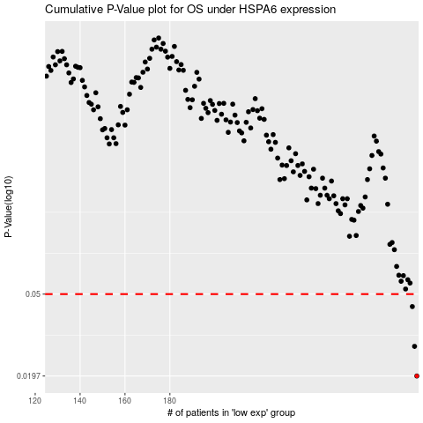

 |  |  |  |  |  | cases_OS | p_OS | rank | exp
 |  |  |  |  |  | 290 | 0.0197 | 354 | -0.14532397076
 |  |  |  |  |  | 289 | 0.0276 | 282 | -0.14532448584
 |  |  |  |  |  | 288 | 0.0434 | 272 | -0.14626799232
 |  |  |  |  |  |  | cases_RFS | p_RFS | rank | exp
 |  |  |  |  |  |  | 289 | 0.0197 | 282 | -0.14532448584
 |  |  |  |  |  |  | 288 | 0.0276 | 272 | -0.14626799232
 |  |  |  |  |  |  | 287 | 0.0434 | 73 | -0.14703675629

