HSPA9 _multivariate
Reported by Tex Li-Hsing Chi. tex@gate.sinica.edu.tw 2019-08-19

Table 2. The clinicopathological features of HNSCC cohort and HSPA9 expression. (Chi square test)
Cutoff at -0.17 (49.8%)
 |  | HSPA9 expression |  | HSPA9 expression |  | (Optimised)
 | Features | Low | (%) | High | (%) | Case no | P-value | Remark | Matthews
Gender | Female | 154 | 37.1 | 152 | 36.6 | 415 | 0.8463 | 0 | 0
2 | Male | 53 | 12.8 | 56 | 13.5
Age at diagnosis | <=65y | 133 | 32 | 141 | 34 | 415 | 0.5111 | 0 | 0
4 | >65y | 74 | 17.8 | 67 | 16.1
Clinical T Status | T1+T2 | 77 | 18.6 | 72 | 17.3 | 415 | 0.6556 | 0 | 0
6 | T3+T4 | 130 | 31.3 | 136 | 32.8
Clinical N Status | N0 | 109 | 26.3 | 107 | 25.8 | 415 | 0.8812 | 0 | 0
8 | N1-3 | 98 | 23.6 | 101 | 24.3
Clinical M Status | M0 | 207 | 49.9 | 205 | 49.4 | 415 | 0.2482 | 0 | 0
10 | M1 | 0 | 0 | 3 | 0.7
Clinical Stage | Stage I+II | 60 | 14.5 | 42 | 10.1 | 415 | 0.0493 | 1 | 0
12 | Stage III+IV | 147 | 35.4 | 166 | 40
Surgical Margin status | Negative | 161 | 38.8 | 157 | 37.8 | 415 | 0.6429 | 0 | 0
14 | Positive | 46 | 11.1 | 51 | 12.3
Tobacco Exposure | Low | 82 | 19.8 | 79 | 19 | 415 | 0.763 | 0 | 0
16 | High | 125 | 30.1 | 129 | 31.1

Table 3. Univariate/Multivariate Cox's proportional hazards regression analyses on OS time of HSPA9 gene expression in HNSCC

 |  | Univariate |  |  |  | Multivariate
 | Features | HR | CI95%(L) | CI95%(H) | P-value | HR | CI95%(L) | CI95%(H) | P-value
1 | Female | 1 |  |  |  | 1
Gender | Male | 1.157 | 0.843 | 1.587 | 0.367 | 1.207 | 0.864 | 1.687 | 0.27
11 | <=65y | 1 |  |  |  | 1
Age at diagnosis | >65y | 1.329 | 0.99 | 1.784 | 0.058 | 1.398 | 1.028 | 1.902 | 0.033
12 | T1+T2 | 1 |  |  |  | 1
Clinical T Status | T3+T4 | 1.409 | 1.028 | 1.931 | 0.033 | 2.235 | 1.181 | 4.229 | 0.013
13 | N0 | 1 |  |  |  | 1
Clinical N Status | N1-3 | 1.185 | 0.89 | 1.577 | 0.246 | 1.261 | 0.882 | 1.805 | 0.204
14 | M0 | 1 |  |  |  | 1
Clinical M Status | M1 | 4.097 | 1.009 | 16.644 | 0.049 | 9.033 | 1.963 | 41.563 | 0.005
15 | Stage I+II | 1 |  |  |  | 1
Clinical Stage | Stage III+IV | 1.245 | 0.882 | 1.759 | 0.213 | 0.488 | 0.226 | 1.052 | 0.067
16 | Negative | 1 |  |  |  | 1
Surgical Margin status | Positive | 1.591 | 1.155 | 2.191 | 0.004 | 1.651 | 1.193 | 2.285 | 0.002
17 | Low | 1 |  |  |  | 1
Tobacco Exposure | High | 1.364 | 1.008 | 1.844 | 0.044 | 1.467 | 1.063 | 2.024 | 0.02
18 | Low | 1 |  |  |  | 1
RNAseq(z-score) | High | 1.108 | 0.829 | 1.481 | 0.488 | 1.113 | 0.827 | 1.5 | 0.48

Table 4. Univariate/Multivariate Cox's proportional hazards regression analyses on RFS time of HSPA9 gene expression in HNSCC

 |  | Univariate |  |  |  | Multivariate
 | Features | HR | CI95%(L) | CI95%(H) | P-value | HR | CI95%(L) | CI95%(H) | P-value
1 | Female | 1 |  |  |  | 1
Gender | Male | 1.157 | 0.843 | 1.587 | 0.367 | 1.207 | 0.864 | 1.687 | 0.27
11 | <=65y | 1 |  |  |  | 1
Age at diagnosis | >65y | 1.329 | 0.99 | 1.784 | 0.058 | 1.398 | 1.028 | 1.902 | 0.033
12 | T1+T2 | 1 |  |  |  | 1
Clinical T Status | T3+T4 | 1.409 | 1.028 | 1.931 | 0.033 | 2.235 | 1.181 | 4.229 | 0.013
13 | N0 | 1 |  |  |  | 1
Clinical N Status | N1-3 | 1.185 | 0.89 | 1.577 | 0.246 | 1.261 | 0.882 | 1.805 | 0.204
14 | M0 | 1 |  |  |  | 1
Clinical M Status | M1 | 4.097 | 1.009 | 16.644 | 0.049 | 9.033 | 1.963 | 41.563 | 0.005
15 | Stage I+II | 1 |  |  |  | 1
Clinical Stage | Stage III+IV | 1.245 | 0.882 | 1.759 | 0.213 | 0.488 | 0.226 | 1.052 | 0.067
16 | Negative | 1 |  |  |  | 1
Surgical Margin status | Positive | 1.591 | 1.155 | 2.191 | 0.004 | 1.651 | 1.193 | 2.285 | 0.002
17 | Low | 1 |  |  |  | 1
Tobacco Exposure | High | 1.364 | 1.008 | 1.844 | 0.044 | 1.467 | 1.063 | 2.024 | 0.02
18 | Low | 1 |  |  |  | 1
RNAseq(z-score) | High | 1.108 | 0.829 | 1.481 | 0.488 | 1.113 | 0.827 | 1.5 | 0.48

Kaplan-Meier survival estimate: Cutoff at -0.17 (49.8%)



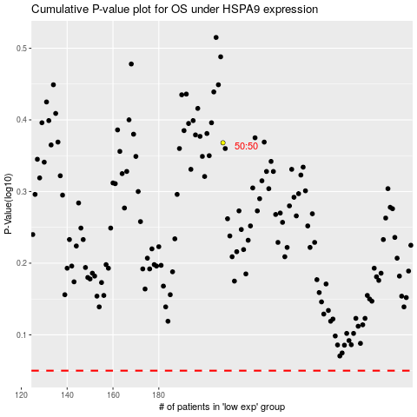

 |  |  |  |  |  | cases_OS | p_OS | rank | exp
 |  |  |  |  |  |  | cases_RFS | p_RFS | rank | exp

