HSPB11 _multivariate
Reported by Tex Li-Hsing Chi. tex@gate.sinica.edu.tw 2019-08-19

Table 2. The clinicopathological features of HNSCC cohort and HSPB11 expression. (Chi square test)
Cutoff at -0.209 (50.0%)
 |  | HSPB11 expression |  | HSPB11 expression |  | (Optimised)
 | Features | Low | (%) | High | (%) | Case no | P-value | Remark | Matthews
Gender | Female | 151 | 36.4 | 155 | 37.3 | 415 | 0.8007 | 0 | 0
2 | Male | 56 | 13.5 | 53 | 12.8
Age at diagnosis | <=65y | 131 | 31.6 | 143 | 34.5 | 415 | 0.2839 | 0 | 0
4 | >65y | 76 | 18.3 | 65 | 15.7
Clinical T Status | T1+T2 | 71 | 17.1 | 78 | 18.8 | 415 | 0.5638 | 0 | 0
6 | T3+T4 | 136 | 32.8 | 130 | 31.3
Clinical N Status | N0 | 113 | 27.2 | 103 | 24.8 | 415 | 0.3495 | 1 | 0
8 | N1-3 | 94 | 22.7 | 105 | 25.3
Clinical M Status | M0 | 207 | 49.9 | 205 | 49.4 | 415 | 0.2482 | 0 | 0
10 | M1 | 0 | 0 | 3 | 0.7
Clinical Stage | Stage I+II | 52 | 12.5 | 50 | 12 | 415 | 0.8871 | 0 | 0
12 | Stage III+IV | 155 | 37.3 | 158 | 38.1
Surgical Margin status | Negative | 164 | 39.5 | 154 | 37.1 | 415 | 0.2462 | 0 | 0
14 | Positive | 43 | 10.4 | 54 | 13
Tobacco Exposure | Low | 80 | 19.3 | 81 | 19.5 | 415 | 1 | 0 | 0
16 | High | 127 | 30.6 | 127 | 30.6

Table 3. Univariate/Multivariate Cox's proportional hazards regression analyses on OS time of HSPB11 gene expression in HNSCC

 |  | Univariate |  |  |  | Multivariate
 | Features | HR | CI95%(L) | CI95%(H) | P-value | HR | CI95%(L) | CI95%(H) | P-value
1 | Female | 1 |  |  |  | 1
Gender | Male | 1.157 | 0.843 | 1.587 | 0.367 | 1.21 | 0.866 | 1.693 | 0.264
11 | <=65y | 1 |  |  |  | 1
Age at diagnosis | >65y | 1.329 | 0.99 | 1.784 | 0.058 | 1.388 | 1.02 | 1.887 | 0.037
12 | T1+T2 | 1 |  |  |  | 1
Clinical T Status | T3+T4 | 1.409 | 1.028 | 1.931 | 0.033 | 2.19 | 1.158 | 4.143 | 0.016
13 | N0 | 1 |  |  |  | 1
Clinical N Status | N1-3 | 1.185 | 0.89 | 1.577 | 0.246 | 1.248 | 0.874 | 1.782 | 0.223
14 | M0 | 1 |  |  |  | 1
Clinical M Status | M1 | 4.097 | 1.009 | 16.644 | 0.049 | 9.728 | 2.11 | 44.863 | 0.004
15 | Stage I+II | 1 |  |  |  | 1
Clinical Stage | Stage III+IV | 1.245 | 0.882 | 1.759 | 0.213 | 0.507 | 0.236 | 1.087 | 0.081
16 | Negative | 1 |  |  |  | 1
Surgical Margin status | Positive | 1.591 | 1.155 | 2.191 | 0.004 | 1.688 | 1.219 | 2.337 | 0.002
17 | Low | 1 |  |  |  | 1
Tobacco Exposure | High | 1.364 | 1.008 | 1.844 | 0.044 | 1.46 | 1.059 | 2.012 | 0.021
18 | Low | 1 |  |  |  | 1
RNAseq(z-score) | High | 0.98 | 0.735 | 1.307 | 0.892 | 0.928 | 0.691 | 1.245 | 0.617

Table 4. Univariate/Multivariate Cox's proportional hazards regression analyses on RFS time of HSPB11 gene expression in HNSCC

 |  | Univariate |  |  |  | Multivariate
 | Features | HR | CI95%(L) | CI95%(H) | P-value | HR | CI95%(L) | CI95%(H) | P-value
1 | Female | 1 |  |  |  | 1
Gender | Male | 1.157 | 0.843 | 1.587 | 0.367 | 1.21 | 0.866 | 1.693 | 0.264
11 | <=65y | 1 |  |  |  | 1
Age at diagnosis | >65y | 1.329 | 0.99 | 1.784 | 0.058 | 1.388 | 1.02 | 1.887 | 0.037
12 | T1+T2 | 1 |  |  |  | 1
Clinical T Status | T3+T4 | 1.409 | 1.028 | 1.931 | 0.033 | 2.19 | 1.158 | 4.143 | 0.016
13 | N0 | 1 |  |  |  | 1
Clinical N Status | N1-3 | 1.185 | 0.89 | 1.577 | 0.246 | 1.248 | 0.874 | 1.782 | 0.223
14 | M0 | 1 |  |  |  | 1
Clinical M Status | M1 | 4.097 | 1.009 | 16.644 | 0.049 | 9.728 | 2.11 | 44.863 | 0.004
15 | Stage I+II | 1 |  |  |  | 1
Clinical Stage | Stage III+IV | 1.245 | 0.882 | 1.759 | 0.213 | 0.507 | 0.236 | 1.087 | 0.081
16 | Negative | 1 |  |  |  | 1
Surgical Margin status | Positive | 1.591 | 1.155 | 2.191 | 0.004 | 1.688 | 1.219 | 2.337 | 0.002
17 | Low | 1 |  |  |  | 1
Tobacco Exposure | High | 1.364 | 1.008 | 1.844 | 0.044 | 1.46 | 1.059 | 2.012 | 0.021
18 | Low | 1 |  |  |  | 1
RNAseq(z-score) | High | 0.98 | 0.735 | 1.307 | 0.892 | 0.928 | 0.691 | 1.245 | 0.617

Kaplan-Meier survival estimate: Cutoff at -0.209 (50.0%)



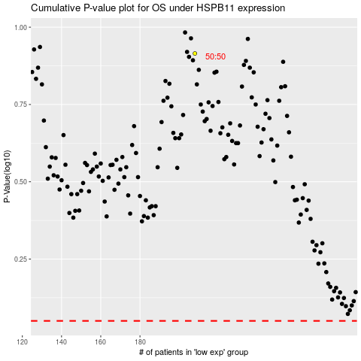

 |  |  |  |  |  | cases_OS | p_OS | rank | exp
 |  |  |  |  |  |  | cases_RFS | p_RFS | rank | exp

