HSPB2 _multivariate
Reported by Tex Li-Hsing Chi. tex@gate.sinica.edu.tw 2019-08-19

Table 2. The clinicopathological features of HNSCC cohort and HSPB2 expression. (Chi square test)
Cutoff at -0.289 (50.0%)
 |  | HSPB2 expression |  | HSPB2 expression |  | (Optimised)
 | Features | Low | (%) | High | (%) | Case no | P-value | Remark | Matthews
Gender | Female | 153 | 36.9 | 153 | 36.9 | 415 | 1 | 0 | 0
2 | Male | 54 | 13 | 55 | 13.3
Age at diagnosis | <=65y | 124 | 29.9 | 150 | 36.1 | 415 | 0.0116 | 1 | 0
4 | >65y | 83 | 20 | 58 | 14
Clinical T Status | T1+T2 | 71 | 17.1 | 78 | 18.8 | 415 | 0.5638 | 0 | 0
6 | T3+T4 | 136 | 32.8 | 130 | 31.3
Clinical N Status | N0 | 110 | 26.5 | 106 | 25.5 | 415 | 0.7294 | 0 | 0
8 | N1-3 | 97 | 23.4 | 102 | 24.6
Clinical M Status | M0 | 204 | 49.2 | 208 | 50.1 | 415 | 0.1232 | 0 | 0
10 | M1 | 3 | 0.7 | 0 | 0
Clinical Stage | Stage I+II | 45 | 10.8 | 57 | 13.7 | 415 | 0.2202 | 0 | 0
12 | Stage III+IV | 162 | 39 | 151 | 36.4
Surgical Margin status | Negative | 157 | 37.8 | 161 | 38.8 | 415 | 0.729 | 0 | 0
14 | Positive | 50 | 12 | 47 | 11.3
Tobacco Exposure | Low | 91 | 21.9 | 70 | 16.9 | 415 | 0.0346 | 1 | 0
16 | High | 116 | 28 | 138 | 33.3

Table 3. Univariate/Multivariate Cox's proportional hazards regression analyses on OS time of HSPB2 gene expression in HNSCC

 |  | Univariate |  |  |  | Multivariate
 | Features | HR | CI95%(L) | CI95%(H) | P-value | HR | CI95%(L) | CI95%(H) | P-value
1 | Female | 1 |  |  |  | 1
Gender | Male | 1.157 | 0.843 | 1.587 | 0.367 | 1.188 | 0.85 | 1.66 | 0.313
11 | <=65y | 1 |  |  |  | 1
Age at diagnosis | >65y | 1.329 | 0.99 | 1.784 | 0.058 | 1.462 | 1.07 | 1.998 | 0.017
12 | T1+T2 | 1 |  |  |  | 1
Clinical T Status | T3+T4 | 1.409 | 1.028 | 1.931 | 0.033 | 2.104 | 1.111 | 3.984 | 0.022
13 | N0 | 1 |  |  |  | 1
Clinical N Status | N1-3 | 1.185 | 0.89 | 1.577 | 0.246 | 1.215 | 0.85 | 1.736 | 0.285
14 | M0 | 1 |  |  |  | 1
Clinical M Status | M1 | 4.097 | 1.009 | 16.644 | 0.049 | 10.441 | 2.268 | 48.062 | 0.003
15 | Stage I+II | 1 |  |  |  | 1
Clinical Stage | Stage III+IV | 1.245 | 0.882 | 1.759 | 0.213 | 0.544 | 0.252 | 1.172 | 0.12
16 | Negative | 1 |  |  |  | 1
Surgical Margin status | Positive | 1.591 | 1.155 | 2.191 | 0.004 | 1.639 | 1.186 | 2.265 | 0.003
17 | Low | 1 |  |  |  | 1
Tobacco Exposure | High | 1.364 | 1.008 | 1.844 | 0.044 | 1.399 | 1.014 | 1.93 | 0.041
18 | Low | 1 |  |  |  | 1
RNAseq(z-score) | High | 1.3 | 0.975 | 1.732 | 0.074 | 1.311 | 0.971 | 1.77 | 0.078

Table 4. Univariate/Multivariate Cox's proportional hazards regression analyses on RFS time of HSPB2 gene expression in HNSCC

 |  | Univariate |  |  |  | Multivariate
 | Features | HR | CI95%(L) | CI95%(H) | P-value | HR | CI95%(L) | CI95%(H) | P-value
1 | Female | 1 |  |  |  | 1
Gender | Male | 1.157 | 0.843 | 1.587 | 0.367 | 1.188 | 0.85 | 1.66 | 0.313
11 | <=65y | 1 |  |  |  | 1
Age at diagnosis | >65y | 1.329 | 0.99 | 1.784 | 0.058 | 1.462 | 1.07 | 1.998 | 0.017
12 | T1+T2 | 1 |  |  |  | 1
Clinical T Status | T3+T4 | 1.409 | 1.028 | 1.931 | 0.033 | 2.104 | 1.111 | 3.984 | 0.022
13 | N0 | 1 |  |  |  | 1
Clinical N Status | N1-3 | 1.185 | 0.89 | 1.577 | 0.246 | 1.215 | 0.85 | 1.736 | 0.285
14 | M0 | 1 |  |  |  | 1
Clinical M Status | M1 | 4.097 | 1.009 | 16.644 | 0.049 | 10.441 | 2.268 | 48.062 | 0.003
15 | Stage I+II | 1 |  |  |  | 1
Clinical Stage | Stage III+IV | 1.245 | 0.882 | 1.759 | 0.213 | 0.544 | 0.252 | 1.172 | 0.12
16 | Negative | 1 |  |  |  | 1
Surgical Margin status | Positive | 1.591 | 1.155 | 2.191 | 0.004 | 1.639 | 1.186 | 2.265 | 0.003
17 | Low | 1 |  |  |  | 1
Tobacco Exposure | High | 1.364 | 1.008 | 1.844 | 0.044 | 1.399 | 1.014 | 1.93 | 0.041
18 | Low | 1 |  |  |  | 1
RNAseq(z-score) | High | 1.3 | 0.975 | 1.732 | 0.074 | 1.311 | 0.971 | 1.77 | 0.078

Kaplan-Meier survival estimate: Cutoff at -0.289 (50.0%)



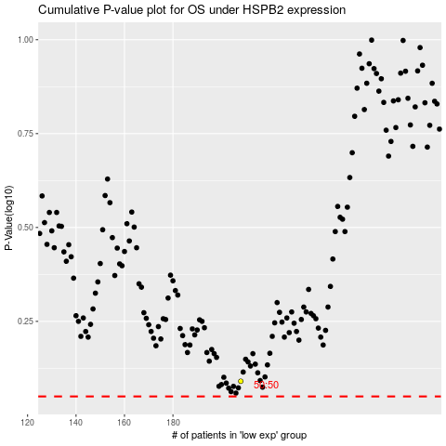

 |  |  |  |  |  | cases_OS | p_OS | rank | exp
 |  |  |  |  |  |  | cases_RFS | p_RFS | rank | exp

