HSPB6 _multivariate
Reported by Tex Li-Hsing Chi. tex@gate.sinica.edu.tw 2019-08-19

Table 2. The clinicopathological features of HNSCC cohort and HSPB6 expression. (Chi square test)
Cutoff at -0.198 (50.0%)
 |  | HSPB6 expression |  | HSPB6 expression |  | (Optimised)
 | Features | Low | (%) | High | (%) | Case no | P-value | Remark | Matthews
Gender | Female | 148 | 35.7 | 158 | 38.1 | 415 | 0.3567 | 0 | 0
2 | Male | 59 | 14.2 | 50 | 12
Age at diagnosis | <=65y | 126 | 30.4 | 148 | 35.7 | 415 | 0.035 | 1 | 0
4 | >65y | 81 | 19.5 | 60 | 14.5
Clinical T Status | T1+T2 | 65 | 15.7 | 84 | 20.2 | 415 | 0.0711 | 0 | 0
6 | T3+T4 | 142 | 34.2 | 124 | 29.9
Clinical N Status | N0 | 108 | 26 | 108 | 26 | 415 | 1 | 0 | 0
8 | N1-3 | 99 | 23.9 | 100 | 24.1
Clinical M Status | M0 | 204 | 49.2 | 208 | 50.1 | 415 | 0.1232 | 0 | 0
10 | M1 | 3 | 0.7 | 0 | 0
Clinical Stage | Stage I+II | 41 | 9.9 | 61 | 14.7 | 415 | 0.0325 | 1 | 0
12 | Stage III+IV | 166 | 40 | 147 | 35.4
Surgical Margin status | Negative | 155 | 37.3 | 163 | 39.3 | 415 | 0.4187 | 0 | 0
14 | Positive | 52 | 12.5 | 45 | 10.8
Tobacco Exposure | Low | 86 | 20.7 | 75 | 18.1 | 415 | 0.2687 | 0 | 0
16 | High | 121 | 29.2 | 133 | 32

Table 3. Univariate/Multivariate Cox's proportional hazards regression analyses on OS time of HSPB6 gene expression in HNSCC

 |  | Univariate |  |  |  | Multivariate
 | Features | HR | CI95%(L) | CI95%(H) | P-value | HR | CI95%(L) | CI95%(H) | P-value
1 | Female | 1 |  |  |  | 1
Gender | Male | 1.157 | 0.843 | 1.587 | 0.367 | 1.205 | 0.862 | 1.684 | 0.274
11 | <=65y | 1 |  |  |  | 1
Age at diagnosis | >65y | 1.329 | 0.99 | 1.784 | 0.058 | 1.407 | 1.032 | 1.917 | 0.031
12 | T1+T2 | 1 |  |  |  | 1
Clinical T Status | T3+T4 | 1.409 | 1.028 | 1.931 | 0.033 | 2.194 | 1.16 | 4.149 | 0.016
13 | N0 | 1 |  |  |  | 1
Clinical N Status | N1-3 | 1.185 | 0.89 | 1.577 | 0.246 | 1.238 | 0.867 | 1.767 | 0.24
14 | M0 | 1 |  |  |  | 1
Clinical M Status | M1 | 4.097 | 1.009 | 16.644 | 0.049 | 9.802 | 2.124 | 45.233 | 0.003
15 | Stage I+II | 1 |  |  |  | 1
Clinical Stage | Stage III+IV | 1.245 | 0.882 | 1.759 | 0.213 | 0.511 | 0.238 | 1.098 | 0.085
16 | Negative | 1 |  |  |  | 1
Surgical Margin status | Positive | 1.591 | 1.155 | 2.191 | 0.004 | 1.676 | 1.213 | 2.316 | 0.002
17 | Low | 1 |  |  |  | 1
Tobacco Exposure | High | 1.364 | 1.008 | 1.844 | 0.044 | 1.447 | 1.05 | 1.994 | 0.024
18 | Low | 1 |  |  |  | 1
RNAseq(z-score) | High | 1.034 | 0.773 | 1.382 | 0.822 | 1.091 | 0.811 | 1.47 | 0.564

Table 4. Univariate/Multivariate Cox's proportional hazards regression analyses on RFS time of HSPB6 gene expression in HNSCC

 |  | Univariate |  |  |  | Multivariate
 | Features | HR | CI95%(L) | CI95%(H) | P-value | HR | CI95%(L) | CI95%(H) | P-value
1 | Female | 1 |  |  |  | 1
Gender | Male | 1.157 | 0.843 | 1.587 | 0.367 | 1.205 | 0.862 | 1.684 | 0.274
11 | <=65y | 1 |  |  |  | 1
Age at diagnosis | >65y | 1.329 | 0.99 | 1.784 | 0.058 | 1.407 | 1.032 | 1.917 | 0.031
12 | T1+T2 | 1 |  |  |  | 1
Clinical T Status | T3+T4 | 1.409 | 1.028 | 1.931 | 0.033 | 2.194 | 1.16 | 4.149 | 0.016
13 | N0 | 1 |  |  |  | 1
Clinical N Status | N1-3 | 1.185 | 0.89 | 1.577 | 0.246 | 1.238 | 0.867 | 1.767 | 0.24
14 | M0 | 1 |  |  |  | 1
Clinical M Status | M1 | 4.097 | 1.009 | 16.644 | 0.049 | 9.802 | 2.124 | 45.233 | 0.003
15 | Stage I+II | 1 |  |  |  | 1
Clinical Stage | Stage III+IV | 1.245 | 0.882 | 1.759 | 0.213 | 0.511 | 0.238 | 1.098 | 0.085
16 | Negative | 1 |  |  |  | 1
Surgical Margin status | Positive | 1.591 | 1.155 | 2.191 | 0.004 | 1.676 | 1.213 | 2.316 | 0.002
17 | Low | 1 |  |  |  | 1
Tobacco Exposure | High | 1.364 | 1.008 | 1.844 | 0.044 | 1.447 | 1.05 | 1.994 | 0.024
18 | Low | 1 |  |  |  | 1
RNAseq(z-score) | High | 1.034 | 0.773 | 1.382 | 0.822 | 1.091 | 0.811 | 1.47 | 0.564

Kaplan-Meier survival estimate: Cutoff at -0.198 (50.0%)



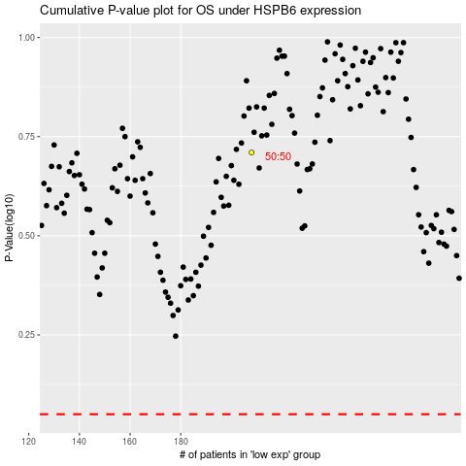

 |  |  |  |  |  | cases_OS | p_OS | rank | exp
 |  |  |  |  |  |  | cases_RFS | p_RFS | rank | exp

