HSPB8 _multivariate
Reported by Tex Li-Hsing Chi. tex@gate.sinica.edu.tw 2019-08-19

Table 2. The clinicopathological features of HNSCC cohort and HSPB8 expression. (Chi square test)
Cutoff at -0.32 (50.0%)
 |  | HSPB8 expression |  | HSPB8 expression |  | (Optimised)
 | Features | Low | (%) | High | (%) | Case no | P-value | Remark | Matthews
Gender | Female | 156 | 37.6 | 150 | 36.1 | 415 | 0.5222 | 0 | 0
2 | Male | 51 | 12.3 | 58 | 14
Age at diagnosis | <=65y | 129 | 31.1 | 145 | 34.9 | 415 | 0.1372 | 0 | 0
4 | >65y | 78 | 18.8 | 63 | 15.2
Clinical T Status | T1+T2 | 65 | 15.7 | 84 | 20.2 | 415 | 0.0711 | 0 | 0
6 | T3+T4 | 142 | 34.2 | 124 | 29.9
Clinical N Status | N0 | 100 | 24.1 | 116 | 28 | 415 | 0.1548 | 0 | 0
8 | N1-3 | 107 | 25.8 | 92 | 22.2
Clinical M Status | M0 | 205 | 49.4 | 207 | 49.9 | 415 | 0.6232 | 0 | 0
10 | M1 | 2 | 0.5 | 1 | 0.2
Clinical Stage | Stage I+II | 40 | 9.6 | 62 | 14.9 | 415 | 0.018 | 1 | 0
12 | Stage III+IV | 167 | 40.2 | 146 | 35.2
Surgical Margin status | Negative | 157 | 37.8 | 161 | 38.8 | 415 | 0.729 | 0 | 0
14 | Positive | 50 | 12 | 47 | 11.3
Tobacco Exposure | Low | 79 | 19 | 82 | 19.8 | 415 | 0.8405 | 0 | 0
16 | High | 128 | 30.8 | 126 | 30.4

Table 3. Univariate/Multivariate Cox's proportional hazards regression analyses on OS time of HSPB8 gene expression in HNSCC

 |  | Univariate |  |  |  | Multivariate
 | Features | HR | CI95%(L) | CI95%(H) | P-value | HR | CI95%(L) | CI95%(H) | P-value
1 | Female | 1 |  |  |  | 1
Gender | Male | 1.157 | 0.843 | 1.587 | 0.367 | 1.191 | 0.851 | 1.666 | 0.309
11 | <=65y | 1 |  |  |  | 1
Age at diagnosis | >65y | 1.329 | 0.99 | 1.784 | 0.058 | 1.368 | 1.005 | 1.86 | 0.046
12 | T1+T2 | 1 |  |  |  | 1
Clinical T Status | T3+T4 | 1.409 | 1.028 | 1.931 | 0.033 | 2.216 | 1.173 | 4.187 | 0.014
13 | N0 | 1 |  |  |  | 1
Clinical N Status | N1-3 | 1.185 | 0.89 | 1.577 | 0.246 | 1.238 | 0.867 | 1.769 | 0.24
14 | M0 | 1 |  |  |  | 1
Clinical M Status | M1 | 4.097 | 1.009 | 16.644 | 0.049 | 9.336 | 2.037 | 42.799 | 0.004
15 | Stage I+II | 1 |  |  |  | 1
Clinical Stage | Stage III+IV | 1.245 | 0.882 | 1.759 | 0.213 | 0.488 | 0.227 | 1.048 | 0.066
16 | Negative | 1 |  |  |  | 1
Surgical Margin status | Positive | 1.591 | 1.155 | 2.191 | 0.004 | 1.69 | 1.223 | 2.335 | 0.001
17 | Low | 1 |  |  |  | 1
Tobacco Exposure | High | 1.364 | 1.008 | 1.844 | 0.044 | 1.459 | 1.058 | 2.011 | 0.021
18 | Low | 1 |  |  |  | 1
RNAseq(z-score) | High | 0.777 | 0.583 | 1.036 | 0.085 | 0.796 | 0.595 | 1.065 | 0.125

Table 4. Univariate/Multivariate Cox's proportional hazards regression analyses on RFS time of HSPB8 gene expression in HNSCC

 |  | Univariate |  |  |  | Multivariate
 | Features | HR | CI95%(L) | CI95%(H) | P-value | HR | CI95%(L) | CI95%(H) | P-value
1 | Female | 1 |  |  |  | 1
Gender | Male | 1.157 | 0.843 | 1.587 | 0.367 | 1.191 | 0.851 | 1.666 | 0.309
11 | <=65y | 1 |  |  |  | 1
Age at diagnosis | >65y | 1.329 | 0.99 | 1.784 | 0.058 | 1.368 | 1.005 | 1.86 | 0.046
12 | T1+T2 | 1 |  |  |  | 1
Clinical T Status | T3+T4 | 1.409 | 1.028 | 1.931 | 0.033 | 2.216 | 1.173 | 4.187 | 0.014
13 | N0 | 1 |  |  |  | 1
Clinical N Status | N1-3 | 1.185 | 0.89 | 1.577 | 0.246 | 1.238 | 0.867 | 1.769 | 0.24
14 | M0 | 1 |  |  |  | 1
Clinical M Status | M1 | 4.097 | 1.009 | 16.644 | 0.049 | 9.336 | 2.037 | 42.799 | 0.004
15 | Stage I+II | 1 |  |  |  | 1
Clinical Stage | Stage III+IV | 1.245 | 0.882 | 1.759 | 0.213 | 0.488 | 0.227 | 1.048 | 0.066
16 | Negative | 1 |  |  |  | 1
Surgical Margin status | Positive | 1.591 | 1.155 | 2.191 | 0.004 | 1.69 | 1.223 | 2.335 | 0.001
17 | Low | 1 |  |  |  | 1
Tobacco Exposure | High | 1.364 | 1.008 | 1.844 | 0.044 | 1.459 | 1.058 | 2.011 | 0.021
18 | Low | 1 |  |  |  | 1
RNAseq(z-score) | High | 0.777 | 0.583 | 1.036 | 0.085 | 0.796 | 0.595 | 1.065 | 0.125

Kaplan-Meier survival estimate: Cutoff at -0.32 (50.0%)



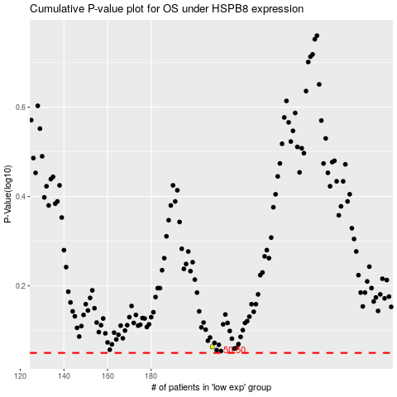

 |  |  |  |  |  | cases_OS | p_OS | rank | exp
 |  |  |  |  |  |  | cases_RFS | p_RFS | rank | exp

