HSPBAP1 _multivariate
Reported by Tex Li-Hsing Chi. tex@gate.sinica.edu.tw 2019-08-19

Table 2. The clinicopathological features of HNSCC cohort and HSPBAP1 expression. (Chi square test)
Cutoff at -0.331 (38.4%)
 |  | HSPBAP1 expression |  | HSPBAP1 expression |  | (Optimised)
 | Features | Low | (%) | High | (%) | Case no | P-value | Remark | Matthews
Gender | Female | 103 | 24.8 | 203 | 48.9 | 415 | 0.0016 | 1 | 0
2 | Male | 56 | 13.5 | 53 | 12.8
Age at diagnosis | <=65y | 100 | 24.1 | 174 | 41.9 | 415 | 0.3397 | 0 | 0
4 | >65y | 59 | 14.2 | 82 | 19.8
Clinical T Status | T1+T2 | 51 | 12.3 | 98 | 23.6 | 415 | 0.2396 | 0 | 0
6 | T3+T4 | 108 | 26 | 158 | 38.1
Clinical N Status | N0 | 83 | 20 | 133 | 32 | 415 | 1 | 0 | 0
8 | N1-3 | 76 | 18.3 | 123 | 29.6
Clinical M Status | M0 | 159 | 38.3 | 253 | 61 | 415 | 0.2893 | 0 | 0
10 | M1 | 0 | 0 | 3 | 0.7
Clinical Stage | Stage I+II | 38 | 9.2 | 64 | 15.4 | 415 | 0.8919 | 0 | 0
12 | Stage III+IV | 121 | 29.2 | 192 | 46.3
Surgical Margin status | Negative | 123 | 29.6 | 195 | 47 | 415 | 0.8123 | 0 | 0
14 | Positive | 36 | 8.7 | 61 | 14.7
Tobacco Exposure | Low | 60 | 14.5 | 101 | 24.3 | 415 | 0.7566 | 0 | 0
16 | High | 99 | 23.9 | 155 | 37.3

Table 3. Univariate/Multivariate Cox's proportional hazards regression analyses on OS time of HSPBAP1 gene expression in HNSCC

 |  | Univariate |  |  |  | Multivariate
 | Features | HR | CI95%(L) | CI95%(H) | P-value | HR | CI95%(L) | CI95%(H) | P-value
1 | Female | 1 |  |  |  | 1
Gender | Male | 1.157 | 0.843 | 1.587 | 0.367 | 1.131 | 0.804 | 1.591 | 0.478
11 | <=65y | 1 |  |  |  | 1
Age at diagnosis | >65y | 1.329 | 0.99 | 1.784 | 0.058 | 1.396 | 1.027 | 1.897 | 0.033
12 | T1+T2 | 1 |  |  |  | 1
Clinical T Status | T3+T4 | 1.409 | 1.028 | 1.931 | 0.033 | 2.113 | 1.117 | 3.998 | 0.021
13 | N0 | 1 |  |  |  | 1
Clinical N Status | N1-3 | 1.185 | 0.89 | 1.577 | 0.246 | 1.229 | 0.862 | 1.754 | 0.255
14 | M0 | 1 |  |  |  | 1
Clinical M Status | M1 | 4.097 | 1.009 | 16.644 | 0.049 | 10.106 | 2.201 | 46.4 | 0.003
15 | Stage I+II | 1 |  |  |  | 1
Clinical Stage | Stage III+IV | 1.245 | 0.882 | 1.759 | 0.213 | 0.521 | 0.242 | 1.117 | 0.094
16 | Negative | 1 |  |  |  | 1
Surgical Margin status | Positive | 1.591 | 1.155 | 2.191 | 0.004 | 1.671 | 1.21 | 2.309 | 0.002
17 | Low | 1 |  |  |  | 1
Tobacco Exposure | High | 1.364 | 1.008 | 1.844 | 0.044 | 1.457 | 1.056 | 2.011 | 0.022
18 | Low | 1 |  |  |  | 1
RNAseq(z-score) | High | 0.738 | 0.553 | 0.985 | 0.039 | 0.753 | 0.56 | 1.014 | 0.062

Table 4. Univariate/Multivariate Cox's proportional hazards regression analyses on RFS time of HSPBAP1 gene expression in HNSCC

 |  | Univariate |  |  |  | Multivariate
 | Features | HR | CI95%(L) | CI95%(H) | P-value | HR | CI95%(L) | CI95%(H) | P-value
1 | Female | 1 |  |  |  | 1
Gender | Male | 1.157 | 0.843 | 1.587 | 0.367 | 1.131 | 0.804 | 1.591 | 0.478
11 | <=65y | 1 |  |  |  | 1
Age at diagnosis | >65y | 1.329 | 0.99 | 1.784 | 0.058 | 1.396 | 1.027 | 1.897 | 0.033
12 | T1+T2 | 1 |  |  |  | 1
Clinical T Status | T3+T4 | 1.409 | 1.028 | 1.931 | 0.033 | 2.113 | 1.117 | 3.998 | 0.021
13 | N0 | 1 |  |  |  | 1
Clinical N Status | N1-3 | 1.185 | 0.89 | 1.577 | 0.246 | 1.229 | 0.862 | 1.754 | 0.255
14 | M0 | 1 |  |  |  | 1
Clinical M Status | M1 | 4.097 | 1.009 | 16.644 | 0.049 | 10.106 | 2.201 | 46.4 | 0.003
15 | Stage I+II | 1 |  |  |  | 1
Clinical Stage | Stage III+IV | 1.245 | 0.882 | 1.759 | 0.213 | 0.521 | 0.242 | 1.117 | 0.094
16 | Negative | 1 |  |  |  | 1
Surgical Margin status | Positive | 1.591 | 1.155 | 2.191 | 0.004 | 1.671 | 1.21 | 2.309 | 0.002
17 | Low | 1 |  |  |  | 1
Tobacco Exposure | High | 1.364 | 1.008 | 1.844 | 0.044 | 1.457 | 1.056 | 2.011 | 0.022
18 | Low | 1 |  |  |  | 1
RNAseq(z-score) | High | 0.738 | 0.553 | 0.985 | 0.039 | 0.753 | 0.56 | 1.014 | 0.062

Kaplan-Meier survival estimate: Cutoff at -0.331 (38.4%)



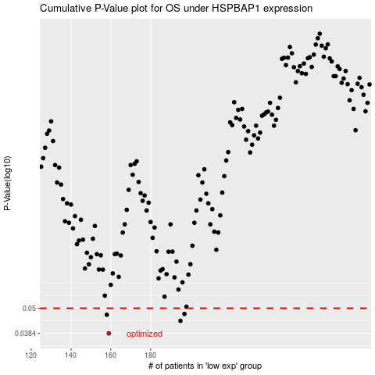

 |  |  |  |  |  | cases_OS | p_OS | rank | exp
 |  |  |  |  |  | 159 | 0.0384 | 205 | -0.33097702481
 |  |  |  |  |  | 195 | 0.0438 | 184 | -0.16753772684
 |  |  |  |  |  | 158 | 0.0467 | 203 | -0.33209585228
 |  |  |  |  |  | 197 | 0.0471 | 46 | -0.1649575737
 |  |  |  |  |  |  | cases_RFS | p_RFS | rank | exp
 |  |  |  |  |  |  | 158 | 0.0384 | 203 | -0.33209585228
 |  |  |  |  |  |  | 194 | 0.0438 | 413 | -0.17465576979
 |  |  |  |  |  |  | 157 | 0.0467 | 411 | -0.33999445287
 |  |  |  |  |  |  | 196 | 0.0471 | 225 | -0.1663715416

