HSPC157 _multivariate
Reported by Tex Li-Hsing Chi. tex@gate.sinica.edu.tw 2019-08-19

Table 2. The clinicopathological features of HNSCC cohort and HSPC157 expression. (Chi square test)
Cutoff at -0.237 (49.8%)
 |  | HSPC157 expression |  | HSPC157 expression |  | (Optimised)
 | Features | Low | (%) | High | (%) | Case no | P-value | Remark | Matthews
Gender | Female | 150 | 36.1 | 156 | 37.6 | 415 | 0.6344 | 0 | 0
2 | Male | 57 | 13.7 | 52 | 12.5
Age at diagnosis | <=65y | 133 | 32 | 141 | 34 | 415 | 0.5111 | 0 | 0
4 | >65y | 74 | 17.8 | 67 | 16.1
Clinical T Status | T1+T2 | 71 | 17.1 | 78 | 18.8 | 415 | 0.5638 | 0 | 0
6 | T3+T4 | 136 | 32.8 | 130 | 31.3
Clinical N Status | N0 | 111 | 26.7 | 105 | 25.3 | 415 | 0.5875 | 0 | 0
8 | N1-3 | 96 | 23.1 | 103 | 24.8
Clinical M Status | M0 | 207 | 49.9 | 205 | 49.4 | 415 | 0.2482 | 0 | 0
10 | M1 | 0 | 0 | 3 | 0.7
Clinical Stage | Stage I+II | 54 | 13 | 48 | 11.6 | 415 | 0.5498 | 0 | 0
12 | Stage III+IV | 153 | 36.9 | 160 | 38.6
Surgical Margin status | Negative | 162 | 39 | 156 | 37.6 | 415 | 0.4867 | 0 | 0
14 | Positive | 45 | 10.8 | 52 | 12.5
Tobacco Exposure | Low | 84 | 20.2 | 77 | 18.6 | 415 | 0.4816 | 0 | 0
16 | High | 123 | 29.6 | 131 | 31.6

Table 3. Univariate/Multivariate Cox's proportional hazards regression analyses on OS time of HSPC157 gene expression in HNSCC

 |  | Univariate |  |  |  | Multivariate
 | Features | HR | CI95%(L) | CI95%(H) | P-value | HR | CI95%(L) | CI95%(H) | P-value
1 | Female | 1 |  |  |  | 1
Gender | Male | 1.157 | 0.843 | 1.587 | 0.367 | 1.203 | 0.862 | 1.681 | 0.278
11 | <=65y | 1 |  |  |  | 1
Age at diagnosis | >65y | 1.329 | 0.99 | 1.784 | 0.058 | 1.39 | 1.023 | 1.889 | 0.036
12 | T1+T2 | 1 |  |  |  | 1
Clinical T Status | T3+T4 | 1.409 | 1.028 | 1.931 | 0.033 | 2.23 | 1.178 | 4.22 | 0.014
13 | N0 | 1 |  |  |  | 1
Clinical N Status | N1-3 | 1.185 | 0.89 | 1.577 | 0.246 | 1.243 | 0.871 | 1.774 | 0.231
14 | M0 | 1 |  |  |  | 1
Clinical M Status | M1 | 4.097 | 1.009 | 16.644 | 0.049 | 8.981 | 1.951 | 41.341 | 0.005
15 | Stage I+II | 1 |  |  |  | 1
Clinical Stage | Stage III+IV | 1.245 | 0.882 | 1.759 | 0.213 | 0.493 | 0.229 | 1.06 | 0.07
16 | Negative | 1 |  |  |  | 1
Surgical Margin status | Positive | 1.591 | 1.155 | 2.191 | 0.004 | 1.662 | 1.202 | 2.297 | 0.002
17 | Low | 1 |  |  |  | 1
Tobacco Exposure | High | 1.364 | 1.008 | 1.844 | 0.044 | 1.437 | 1.042 | 1.981 | 0.027
18 | Low | 1 |  |  |  | 1
RNAseq(z-score) | High | 1.172 | 0.877 | 1.565 | 0.283 | 1.123 | 0.838 | 1.507 | 0.437

Table 4. Univariate/Multivariate Cox's proportional hazards regression analyses on RFS time of HSPC157 gene expression in HNSCC

 |  | Univariate |  |  |  | Multivariate
 | Features | HR | CI95%(L) | CI95%(H) | P-value | HR | CI95%(L) | CI95%(H) | P-value
1 | Female | 1 |  |  |  | 1
Gender | Male | 1.157 | 0.843 | 1.587 | 0.367 | 1.203 | 0.862 | 1.681 | 0.278
11 | <=65y | 1 |  |  |  | 1
Age at diagnosis | >65y | 1.329 | 0.99 | 1.784 | 0.058 | 1.39 | 1.023 | 1.889 | 0.036
12 | T1+T2 | 1 |  |  |  | 1
Clinical T Status | T3+T4 | 1.409 | 1.028 | 1.931 | 0.033 | 2.23 | 1.178 | 4.22 | 0.014
13 | N0 | 1 |  |  |  | 1
Clinical N Status | N1-3 | 1.185 | 0.89 | 1.577 | 0.246 | 1.243 | 0.871 | 1.774 | 0.231
14 | M0 | 1 |  |  |  | 1
Clinical M Status | M1 | 4.097 | 1.009 | 16.644 | 0.049 | 8.981 | 1.951 | 41.341 | 0.005
15 | Stage I+II | 1 |  |  |  | 1
Clinical Stage | Stage III+IV | 1.245 | 0.882 | 1.759 | 0.213 | 0.493 | 0.229 | 1.06 | 0.07
16 | Negative | 1 |  |  |  | 1
Surgical Margin status | Positive | 1.591 | 1.155 | 2.191 | 0.004 | 1.662 | 1.202 | 2.297 | 0.002
17 | Low | 1 |  |  |  | 1
Tobacco Exposure | High | 1.364 | 1.008 | 1.844 | 0.044 | 1.437 | 1.042 | 1.981 | 0.027
18 | Low | 1 |  |  |  | 1
RNAseq(z-score) | High | 1.172 | 0.877 | 1.565 | 0.283 | 1.123 | 0.838 | 1.507 | 0.437

Kaplan-Meier survival estimate: Cutoff at -0.237 (49.8%)



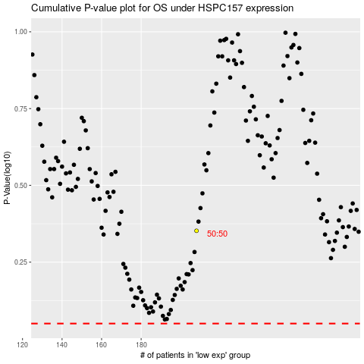

 |  |  |  |  |  | cases_OS | p_OS | rank | exp
 |  |  |  |  |  |  | cases_RFS | p_RFS | rank | exp

