HSPC159 _multivariate
Reported by Tex Li-Hsing Chi. tex@gate.sinica.edu.tw 2019-08-19

Table 2. The clinicopathological features of HNSCC cohort and HSPC159 expression. (Chi square test)
Cutoff at -0.361 (50.0%)
 |  | HSPC159 expression |  | HSPC159 expression |  | (Optimised)
 | Features | Low | (%) | High | (%) | Case no | P-value | Remark | Matthews
Gender | Female | 160 | 38.6 | 146 | 35.2 | 415 | 0.1254 | 0 | 0
2 | Male | 47 | 11.3 | 62 | 14.9
Age at diagnosis | <=65y | 143 | 34.5 | 131 | 31.6 | 415 | 0.2269 | 0 | 0
4 | >65y | 64 | 15.4 | 77 | 18.6
Clinical T Status | T1+T2 | 75 | 18.1 | 74 | 17.8 | 415 | 0.9707 | 0 | 0
6 | T3+T4 | 132 | 31.8 | 134 | 32.3
Clinical N Status | N0 | 98 | 23.6 | 118 | 28.4 | 415 | 0.0694 | 0 | 0
8 | N1-3 | 109 | 26.3 | 90 | 21.7
Clinical M Status | M0 | 206 | 49.6 | 206 | 49.6 | 415 | 1 | 0 | 0
10 | M1 | 1 | 0.2 | 2 | 0.5
Clinical Stage | Stage I+II | 48 | 11.6 | 54 | 13 | 415 | 0.5878 | 0 | 0
12 | Stage III+IV | 159 | 38.3 | 154 | 37.1
Surgical Margin status | Negative | 151 | 36.4 | 167 | 40.2 | 415 | 0.0828 | 0 | 0
14 | Positive | 56 | 13.5 | 41 | 9.9
Tobacco Exposure | Low | 78 | 18.8 | 83 | 20 | 415 | 0.6873 | 0 | 0
16 | High | 129 | 31.1 | 125 | 30.1

Table 3. Univariate/Multivariate Cox's proportional hazards regression analyses on OS time of HSPC159 gene expression in HNSCC

 |  | Univariate |  |  |  | Multivariate
 | Features | HR | CI95%(L) | CI95%(H) | P-value | HR | CI95%(L) | CI95%(H) | P-value
1 | Female | 1 |  |  |  | 1
Gender | Male | 1.157 | 0.843 | 1.587 | 0.367 | 1.229 | 0.879 | 1.72 | 0.228
11 | <=65y | 1 |  |  |  | 1
Age at diagnosis | >65y | 1.329 | 0.99 | 1.784 | 0.058 | 1.407 | 1.035 | 1.914 | 0.029
12 | T1+T2 | 1 |  |  |  | 1
Clinical T Status | T3+T4 | 1.409 | 1.028 | 1.931 | 0.033 | 2.203 | 1.165 | 4.164 | 0.015
13 | N0 | 1 |  |  |  | 1
Clinical N Status | N1-3 | 1.185 | 0.89 | 1.577 | 0.246 | 1.211 | 0.847 | 1.732 | 0.293
14 | M0 | 1 |  |  |  | 1
Clinical M Status | M1 | 4.097 | 1.009 | 16.644 | 0.049 | 10.166 | 2.206 | 46.839 | 0.003
15 | Stage I+II | 1 |  |  |  | 1
Clinical Stage | Stage III+IV | 1.245 | 0.882 | 1.759 | 0.213 | 0.506 | 0.236 | 1.087 | 0.081
16 | Negative | 1 |  |  |  | 1
Surgical Margin status | Positive | 1.591 | 1.155 | 2.191 | 0.004 | 1.621 | 1.17 | 2.248 | 0.004
17 | Low | 1 |  |  |  | 1
Tobacco Exposure | High | 1.364 | 1.008 | 1.844 | 0.044 | 1.457 | 1.058 | 2.007 | 0.021
18 | Low | 1 |  |  |  | 1
RNAseq(z-score) | High | 0.828 | 0.621 | 1.104 | 0.198 | 0.826 | 0.614 | 1.113 | 0.21

Table 4. Univariate/Multivariate Cox's proportional hazards regression analyses on RFS time of HSPC159 gene expression in HNSCC

 |  | Univariate |  |  |  | Multivariate
 | Features | HR | CI95%(L) | CI95%(H) | P-value | HR | CI95%(L) | CI95%(H) | P-value
1 | Female | 1 |  |  |  | 1
Gender | Male | 1.157 | 0.843 | 1.587 | 0.367 | 1.229 | 0.879 | 1.72 | 0.228
11 | <=65y | 1 |  |  |  | 1
Age at diagnosis | >65y | 1.329 | 0.99 | 1.784 | 0.058 | 1.407 | 1.035 | 1.914 | 0.029
12 | T1+T2 | 1 |  |  |  | 1
Clinical T Status | T3+T4 | 1.409 | 1.028 | 1.931 | 0.033 | 2.203 | 1.165 | 4.164 | 0.015
13 | N0 | 1 |  |  |  | 1
Clinical N Status | N1-3 | 1.185 | 0.89 | 1.577 | 0.246 | 1.211 | 0.847 | 1.732 | 0.293
14 | M0 | 1 |  |  |  | 1
Clinical M Status | M1 | 4.097 | 1.009 | 16.644 | 0.049 | 10.166 | 2.206 | 46.839 | 0.003
15 | Stage I+II | 1 |  |  |  | 1
Clinical Stage | Stage III+IV | 1.245 | 0.882 | 1.759 | 0.213 | 0.506 | 0.236 | 1.087 | 0.081
16 | Negative | 1 |  |  |  | 1
Surgical Margin status | Positive | 1.591 | 1.155 | 2.191 | 0.004 | 1.621 | 1.17 | 2.248 | 0.004
17 | Low | 1 |  |  |  | 1
Tobacco Exposure | High | 1.364 | 1.008 | 1.844 | 0.044 | 1.457 | 1.058 | 2.007 | 0.021
18 | Low | 1 |  |  |  | 1
RNAseq(z-score) | High | 0.828 | 0.621 | 1.104 | 0.198 | 0.826 | 0.614 | 1.113 | 0.21

Kaplan-Meier survival estimate: Cutoff at -0.361 (50.0%)



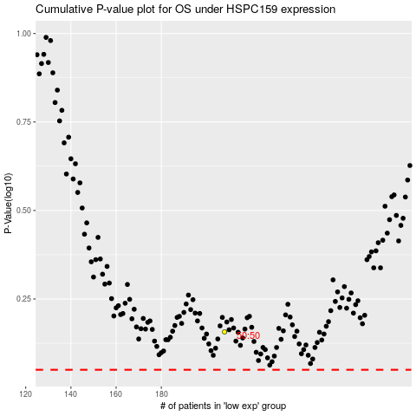

 |  |  |  |  |  | cases_OS | p_OS | rank | exp
 |  |  |  |  |  |  | cases_RFS | p_RFS | rank | exp

